DYNLRB1 _multivariate
Reported by Tex Li-Hsing Chi. tex@gate.sinica.edu.tw 2019-08-20

Table 2. The clinicopathological features of HNSCC cohort and DYNLRB1 expression. (Chi square test)
Cutoff at -0.241 (50.0%)
 |  | DYNLRB1 expression |  | DYNLRB1 expression |  | (Optimised)
 | Features | Low | (%) | High | (%) | Case no | P-value | Remark | Matthews
Gender | Female | 150 | 36.1 | 156 | 37.6 | 415 | 0.6344 | 0 | 0
2 | Male | 57 | 13.7 | 52 | 12.5
Age at diagnosis | <=65y | 134 | 32.3 | 140 | 33.7 | 415 | 0.6529 | 0 | 0
4 | >65y | 73 | 17.6 | 68 | 16.4
Clinical T Status | T1+T2 | 75 | 18.1 | 74 | 17.8 | 415 | 0.9707 | 0 | 0
6 | T3+T4 | 132 | 31.8 | 134 | 32.3
Clinical N Status | N0 | 114 | 27.5 | 102 | 24.6 | 415 | 0.2576 | 1 | 0
8 | N1-3 | 93 | 22.4 | 106 | 25.5
Clinical M Status | M0 | 207 | 49.9 | 205 | 49.4 | 415 | 0.2482 | 0 | 0
10 | M1 | 0 | 0 | 3 | 0.7
Clinical Stage | Stage I+II | 51 | 12.3 | 51 | 12.3 | 415 | 1 | 0 | 0
12 | Stage III+IV | 156 | 37.6 | 157 | 37.8
Surgical Margin status | Negative | 161 | 38.8 | 157 | 37.8 | 415 | 0.6429 | 0 | 0
14 | Positive | 46 | 11.1 | 51 | 12.3
Tobacco Exposure | Low | 74 | 17.8 | 87 | 21 | 415 | 0.227 | 0 | 0
16 | High | 133 | 32 | 121 | 29.2

Table 3. Univariate/Multivariate Cox's proportional hazards regression analyses on OS time of DYNLRB1 gene expression in HNSCC

 |  | Univariate |  |  |  | Multivariate
 | Features | HR | CI95%(L) | CI95%(H) | P-value | HR | CI95%(L) | CI95%(H) | P-value
1 | Female | 1 |  |  |  | 1
Gender | Male | 1.157 | 0.843 | 1.587 | 0.367 | 1.191 | 0.853 | 1.663 | 0.306
11 | <=65y | 1 |  |  |  | 1
Age at diagnosis | >65y | 1.329 | 0.99 | 1.784 | 0.058 | 1.4 | 1.031 | 1.902 | 0.031
12 | T1+T2 | 1 |  |  |  | 1
Clinical T Status | T3+T4 | 1.409 | 1.028 | 1.931 | 0.033 | 2.199 | 1.163 | 4.158 | 0.015
13 | N0 | 1 |  |  |  | 1
Clinical N Status | N1-3 | 1.185 | 0.89 | 1.577 | 0.246 | 1.209 | 0.846 | 1.726 | 0.297
14 | M0 | 1 |  |  |  | 1
Clinical M Status | M1 | 4.097 | 1.009 | 16.644 | 0.049 | 8.556 | 1.857 | 39.422 | 0.006
15 | Stage I+II | 1 |  |  |  | 1
Clinical Stage | Stage III+IV | 1.245 | 0.882 | 1.759 | 0.213 | 0.512 | 0.239 | 1.099 | 0.086
16 | Negative | 1 |  |  |  | 1
Surgical Margin status | Positive | 1.591 | 1.155 | 2.191 | 0.004 | 1.663 | 1.204 | 2.298 | 0.002
17 | Low | 1 |  |  |  | 1
Tobacco Exposure | High | 1.364 | 1.008 | 1.844 | 0.044 | 1.462 | 1.062 | 2.013 | 0.02
18 | Low | 1 |  |  |  | 1
RNAseq(z-score) | High | 1.261 | 0.946 | 1.681 | 0.114 | 1.238 | 0.924 | 1.657 | 0.152

Table 4. Univariate/Multivariate Cox's proportional hazards regression analyses on RFS time of DYNLRB1 gene expression in HNSCC

 |  | Univariate |  |  |  | Multivariate
 | Features | HR | CI95%(L) | CI95%(H) | P-value | HR | CI95%(L) | CI95%(H) | P-value
1 | Female | 1 |  |  |  | 1
Gender | Male | 1.157 | 0.843 | 1.587 | 0.367 | 1.191 | 0.853 | 1.663 | 0.306
11 | <=65y | 1 |  |  |  | 1
Age at diagnosis | >65y | 1.329 | 0.99 | 1.784 | 0.058 | 1.4 | 1.031 | 1.902 | 0.031
12 | T1+T2 | 1 |  |  |  | 1
Clinical T Status | T3+T4 | 1.409 | 1.028 | 1.931 | 0.033 | 2.199 | 1.163 | 4.158 | 0.015
13 | N0 | 1 |  |  |  | 1
Clinical N Status | N1-3 | 1.185 | 0.89 | 1.577 | 0.246 | 1.209 | 0.846 | 1.726 | 0.297
14 | M0 | 1 |  |  |  | 1
Clinical M Status | M1 | 4.097 | 1.009 | 16.644 | 0.049 | 8.556 | 1.857 | 39.422 | 0.006
15 | Stage I+II | 1 |  |  |  | 1
Clinical Stage | Stage III+IV | 1.245 | 0.882 | 1.759 | 0.213 | 0.512 | 0.239 | 1.099 | 0.086
16 | Negative | 1 |  |  |  | 1
Surgical Margin status | Positive | 1.591 | 1.155 | 2.191 | 0.004 | 1.663 | 1.204 | 2.298 | 0.002
17 | Low | 1 |  |  |  | 1
Tobacco Exposure | High | 1.364 | 1.008 | 1.844 | 0.044 | 1.462 | 1.062 | 2.013 | 0.02
18 | Low | 1 |  |  |  | 1
RNAseq(z-score) | High | 1.261 | 0.946 | 1.681 | 0.114 | 1.238 | 0.924 | 1.657 | 0.152

Kaplan-Meier survival estimate: Cutoff at -0.241 (50.0%)



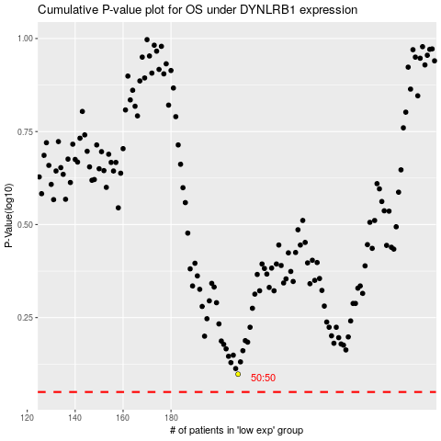

 |  |  |  |  |  | cases_OS | p_OS | rank | exp
 |  |  |  |  |  |  | cases_RFS | p_RFS | rank | exp

