DYNLT1 _multivariate
Reported by Tex Li-Hsing Chi. tex@gate.sinica.edu.tw 2019-08-20

Table 2. The clinicopathological features of HNSCC cohort and DYNLT1 expression. (Chi square test)
Cutoff at -0.278 (50.0%)
 |  | DYNLT1 expression |  | DYNLT1 expression |  | (Optimised)
 | Features | Low | (%) | High | (%) | Case no | P-value | Remark | Matthews
Gender | Female | 161 | 38.8 | 145 | 34.9 | 415 | 0.0792 | 0 | 0
2 | Male | 46 | 11.1 | 63 | 15.2
Age at diagnosis | <=65y | 140 | 33.7 | 134 | 32.3 | 415 | 0.5574 | 0 | 0
4 | >65y | 67 | 16.1 | 74 | 17.8
Clinical T Status | T1+T2 | 64 | 15.4 | 85 | 20.5 | 415 | 0.0445 | 1 | 0
6 | T3+T4 | 143 | 34.5 | 123 | 29.6
Clinical N Status | N0 | 111 | 26.7 | 105 | 25.3 | 415 | 0.5875 | 0 | 0
8 | N1-3 | 96 | 23.1 | 103 | 24.8
Clinical M Status | M0 | 206 | 49.6 | 206 | 49.6 | 415 | 1 | 0 | 0
10 | M1 | 1 | 0.2 | 2 | 0.5
Clinical Stage | Stage I+II | 47 | 11.3 | 55 | 13.3 | 415 | 0.4413 | 0 | 0
12 | Stage III+IV | 160 | 38.6 | 153 | 36.9
Surgical Margin status | Negative | 168 | 40.5 | 150 | 36.1 | 415 | 0.0366 | 1 | 0
14 | Positive | 39 | 9.4 | 58 | 14
Tobacco Exposure | Low | 72 | 17.3 | 89 | 21.4 | 415 | 0.1071 | 0 | 0
16 | High | 135 | 32.5 | 119 | 28.7

Table 3. Univariate/Multivariate Cox's proportional hazards regression analyses on OS time of DYNLT1 gene expression in HNSCC

 |  | Univariate |  |  |  | Multivariate
 | Features | HR | CI95%(L) | CI95%(H) | P-value | HR | CI95%(L) | CI95%(H) | P-value
1 | Female | 1 |  |  |  | 1
Gender | Male | 1.157 | 0.843 | 1.587 | 0.367 | 1.198 | 0.855 | 1.679 | 0.293
11 | <=65y | 1 |  |  |  | 1
Age at diagnosis | >65y | 1.329 | 0.99 | 1.784 | 0.058 | 1.39 | 1.022 | 1.891 | 0.036
12 | T1+T2 | 1 |  |  |  | 1
Clinical T Status | T3+T4 | 1.409 | 1.028 | 1.931 | 0.033 | 2.209 | 1.166 | 4.187 | 0.015
13 | N0 | 1 |  |  |  | 1
Clinical N Status | N1-3 | 1.185 | 0.89 | 1.577 | 0.246 | 1.238 | 0.866 | 1.77 | 0.242
14 | M0 | 1 |  |  |  | 1
Clinical M Status | M1 | 4.097 | 1.009 | 16.644 | 0.049 | 9.379 | 2.044 | 43.03 | 0.004
15 | Stage I+II | 1 |  |  |  | 1
Clinical Stage | Stage III+IV | 1.245 | 0.882 | 1.759 | 0.213 | 0.504 | 0.235 | 1.083 | 0.079
16 | Negative | 1 |  |  |  | 1
Surgical Margin status | Positive | 1.591 | 1.155 | 2.191 | 0.004 | 1.669 | 1.207 | 2.309 | 0.002
17 | Low | 1 |  |  |  | 1
Tobacco Exposure | High | 1.364 | 1.008 | 1.844 | 0.044 | 1.452 | 1.053 | 2.001 | 0.023
18 | Low | 1 |  |  |  | 1
RNAseq(z-score) | High | 1.07 | 0.803 | 1.425 | 0.645 | 1.018 | 0.756 | 1.37 | 0.909

Table 4. Univariate/Multivariate Cox's proportional hazards regression analyses on RFS time of DYNLT1 gene expression in HNSCC

 |  | Univariate |  |  |  | Multivariate
 | Features | HR | CI95%(L) | CI95%(H) | P-value | HR | CI95%(L) | CI95%(H) | P-value
1 | Female | 1 |  |  |  | 1
Gender | Male | 1.157 | 0.843 | 1.587 | 0.367 | 1.198 | 0.855 | 1.679 | 0.293
11 | <=65y | 1 |  |  |  | 1
Age at diagnosis | >65y | 1.329 | 0.99 | 1.784 | 0.058 | 1.39 | 1.022 | 1.891 | 0.036
12 | T1+T2 | 1 |  |  |  | 1
Clinical T Status | T3+T4 | 1.409 | 1.028 | 1.931 | 0.033 | 2.209 | 1.166 | 4.187 | 0.015
13 | N0 | 1 |  |  |  | 1
Clinical N Status | N1-3 | 1.185 | 0.89 | 1.577 | 0.246 | 1.238 | 0.866 | 1.77 | 0.242
14 | M0 | 1 |  |  |  | 1
Clinical M Status | M1 | 4.097 | 1.009 | 16.644 | 0.049 | 9.379 | 2.044 | 43.03 | 0.004
15 | Stage I+II | 1 |  |  |  | 1
Clinical Stage | Stage III+IV | 1.245 | 0.882 | 1.759 | 0.213 | 0.504 | 0.235 | 1.083 | 0.079
16 | Negative | 1 |  |  |  | 1
Surgical Margin status | Positive | 1.591 | 1.155 | 2.191 | 0.004 | 1.669 | 1.207 | 2.309 | 0.002
17 | Low | 1 |  |  |  | 1
Tobacco Exposure | High | 1.364 | 1.008 | 1.844 | 0.044 | 1.452 | 1.053 | 2.001 | 0.023
18 | Low | 1 |  |  |  | 1
RNAseq(z-score) | High | 1.07 | 0.803 | 1.425 | 0.645 | 1.018 | 0.756 | 1.37 | 0.909

Kaplan-Meier survival estimate: Cutoff at -0.278 (50.0%)



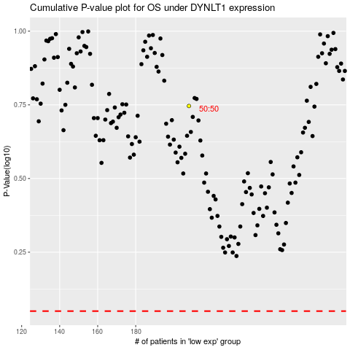

 |  |  |  |  |  | cases_OS | p_OS | rank | exp
 |  |  |  |  |  |  | cases_RFS | p_RFS | rank | exp

