DYNLT3 _multivariate
Reported by Tex Li-Hsing Chi. tex@gate.sinica.edu.tw 2019-08-20

Table 2. The clinicopathological features of HNSCC cohort and DYNLT3 expression. (Chi square test)
Cutoff at -0.413 (45.2%)
 |  | DYNLT3 expression |  | DYNLT3 expression |  | (Optimised)
 | Features | Low | (%) | High | (%) | Case no | P-value | Remark | Matthews
Gender | Female | 140 | 33.7 | 166 | 40 | 415 | 0.7172 | 0 | 0
2 | Male | 47 | 11.3 | 62 | 14.9
Age at diagnosis | <=65y | 119 | 28.7 | 155 | 37.3 | 415 | 0.4088 | 0 | 0
4 | >65y | 68 | 16.4 | 73 | 17.6
Clinical T Status | T1+T2 | 65 | 15.7 | 84 | 20.2 | 415 | 0.7359 | 0 | 0
6 | T3+T4 | 122 | 29.4 | 144 | 34.7
Clinical N Status | N0 | 91 | 21.9 | 125 | 30.1 | 415 | 0.2496 | 0 | 0
8 | N1-3 | 96 | 23.1 | 103 | 24.8
Clinical M Status | M0 | 184 | 44.3 | 228 | 54.9 | 415 | 0.0907 | 0 | 0
10 | M1 | 3 | 0.7 | 0 | 0
Clinical Stage | Stage I+II | 43 | 10.4 | 59 | 14.2 | 415 | 0.5727 | 0 | 0
12 | Stage III+IV | 144 | 34.7 | 169 | 40.7
Surgical Margin status | Negative | 141 | 34 | 177 | 42.7 | 415 | 0.6415 | 0 | 0
14 | Positive | 46 | 11.1 | 51 | 12.3
Tobacco Exposure | Low | 76 | 18.3 | 85 | 20.5 | 415 | 0.5437 | 0 | 0
16 | High | 111 | 26.7 | 143 | 34.5

Table 3. Univariate/Multivariate Cox's proportional hazards regression analyses on OS time of DYNLT3 gene expression in HNSCC

 |  | Univariate |  |  |  | Multivariate
 | Features | HR | CI95%(L) | CI95%(H) | P-value | HR | CI95%(L) | CI95%(H) | P-value
1 | Female | 1 |  |  |  | 1
Gender | Male | 1.157 | 0.843 | 1.587 | 0.367 | 1.211 | 0.865 | 1.695 | 0.264
11 | <=65y | 1 |  |  |  | 1
Age at diagnosis | >65y | 1.329 | 0.99 | 1.784 | 0.058 | 1.365 | 1.002 | 1.859 | 0.048
12 | T1+T2 | 1 |  |  |  | 1
Clinical T Status | T3+T4 | 1.409 | 1.028 | 1.931 | 0.033 | 2.185 | 1.156 | 4.133 | 0.016
13 | N0 | 1 |  |  |  | 1
Clinical N Status | N1-3 | 1.185 | 0.89 | 1.577 | 0.246 | 1.206 | 0.843 | 1.724 | 0.305
14 | M0 | 1 |  |  |  | 1
Clinical M Status | M1 | 4.097 | 1.009 | 16.644 | 0.049 | 8.475 | 1.837 | 39.091 | 0.006
15 | Stage I+II | 1 |  |  |  | 1
Clinical Stage | Stage III+IV | 1.245 | 0.882 | 1.759 | 0.213 | 0.503 | 0.234 | 1.08 | 0.078
16 | Negative | 1 |  |  |  | 1
Surgical Margin status | Positive | 1.591 | 1.155 | 2.191 | 0.004 | 1.645 | 1.19 | 2.274 | 0.003
17 | Low | 1 |  |  |  | 1
Tobacco Exposure | High | 1.364 | 1.008 | 1.844 | 0.044 | 1.486 | 1.075 | 2.053 | 0.016
18 | Low | 1 |  |  |  | 1
RNAseq(z-score) | High | 0.75 | 0.563 | 0.999 | 0.049 | 0.806 | 0.6 | 1.082 | 0.151

Table 4. Univariate/Multivariate Cox's proportional hazards regression analyses on RFS time of DYNLT3 gene expression in HNSCC

 |  | Univariate |  |  |  | Multivariate
 | Features | HR | CI95%(L) | CI95%(H) | P-value | HR | CI95%(L) | CI95%(H) | P-value
1 | Female | 1 |  |  |  | 1
Gender | Male | 1.157 | 0.843 | 1.587 | 0.367 | 1.211 | 0.865 | 1.695 | 0.264
11 | <=65y | 1 |  |  |  | 1
Age at diagnosis | >65y | 1.329 | 0.99 | 1.784 | 0.058 | 1.365 | 1.002 | 1.859 | 0.048
12 | T1+T2 | 1 |  |  |  | 1
Clinical T Status | T3+T4 | 1.409 | 1.028 | 1.931 | 0.033 | 2.185 | 1.156 | 4.133 | 0.016
13 | N0 | 1 |  |  |  | 1
Clinical N Status | N1-3 | 1.185 | 0.89 | 1.577 | 0.246 | 1.206 | 0.843 | 1.724 | 0.305
14 | M0 | 1 |  |  |  | 1
Clinical M Status | M1 | 4.097 | 1.009 | 16.644 | 0.049 | 8.475 | 1.837 | 39.091 | 0.006
15 | Stage I+II | 1 |  |  |  | 1
Clinical Stage | Stage III+IV | 1.245 | 0.882 | 1.759 | 0.213 | 0.503 | 0.234 | 1.08 | 0.078
16 | Negative | 1 |  |  |  | 1
Surgical Margin status | Positive | 1.591 | 1.155 | 2.191 | 0.004 | 1.645 | 1.19 | 2.274 | 0.003
17 | Low | 1 |  |  |  | 1
Tobacco Exposure | High | 1.364 | 1.008 | 1.844 | 0.044 | 1.486 | 1.075 | 2.053 | 0.016
18 | Low | 1 |  |  |  | 1
RNAseq(z-score) | High | 0.75 | 0.563 | 0.999 | 0.049 | 0.806 | 0.6 | 1.082 | 0.151

Kaplan-Meier survival estimate: Cutoff at -0.413 (45.2%)



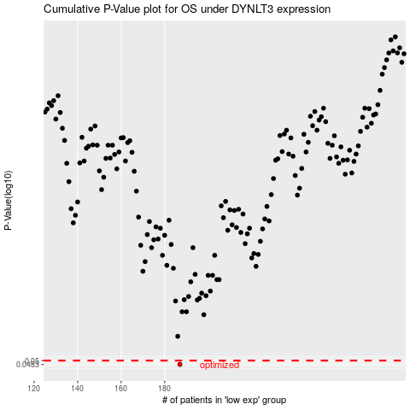

 |  |  |  |  |  | cases_OS | p_OS | rank | exp
 |  |  |  |  |  | 187 | 0.0483 | 177 | -0.41281422748
 |  |  |  |  |  |  | cases_RFS | p_RFS | rank | exp
 |  |  |  |  |  |  | 186 | 0.0483 | 54 | -0.41542434302

