DYRK1A _multivariate
Reported by Tex Li-Hsing Chi. tex@gate.sinica.edu.tw 2019-08-20

Table 2. The clinicopathological features of HNSCC cohort and DYRK1A expression. (Chi square test)
Cutoff at -0.186 (50.0%)
 |  | DYRK1A expression |  | DYRK1A expression |  | (Optimised)
 | Features | Low | (%) | High | (%) | Case no | P-value | Remark | Matthews
Gender | Female | 157 | 37.8 | 149 | 35.9 | 415 | 0.3881 | 0 | 0
2 | Male | 50 | 12 | 59 | 14.2
Age at diagnosis | <=65y | 130 | 31.3 | 144 | 34.7 | 415 | 0.2009 | 0 | 0
4 | >65y | 77 | 18.6 | 64 | 15.4
Clinical T Status | T1+T2 | 67 | 16.1 | 82 | 19.8 | 415 | 0.1628 | 0 | 0
6 | T3+T4 | 140 | 33.7 | 126 | 30.4
Clinical N Status | N0 | 113 | 27.2 | 103 | 24.8 | 415 | 0.3495 | 1 | 0
8 | N1-3 | 94 | 22.7 | 105 | 25.3
Clinical M Status | M0 | 204 | 49.2 | 208 | 50.1 | 415 | 0.1232 | 0 | 0
10 | M1 | 3 | 0.7 | 0 | 0
Clinical Stage | Stage I+II | 50 | 12 | 52 | 12.5 | 415 | 0.9315 | 0 | 0
12 | Stage III+IV | 157 | 37.8 | 156 | 37.6
Surgical Margin status | Negative | 155 | 37.3 | 163 | 39.3 | 415 | 0.4187 | 0 | 0
14 | Positive | 52 | 12.5 | 45 | 10.8
Tobacco Exposure | Low | 79 | 19 | 82 | 19.8 | 415 | 0.8405 | 0 | 0
16 | High | 128 | 30.8 | 126 | 30.4

Table 3. Univariate/Multivariate Cox's proportional hazards regression analyses on OS time of DYRK1A gene expression in HNSCC

 |  | Univariate |  |  |  | Multivariate
 | Features | HR | CI95%(L) | CI95%(H) | P-value | HR | CI95%(L) | CI95%(H) | P-value
1 | Female | 1 |  |  |  | 1
Gender | Male | 1.157 | 0.843 | 1.587 | 0.367 | 1.202 | 0.861 | 1.68 | 0.28
11 | <=65y | 1 |  |  |  | 1
Age at diagnosis | >65y | 1.329 | 0.99 | 1.784 | 0.058 | 1.389 | 1.021 | 1.888 | 0.036
12 | T1+T2 | 1 |  |  |  | 1
Clinical T Status | T3+T4 | 1.409 | 1.028 | 1.931 | 0.033 | 2.188 | 1.155 | 4.145 | 0.016
13 | N0 | 1 |  |  |  | 1
Clinical N Status | N1-3 | 1.185 | 0.89 | 1.577 | 0.246 | 1.244 | 0.871 | 1.776 | 0.229
14 | M0 | 1 |  |  |  | 1
Clinical M Status | M1 | 4.097 | 1.009 | 16.644 | 0.049 | 9.158 | 1.972 | 42.542 | 0.005
15 | Stage I+II | 1 |  |  |  | 1
Clinical Stage | Stage III+IV | 1.245 | 0.882 | 1.759 | 0.213 | 0.508 | 0.236 | 1.093 | 0.083
16 | Negative | 1 |  |  |  | 1
Surgical Margin status | Positive | 1.591 | 1.155 | 2.191 | 0.004 | 1.668 | 1.207 | 2.306 | 0.002
17 | Low | 1 |  |  |  | 1
Tobacco Exposure | High | 1.364 | 1.008 | 1.844 | 0.044 | 1.449 | 1.051 | 1.998 | 0.024
18 | Low | 1 |  |  |  | 1
RNAseq(z-score) | High | 0.89 | 0.668 | 1.185 | 0.424 | 0.962 | 0.718 | 1.289 | 0.796

Table 4. Univariate/Multivariate Cox's proportional hazards regression analyses on RFS time of DYRK1A gene expression in HNSCC

 |  | Univariate |  |  |  | Multivariate
 | Features | HR | CI95%(L) | CI95%(H) | P-value | HR | CI95%(L) | CI95%(H) | P-value
1 | Female | 1 |  |  |  | 1
Gender | Male | 1.157 | 0.843 | 1.587 | 0.367 | 1.202 | 0.861 | 1.68 | 0.28
11 | <=65y | 1 |  |  |  | 1
Age at diagnosis | >65y | 1.329 | 0.99 | 1.784 | 0.058 | 1.389 | 1.021 | 1.888 | 0.036
12 | T1+T2 | 1 |  |  |  | 1
Clinical T Status | T3+T4 | 1.409 | 1.028 | 1.931 | 0.033 | 2.188 | 1.155 | 4.145 | 0.016
13 | N0 | 1 |  |  |  | 1
Clinical N Status | N1-3 | 1.185 | 0.89 | 1.577 | 0.246 | 1.244 | 0.871 | 1.776 | 0.229
14 | M0 | 1 |  |  |  | 1
Clinical M Status | M1 | 4.097 | 1.009 | 16.644 | 0.049 | 9.158 | 1.972 | 42.542 | 0.005
15 | Stage I+II | 1 |  |  |  | 1
Clinical Stage | Stage III+IV | 1.245 | 0.882 | 1.759 | 0.213 | 0.508 | 0.236 | 1.093 | 0.083
16 | Negative | 1 |  |  |  | 1
Surgical Margin status | Positive | 1.591 | 1.155 | 2.191 | 0.004 | 1.668 | 1.207 | 2.306 | 0.002
17 | Low | 1 |  |  |  | 1
Tobacco Exposure | High | 1.364 | 1.008 | 1.844 | 0.044 | 1.449 | 1.051 | 1.998 | 0.024
18 | Low | 1 |  |  |  | 1
RNAseq(z-score) | High | 0.89 | 0.668 | 1.185 | 0.424 | 0.962 | 0.718 | 1.289 | 0.796

Kaplan-Meier survival estimate: Cutoff at -0.186 (50.0%)



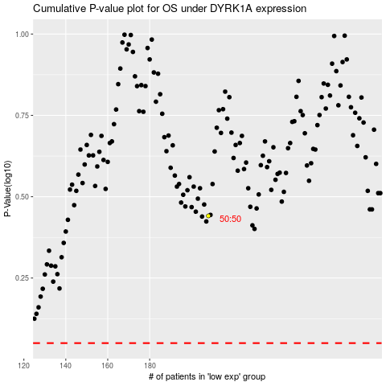

 |  |  |  |  |  | cases_OS | p_OS | rank | exp
 |  |  |  |  |  |  | cases_RFS | p_RFS | rank | exp

