DYRK2 _multivariate
Reported by Tex Li-Hsing Chi. tex@gate.sinica.edu.tw 2019-08-20

Table 2. The clinicopathological features of HNSCC cohort and DYRK2 expression. (Chi square test)
Cutoff at -0.178 (50.0%)
 |  | DYRK2 expression |  | DYRK2 expression |  | (Optimised)
 | Features | Low | (%) | High | (%) | Case no | P-value | Remark | Matthews
Gender | Female | 152 | 36.6 | 154 | 37.1 | 415 | 0.9766 | 0 | 0
2 | Male | 55 | 13.3 | 54 | 13
Age at diagnosis | <=65y | 140 | 33.7 | 134 | 32.3 | 415 | 0.5574 | 0 | 0
4 | >65y | 67 | 16.1 | 74 | 17.8
Clinical T Status | T1+T2 | 68 | 16.4 | 81 | 19.5 | 415 | 0.2336 | 0 | 0
6 | T3+T4 | 139 | 33.5 | 127 | 30.6
Clinical N Status | N0 | 98 | 23.6 | 118 | 28.4 | 415 | 0.0694 | 0 | 0
8 | N1-3 | 109 | 26.3 | 90 | 21.7
Clinical M Status | M0 | 206 | 49.6 | 206 | 49.6 | 415 | 1 | 0 | 0
10 | M1 | 1 | 0.2 | 2 | 0.5
Clinical Stage | Stage I+II | 42 | 10.1 | 60 | 14.5 | 415 | 0.0561 | 0 | 0
12 | Stage III+IV | 165 | 39.8 | 148 | 35.7
Surgical Margin status | Negative | 151 | 36.4 | 167 | 40.2 | 415 | 0.0828 | 0 | 0
14 | Positive | 56 | 13.5 | 41 | 9.9
Tobacco Exposure | Low | 93 | 22.4 | 68 | 16.4 | 415 | 0.0118 | 1 | 0
16 | High | 114 | 27.5 | 140 | 33.7

Table 3. Univariate/Multivariate Cox's proportional hazards regression analyses on OS time of DYRK2 gene expression in HNSCC

 |  | Univariate |  |  |  | Multivariate
 | Features | HR | CI95%(L) | CI95%(H) | P-value | HR | CI95%(L) | CI95%(H) | P-value
1 | Female | 1 |  |  |  | 1
Gender | Male | 1.157 | 0.843 | 1.587 | 0.367 | 1.202 | 0.86 | 1.68 | 0.281
11 | <=65y | 1 |  |  |  | 1
Age at diagnosis | >65y | 1.329 | 0.99 | 1.784 | 0.058 | 1.391 | 1.023 | 1.892 | 0.035
12 | T1+T2 | 1 |  |  |  | 1
Clinical T Status | T3+T4 | 1.409 | 1.028 | 1.931 | 0.033 | 2.203 | 1.165 | 4.166 | 0.015
13 | N0 | 1 |  |  |  | 1
Clinical N Status | N1-3 | 1.185 | 0.89 | 1.577 | 0.246 | 1.241 | 0.87 | 1.771 | 0.234
14 | M0 | 1 |  |  |  | 1
Clinical M Status | M1 | 4.097 | 1.009 | 16.644 | 0.049 | 9.403 | 2.051 | 43.115 | 0.004
15 | Stage I+II | 1 |  |  |  | 1
Clinical Stage | Stage III+IV | 1.245 | 0.882 | 1.759 | 0.213 | 0.505 | 0.235 | 1.083 | 0.079
16 | Negative | 1 |  |  |  | 1
Surgical Margin status | Positive | 1.591 | 1.155 | 2.191 | 0.004 | 1.672 | 1.207 | 2.317 | 0.002
17 | Low | 1 |  |  |  | 1
Tobacco Exposure | High | 1.364 | 1.008 | 1.844 | 0.044 | 1.452 | 1.05 | 2.007 | 0.024
18 | Low | 1 |  |  |  | 1
RNAseq(z-score) | High | 0.972 | 0.73 | 1.294 | 0.846 | 1.004 | 0.748 | 1.347 | 0.98

Table 4. Univariate/Multivariate Cox's proportional hazards regression analyses on RFS time of DYRK2 gene expression in HNSCC

 |  | Univariate |  |  |  | Multivariate
 | Features | HR | CI95%(L) | CI95%(H) | P-value | HR | CI95%(L) | CI95%(H) | P-value
1 | Female | 1 |  |  |  | 1
Gender | Male | 1.157 | 0.843 | 1.587 | 0.367 | 1.202 | 0.86 | 1.68 | 0.281
11 | <=65y | 1 |  |  |  | 1
Age at diagnosis | >65y | 1.329 | 0.99 | 1.784 | 0.058 | 1.391 | 1.023 | 1.892 | 0.035
12 | T1+T2 | 1 |  |  |  | 1
Clinical T Status | T3+T4 | 1.409 | 1.028 | 1.931 | 0.033 | 2.203 | 1.165 | 4.166 | 0.015
13 | N0 | 1 |  |  |  | 1
Clinical N Status | N1-3 | 1.185 | 0.89 | 1.577 | 0.246 | 1.241 | 0.87 | 1.771 | 0.234
14 | M0 | 1 |  |  |  | 1
Clinical M Status | M1 | 4.097 | 1.009 | 16.644 | 0.049 | 9.403 | 2.051 | 43.115 | 0.004
15 | Stage I+II | 1 |  |  |  | 1
Clinical Stage | Stage III+IV | 1.245 | 0.882 | 1.759 | 0.213 | 0.505 | 0.235 | 1.083 | 0.079
16 | Negative | 1 |  |  |  | 1
Surgical Margin status | Positive | 1.591 | 1.155 | 2.191 | 0.004 | 1.672 | 1.207 | 2.317 | 0.002
17 | Low | 1 |  |  |  | 1
Tobacco Exposure | High | 1.364 | 1.008 | 1.844 | 0.044 | 1.452 | 1.05 | 2.007 | 0.024
18 | Low | 1 |  |  |  | 1
RNAseq(z-score) | High | 0.972 | 0.73 | 1.294 | 0.846 | 1.004 | 0.748 | 1.347 | 0.98

Kaplan-Meier survival estimate: Cutoff at -0.178 (50.0%)



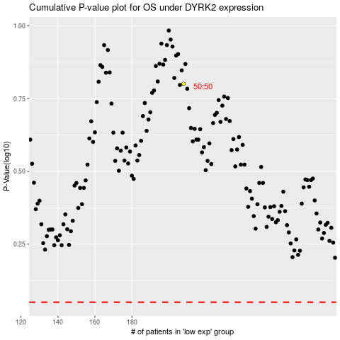

 |  |  |  |  |  | cases_OS | p_OS | rank | exp
 |  |  |  |  |  |  | cases_RFS | p_RFS | rank | exp

