DYSF _multivariate
Reported by Tex Li-Hsing Chi. tex@gate.sinica.edu.tw 2019-08-20

Table 2. The clinicopathological features of HNSCC cohort and DYSF expression. (Chi square test)
Cutoff at -0.269 (50.0%)
 |  | DYSF expression |  | DYSF expression |  | (Optimised)
 | Features | Low | (%) | High | (%) | Case no | P-value | Remark | Matthews
Gender | Female | 159 | 38.3 | 147 | 35.4 | 415 | 0.1905 | 0 | 0
2 | Male | 48 | 11.6 | 61 | 14.7
Age at diagnosis | <=65y | 133 | 32 | 141 | 34 | 415 | 0.5111 | 0 | 0
4 | >65y | 74 | 17.8 | 67 | 16.1
Clinical T Status | T1+T2 | 64 | 15.4 | 85 | 20.5 | 415 | 0.0445 | 1 | 0
6 | T3+T4 | 143 | 34.5 | 123 | 29.6
Clinical N Status | N0 | 104 | 25.1 | 112 | 27 | 415 | 0.5243 | 0 | 0
8 | N1-3 | 103 | 24.8 | 96 | 23.1
Clinical M Status | M0 | 205 | 49.4 | 207 | 49.9 | 415 | 0.6232 | 0 | 0
10 | M1 | 2 | 0.5 | 1 | 0.2
Clinical Stage | Stage I+II | 38 | 9.2 | 64 | 15.4 | 415 | 0.0048 | 1 | 0
12 | Stage III+IV | 169 | 40.7 | 144 | 34.7
Surgical Margin status | Negative | 155 | 37.3 | 163 | 39.3 | 415 | 0.4187 | 0 | 0
14 | Positive | 52 | 12.5 | 45 | 10.8
Tobacco Exposure | Low | 73 | 17.6 | 88 | 21.2 | 415 | 0.1587 | 0 | 0
16 | High | 134 | 32.3 | 120 | 28.9

Table 3. Univariate/Multivariate Cox's proportional hazards regression analyses on OS time of DYSF gene expression in HNSCC

 |  | Univariate |  |  |  | Multivariate
 | Features | HR | CI95%(L) | CI95%(H) | P-value | HR | CI95%(L) | CI95%(H) | P-value
1 | Female | 1 |  |  |  | 1
Gender | Male | 1.157 | 0.843 | 1.587 | 0.367 | 1.197 | 0.857 | 1.67 | 0.292
11 | <=65y | 1 |  |  |  | 1
Age at diagnosis | >65y | 1.329 | 0.99 | 1.784 | 0.058 | 1.408 | 1.034 | 1.916 | 0.03
12 | T1+T2 | 1 |  |  |  | 1
Clinical T Status | T3+T4 | 1.409 | 1.028 | 1.931 | 0.033 | 2.161 | 1.142 | 4.089 | 0.018
13 | N0 | 1 |  |  |  | 1
Clinical N Status | N1-3 | 1.185 | 0.89 | 1.577 | 0.246 | 1.229 | 0.861 | 1.755 | 0.256
14 | M0 | 1 |  |  |  | 1
Clinical M Status | M1 | 4.097 | 1.009 | 16.644 | 0.049 | 9.314 | 2.032 | 42.684 | 0.004
15 | Stage I+II | 1 |  |  |  | 1
Clinical Stage | Stage III+IV | 1.245 | 0.882 | 1.759 | 0.213 | 0.538 | 0.248 | 1.164 | 0.115
16 | Negative | 1 |  |  |  | 1
Surgical Margin status | Positive | 1.591 | 1.155 | 2.191 | 0.004 | 1.676 | 1.213 | 2.314 | 0.002
17 | Low | 1 |  |  |  | 1
Tobacco Exposure | High | 1.364 | 1.008 | 1.844 | 0.044 | 1.471 | 1.067 | 2.028 | 0.018
18 | Low | 1 |  |  |  | 1
RNAseq(z-score) | High | 1.111 | 0.833 | 1.48 | 0.474 | 1.186 | 0.882 | 1.593 | 0.258

Table 4. Univariate/Multivariate Cox's proportional hazards regression analyses on RFS time of DYSF gene expression in HNSCC

 |  | Univariate |  |  |  | Multivariate
 | Features | HR | CI95%(L) | CI95%(H) | P-value | HR | CI95%(L) | CI95%(H) | P-value
1 | Female | 1 |  |  |  | 1
Gender | Male | 1.157 | 0.843 | 1.587 | 0.367 | 1.197 | 0.857 | 1.67 | 0.292
11 | <=65y | 1 |  |  |  | 1
Age at diagnosis | >65y | 1.329 | 0.99 | 1.784 | 0.058 | 1.408 | 1.034 | 1.916 | 0.03
12 | T1+T2 | 1 |  |  |  | 1
Clinical T Status | T3+T4 | 1.409 | 1.028 | 1.931 | 0.033 | 2.161 | 1.142 | 4.089 | 0.018
13 | N0 | 1 |  |  |  | 1
Clinical N Status | N1-3 | 1.185 | 0.89 | 1.577 | 0.246 | 1.229 | 0.861 | 1.755 | 0.256
14 | M0 | 1 |  |  |  | 1
Clinical M Status | M1 | 4.097 | 1.009 | 16.644 | 0.049 | 9.314 | 2.032 | 42.684 | 0.004
15 | Stage I+II | 1 |  |  |  | 1
Clinical Stage | Stage III+IV | 1.245 | 0.882 | 1.759 | 0.213 | 0.538 | 0.248 | 1.164 | 0.115
16 | Negative | 1 |  |  |  | 1
Surgical Margin status | Positive | 1.591 | 1.155 | 2.191 | 0.004 | 1.676 | 1.213 | 2.314 | 0.002
17 | Low | 1 |  |  |  | 1
Tobacco Exposure | High | 1.364 | 1.008 | 1.844 | 0.044 | 1.471 | 1.067 | 2.028 | 0.018
18 | Low | 1 |  |  |  | 1
RNAseq(z-score) | High | 1.111 | 0.833 | 1.48 | 0.474 | 1.186 | 0.882 | 1.593 | 0.258

Kaplan-Meier survival estimate: Cutoff at -0.269 (50.0%)



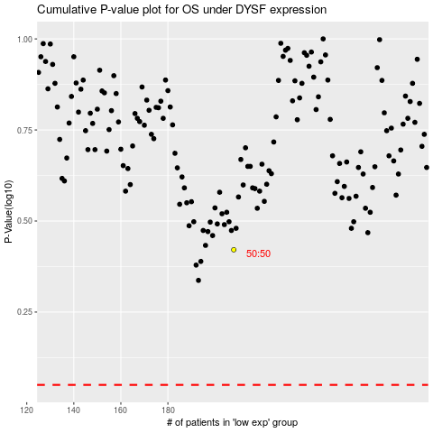

 |  |  |  |  |  | cases_OS | p_OS | rank | exp
 |  |  |  |  |  |  | cases_RFS | p_RFS | rank | exp

