DYX1C1 _multivariate
Reported by Tex Li-Hsing Chi. tex@gate.sinica.edu.tw 2019-08-20

Table 2. The clinicopathological features of HNSCC cohort and DYX1C1 expression. (Chi square test)
Cutoff at -0.431 (30.2%)
 |  | DYX1C1 expression |  | DYX1C1 expression |  | (Optimised)
 | Features | Low | (%) | High | (%) | Case no | P-value | Remark | Matthews
Gender | Female | 95 | 22.9 | 211 | 50.8 | 415 | 0.5708 | 0 | 0
2 | Male | 30 | 7.2 | 79 | 19
Age at diagnosis | <=65y | 86 | 20.7 | 188 | 45.3 | 415 | 0.5023 | 0 | 0
4 | >65y | 39 | 9.4 | 102 | 24.6
Clinical T Status | T1+T2 | 32 | 7.7 | 117 | 28.2 | 415 | 0.0058 | 1 | 0
6 | T3+T4 | 93 | 22.4 | 173 | 41.7
Clinical N Status | N0 | 64 | 15.4 | 152 | 36.6 | 415 | 0.9045 | 0 | 0
8 | N1-3 | 61 | 14.7 | 138 | 33.3
Clinical M Status | M0 | 124 | 29.9 | 288 | 69.4 | 415 | 1 | 0 | 0
10 | M1 | 1 | 0.2 | 2 | 0.5
Clinical Stage | Stage I+II | 22 | 5.3 | 80 | 19.3 | 415 | 0.041 | 1 | 0
12 | Stage III+IV | 103 | 24.8 | 210 | 50.6
Surgical Margin status | Negative | 90 | 21.7 | 228 | 54.9 | 415 | 0.1644 | 0 | 0
14 | Positive | 35 | 8.4 | 62 | 14.9
Tobacco Exposure | Low | 38 | 9.2 | 123 | 29.6 | 415 | 0.0216 | 1 | 0
16 | High | 87 | 21 | 167 | 40.2

Table 3. Univariate/Multivariate Cox's proportional hazards regression analyses on OS time of DYX1C1 gene expression in HNSCC

 |  | Univariate |  |  |  | Multivariate
 | Features | HR | CI95%(L) | CI95%(H) | P-value | HR | CI95%(L) | CI95%(H) | P-value
1 | Female | 1 |  |  |  | 1
Gender | Male | 1.157 | 0.843 | 1.587 | 0.367 | 1.21 | 0.866 | 1.691 | 0.265
11 | <=65y | 1 |  |  |  | 1
Age at diagnosis | >65y | 1.329 | 0.99 | 1.784 | 0.058 | 1.407 | 1.034 | 1.914 | 0.03
12 | T1+T2 | 1 |  |  |  | 1
Clinical T Status | T3+T4 | 1.409 | 1.028 | 1.931 | 0.033 | 2.132 | 1.126 | 4.035 | 0.02
13 | N0 | 1 |  |  |  | 1
Clinical N Status | N1-3 | 1.185 | 0.89 | 1.577 | 0.246 | 1.266 | 0.887 | 1.807 | 0.194
14 | M0 | 1 |  |  |  | 1
Clinical M Status | M1 | 4.097 | 1.009 | 16.644 | 0.049 | 8.88 | 1.933 | 40.798 | 0.005
15 | Stage I+II | 1 |  |  |  | 1
Clinical Stage | Stage III+IV | 1.245 | 0.882 | 1.759 | 0.213 | 0.496 | 0.231 | 1.065 | 0.072
16 | Negative | 1 |  |  |  | 1
Surgical Margin status | Positive | 1.591 | 1.155 | 2.191 | 0.004 | 1.65 | 1.193 | 2.281 | 0.002
17 | Low | 1 |  |  |  | 1
Tobacco Exposure | High | 1.364 | 1.008 | 1.844 | 0.044 | 1.442 | 1.044 | 1.99 | 0.026
18 | Low | 1 |  |  |  | 1
RNAseq(z-score) | High | 0.71 | 0.526 | 0.958 | 0.025 | 0.756 | 0.557 | 1.024 | 0.071

Table 4. Univariate/Multivariate Cox's proportional hazards regression analyses on RFS time of DYX1C1 gene expression in HNSCC

 |  | Univariate |  |  |  | Multivariate
 | Features | HR | CI95%(L) | CI95%(H) | P-value | HR | CI95%(L) | CI95%(H) | P-value
1 | Female | 1 |  |  |  | 1
Gender | Male | 1.157 | 0.843 | 1.587 | 0.367 | 1.21 | 0.866 | 1.691 | 0.265
11 | <=65y | 1 |  |  |  | 1
Age at diagnosis | >65y | 1.329 | 0.99 | 1.784 | 0.058 | 1.407 | 1.034 | 1.914 | 0.03
12 | T1+T2 | 1 |  |  |  | 1
Clinical T Status | T3+T4 | 1.409 | 1.028 | 1.931 | 0.033 | 2.132 | 1.126 | 4.035 | 0.02
13 | N0 | 1 |  |  |  | 1
Clinical N Status | N1-3 | 1.185 | 0.89 | 1.577 | 0.246 | 1.266 | 0.887 | 1.807 | 0.194
14 | M0 | 1 |  |  |  | 1
Clinical M Status | M1 | 4.097 | 1.009 | 16.644 | 0.049 | 8.88 | 1.933 | 40.798 | 0.005
15 | Stage I+II | 1 |  |  |  | 1
Clinical Stage | Stage III+IV | 1.245 | 0.882 | 1.759 | 0.213 | 0.496 | 0.231 | 1.065 | 0.072
16 | Negative | 1 |  |  |  | 1
Surgical Margin status | Positive | 1.591 | 1.155 | 2.191 | 0.004 | 1.65 | 1.193 | 2.281 | 0.002
17 | Low | 1 |  |  |  | 1
Tobacco Exposure | High | 1.364 | 1.008 | 1.844 | 0.044 | 1.442 | 1.044 | 1.99 | 0.026
18 | Low | 1 |  |  |  | 1
RNAseq(z-score) | High | 0.71 | 0.526 | 0.958 | 0.025 | 0.756 | 0.557 | 1.024 | 0.071

Kaplan-Meier survival estimate: Cutoff at -0.431 (30.2%)

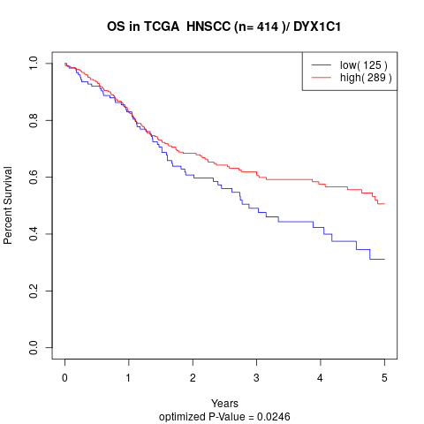

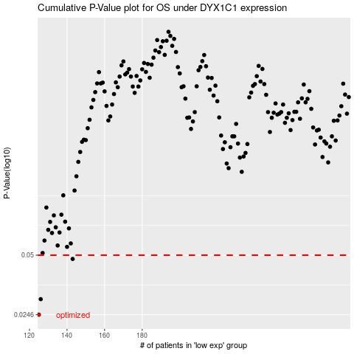

 |  |  |  |  |  | cases_OS | p_OS | rank | exp
 |  |  |  |  |  | 125 | 0.0246 | 305 | -0.43102595515
 |  |  |  |  |  | 126 | 0.0296 | 182 | -0.4269733891
 |  |  |  |  |  | 143 | 0.0478 | 245 | -0.38563721533
 |  |  |  |  |  |  | cases_RFS | p_RFS | rank | exp
 |  |  |  |  |  |  |  | 0.0246 | 313 | -0.43425467719
 |  |  |  |  |  |  | 125 | 0.0296 | 305 | -0.43102595515
 |  |  |  |  |  |  | 142 | 0.0478 | 76 | -0.39423025506

