DZIP3 _multivariate
Reported by Tex Li-Hsing Chi. tex@gate.sinica.edu.tw 2019-08-20

Table 2. The clinicopathological features of HNSCC cohort and DZIP3 expression. (Chi square test)
Cutoff at -0.244 (49.8%)
 |  | DZIP3 expression |  | DZIP3 expression |  | (Optimised)
 | Features | Low | (%) | High | (%) | Case no | P-value | Remark | Matthews
Gender | Female | 150 | 36.1 | 156 | 37.6 | 415 | 0.6344 | 0 | 0
2 | Male | 57 | 13.7 | 52 | 12.5
Age at diagnosis | <=65y | 132 | 31.8 | 142 | 34.2 | 415 | 0.3874 | 0 | 0
4 | >65y | 75 | 18.1 | 66 | 15.9
Clinical T Status | T1+T2 | 66 | 15.9 | 83 | 20 | 415 | 0.1095 | 0 | 0
6 | T3+T4 | 141 | 34 | 125 | 30.1
Clinical N Status | N0 | 109 | 26.3 | 107 | 25.8 | 415 | 0.8812 | 0 | 0
8 | N1-3 | 98 | 23.6 | 101 | 24.3
Clinical M Status | M0 | 205 | 49.4 | 207 | 49.9 | 415 | 0.6232 | 0 | 0
10 | M1 | 2 | 0.5 | 1 | 0.2
Clinical Stage | Stage I+II | 50 | 12 | 52 | 12.5 | 415 | 0.9315 | 0 | 0
12 | Stage III+IV | 157 | 37.8 | 156 | 37.6
Surgical Margin status | Negative | 153 | 36.9 | 165 | 39.8 | 415 | 0.2036 | 0 | 0
14 | Positive | 54 | 13 | 43 | 10.4
Tobacco Exposure | Low | 81 | 19.5 | 80 | 19.3 | 415 | 0.9199 | 0 | 0
16 | High | 126 | 30.4 | 128 | 30.8

Table 3. Univariate/Multivariate Cox's proportional hazards regression analyses on OS time of DZIP3 gene expression in HNSCC

 |  | Univariate |  |  |  | Multivariate
 | Features | HR | CI95%(L) | CI95%(H) | P-value | HR | CI95%(L) | CI95%(H) | P-value
1 | Female | 1 |  |  |  | 1
Gender | Male | 1.157 | 0.843 | 1.587 | 0.367 | 1.202 | 0.861 | 1.679 | 0.28
11 | <=65y | 1 |  |  |  | 1
Age at diagnosis | >65y | 1.329 | 0.99 | 1.784 | 0.058 | 1.392 | 1.024 | 1.893 | 0.035
12 | T1+T2 | 1 |  |  |  | 1
Clinical T Status | T3+T4 | 1.409 | 1.028 | 1.931 | 0.033 | 2.222 | 1.17 | 4.218 | 0.015
13 | N0 | 1 |  |  |  | 1
Clinical N Status | N1-3 | 1.185 | 0.89 | 1.577 | 0.246 | 1.24 | 0.869 | 1.77 | 0.235
14 | M0 | 1 |  |  |  | 1
Clinical M Status | M1 | 4.097 | 1.009 | 16.644 | 0.049 | 9.589 | 2.076 | 44.294 | 0.004
15 | Stage I+II | 1 |  |  |  | 1
Clinical Stage | Stage III+IV | 1.245 | 0.882 | 1.759 | 0.213 | 0.501 | 0.233 | 1.078 | 0.077
16 | Negative | 1 |  |  |  | 1
Surgical Margin status | Positive | 1.591 | 1.155 | 2.191 | 0.004 | 1.682 | 1.213 | 2.333 | 0.002
17 | Low | 1 |  |  |  | 1
Tobacco Exposure | High | 1.364 | 1.008 | 1.844 | 0.044 | 1.452 | 1.054 | 2.001 | 0.022
18 | Low | 1 |  |  |  | 1
RNAseq(z-score) | High | 0.923 | 0.693 | 1.229 | 0.582 | 1.038 | 0.774 | 1.39 | 0.805

Table 4. Univariate/Multivariate Cox's proportional hazards regression analyses on RFS time of DZIP3 gene expression in HNSCC

 |  | Univariate |  |  |  | Multivariate
 | Features | HR | CI95%(L) | CI95%(H) | P-value | HR | CI95%(L) | CI95%(H) | P-value
1 | Female | 1 |  |  |  | 1
Gender | Male | 1.157 | 0.843 | 1.587 | 0.367 | 1.202 | 0.861 | 1.679 | 0.28
11 | <=65y | 1 |  |  |  | 1
Age at diagnosis | >65y | 1.329 | 0.99 | 1.784 | 0.058 | 1.392 | 1.024 | 1.893 | 0.035
12 | T1+T2 | 1 |  |  |  | 1
Clinical T Status | T3+T4 | 1.409 | 1.028 | 1.931 | 0.033 | 2.222 | 1.17 | 4.218 | 0.015
13 | N0 | 1 |  |  |  | 1
Clinical N Status | N1-3 | 1.185 | 0.89 | 1.577 | 0.246 | 1.24 | 0.869 | 1.77 | 0.235
14 | M0 | 1 |  |  |  | 1
Clinical M Status | M1 | 4.097 | 1.009 | 16.644 | 0.049 | 9.589 | 2.076 | 44.294 | 0.004
15 | Stage I+II | 1 |  |  |  | 1
Clinical Stage | Stage III+IV | 1.245 | 0.882 | 1.759 | 0.213 | 0.501 | 0.233 | 1.078 | 0.077
16 | Negative | 1 |  |  |  | 1
Surgical Margin status | Positive | 1.591 | 1.155 | 2.191 | 0.004 | 1.682 | 1.213 | 2.333 | 0.002
17 | Low | 1 |  |  |  | 1
Tobacco Exposure | High | 1.364 | 1.008 | 1.844 | 0.044 | 1.452 | 1.054 | 2.001 | 0.022
18 | Low | 1 |  |  |  | 1
RNAseq(z-score) | High | 0.923 | 0.693 | 1.229 | 0.582 | 1.038 | 0.774 | 1.39 | 0.805

Kaplan-Meier survival estimate: Cutoff at -0.244 (49.8%)



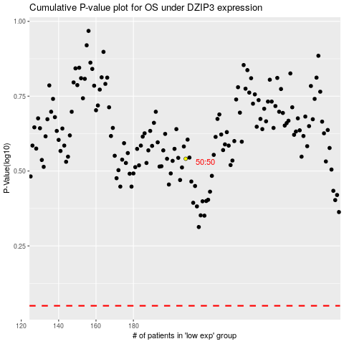

 |  |  |  |  |  | cases_OS | p_OS | rank | exp
 |  |  |  |  |  |  | cases_RFS | p_RFS | rank | exp

