E2F1 _multivariate
Reported by Tex Li-Hsing Chi. tex@gate.sinica.edu.tw 2019-08-20

Table 2. The clinicopathological features of HNSCC cohort and E2F1 expression. (Chi square test)
Cutoff at -0.219 (49.8%)
 |  | E2F1 expression |  | E2F1 expression |  | (Optimised)
 | Features | Low | (%) | High | (%) | Case no | P-value | Remark | Matthews
Gender | Female | 138 | 33.3 | 168 | 40.5 | 415 | 0.0016 | 1 | 0
2 | Male | 69 | 16.6 | 40 | 9.6
Age at diagnosis | <=65y | 131 | 31.6 | 143 | 34.5 | 415 | 0.2839 | 0 | 0
4 | >65y | 76 | 18.3 | 65 | 15.7
Clinical T Status | T1+T2 | 70 | 16.9 | 79 | 19 | 415 | 0.4343 | 0 | 0
6 | T3+T4 | 137 | 33 | 129 | 31.1
Clinical N Status | N0 | 118 | 28.4 | 98 | 23.6 | 415 | 0.0551 | 1 | 0
8 | N1-3 | 89 | 21.4 | 110 | 26.5
Clinical M Status | M0 | 206 | 49.6 | 206 | 49.6 | 415 | 1 | 0 | 0
10 | M1 | 1 | 0.2 | 2 | 0.5
Clinical Stage | Stage I+II | 56 | 13.5 | 46 | 11.1 | 415 | 0.2918 | 0 | 0
12 | Stage III+IV | 151 | 36.4 | 162 | 39
Surgical Margin status | Negative | 171 | 41.2 | 147 | 35.4 | 415 | 0.0052 | 1 | 0
14 | Positive | 36 | 8.7 | 61 | 14.7
Tobacco Exposure | Low | 91 | 21.9 | 70 | 16.9 | 415 | 0.0346 | 1 | 0
16 | High | 116 | 28 | 138 | 33.3

Table 3. Univariate/Multivariate Cox's proportional hazards regression analyses on OS time of E2F1 gene expression in HNSCC

 |  | Univariate |  |  |  | Multivariate
 | Features | HR | CI95%(L) | CI95%(H) | P-value | HR | CI95%(L) | CI95%(H) | P-value
1 | Female | 1 |  |  |  | 1
Gender | Male | 1.157 | 0.843 | 1.587 | 0.367 | 1.202 | 0.857 | 1.686 | 0.287
11 | <=65y | 1 |  |  |  | 1
Age at diagnosis | >65y | 1.329 | 0.99 | 1.784 | 0.058 | 1.392 | 1.023 | 1.892 | 0.035
12 | T1+T2 | 1 |  |  |  | 1
Clinical T Status | T3+T4 | 1.409 | 1.028 | 1.931 | 0.033 | 2.203 | 1.16 | 4.183 | 0.016
13 | N0 | 1 |  |  |  | 1
Clinical N Status | N1-3 | 1.185 | 0.89 | 1.577 | 0.246 | 1.241 | 0.87 | 1.77 | 0.234
14 | M0 | 1 |  |  |  | 1
Clinical M Status | M1 | 4.097 | 1.009 | 16.644 | 0.049 | 9.408 | 2.051 | 43.146 | 0.004
15 | Stage I+II | 1 |  |  |  | 1
Clinical Stage | Stage III+IV | 1.245 | 0.882 | 1.759 | 0.213 | 0.504 | 0.234 | 1.086 | 0.08
16 | Negative | 1 |  |  |  | 1
Surgical Margin status | Positive | 1.591 | 1.155 | 2.191 | 0.004 | 1.671 | 1.202 | 2.323 | 0.002
17 | Low | 1 |  |  |  | 1
Tobacco Exposure | High | 1.364 | 1.008 | 1.844 | 0.044 | 1.453 | 1.052 | 2.006 | 0.023
18 | Low | 1 |  |  |  | 1
RNAseq(z-score) | High | 1.064 | 0.798 | 1.419 | 0.673 | 1.001 | 0.739 | 1.355 | 0.995

Table 4. Univariate/Multivariate Cox's proportional hazards regression analyses on RFS time of E2F1 gene expression in HNSCC

 |  | Univariate |  |  |  | Multivariate
 | Features | HR | CI95%(L) | CI95%(H) | P-value | HR | CI95%(L) | CI95%(H) | P-value
1 | Female | 1 |  |  |  | 1
Gender | Male | 1.157 | 0.843 | 1.587 | 0.367 | 1.202 | 0.857 | 1.686 | 0.287
11 | <=65y | 1 |  |  |  | 1
Age at diagnosis | >65y | 1.329 | 0.99 | 1.784 | 0.058 | 1.392 | 1.023 | 1.892 | 0.035
12 | T1+T2 | 1 |  |  |  | 1
Clinical T Status | T3+T4 | 1.409 | 1.028 | 1.931 | 0.033 | 2.203 | 1.16 | 4.183 | 0.016
13 | N0 | 1 |  |  |  | 1
Clinical N Status | N1-3 | 1.185 | 0.89 | 1.577 | 0.246 | 1.241 | 0.87 | 1.77 | 0.234
14 | M0 | 1 |  |  |  | 1
Clinical M Status | M1 | 4.097 | 1.009 | 16.644 | 0.049 | 9.408 | 2.051 | 43.146 | 0.004
15 | Stage I+II | 1 |  |  |  | 1
Clinical Stage | Stage III+IV | 1.245 | 0.882 | 1.759 | 0.213 | 0.504 | 0.234 | 1.086 | 0.08
16 | Negative | 1 |  |  |  | 1
Surgical Margin status | Positive | 1.591 | 1.155 | 2.191 | 0.004 | 1.671 | 1.202 | 2.323 | 0.002
17 | Low | 1 |  |  |  | 1
Tobacco Exposure | High | 1.364 | 1.008 | 1.844 | 0.044 | 1.453 | 1.052 | 2.006 | 0.023
18 | Low | 1 |  |  |  | 1
RNAseq(z-score) | High | 1.064 | 0.798 | 1.419 | 0.673 | 1.001 | 0.739 | 1.355 | 0.995

Kaplan-Meier survival estimate: Cutoff at -0.219 (49.8%)



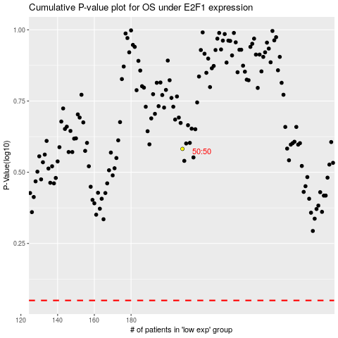

 |  |  |  |  |  | cases_OS | p_OS | rank | exp
 |  |  |  |  |  |  | cases_RFS | p_RFS | rank | exp

