E2F5 _multivariate
Reported by Tex Li-Hsing Chi. tex@gate.sinica.edu.tw 2019-08-20

Table 2. The clinicopathological features of HNSCC cohort and E2F5 expression. (Chi square test)
Cutoff at -0.258 (49.8%)
 |  | E2F5 expression |  | E2F5 expression |  | (Optimised)
 | Features | Low | (%) | High | (%) | Case no | P-value | Remark | Matthews
Gender | Female | 149 | 35.9 | 157 | 37.8 | 415 | 0.4848 | 0 | 0
2 | Male | 58 | 14 | 51 | 12.3
Age at diagnosis | <=65y | 139 | 33.5 | 135 | 32.5 | 415 | 0.7044 | 0 | 0
4 | >65y | 68 | 16.4 | 73 | 17.6
Clinical T Status | T1+T2 | 78 | 18.8 | 71 | 17.1 | 415 | 0.5152 | 0 | 0
6 | T3+T4 | 129 | 31.1 | 137 | 33
Clinical N Status | N0 | 122 | 29.4 | 94 | 22.7 | 415 | 0.0068 | 1 | 0
8 | N1-3 | 85 | 20.5 | 114 | 27.5
Clinical M Status | M0 | 205 | 49.4 | 207 | 49.9 | 415 | 0.6232 | 0 | 0
10 | M1 | 2 | 0.5 | 1 | 0.2
Clinical Stage | Stage I+II | 60 | 14.5 | 42 | 10.1 | 415 | 0.0493 | 1 | 0
12 | Stage III+IV | 147 | 35.4 | 166 | 40
Surgical Margin status | Negative | 162 | 39 | 156 | 37.6 | 415 | 0.4867 | 0 | 0
14 | Positive | 45 | 10.8 | 52 | 12.5
Tobacco Exposure | Low | 94 | 22.7 | 67 | 16.1 | 415 | 0.0065 | 1 | 0
16 | High | 113 | 27.2 | 141 | 34

Table 3. Univariate/Multivariate Cox's proportional hazards regression analyses on OS time of E2F5 gene expression in HNSCC

 |  | Univariate |  |  |  | Multivariate
 | Features | HR | CI95%(L) | CI95%(H) | P-value | HR | CI95%(L) | CI95%(H) | P-value
1 | Female | 1 |  |  |  | 1
Gender | Male | 1.157 | 0.843 | 1.587 | 0.367 | 1.202 | 0.86 | 1.678 | 0.282
11 | <=65y | 1 |  |  |  | 1
Age at diagnosis | >65y | 1.329 | 0.99 | 1.784 | 0.058 | 1.394 | 1.025 | 1.895 | 0.034
12 | T1+T2 | 1 |  |  |  | 1
Clinical T Status | T3+T4 | 1.409 | 1.028 | 1.931 | 0.033 | 2.193 | 1.158 | 4.154 | 0.016
13 | N0 | 1 |  |  |  | 1
Clinical N Status | N1-3 | 1.185 | 0.89 | 1.577 | 0.246 | 1.244 | 0.871 | 1.776 | 0.23
14 | M0 | 1 |  |  |  | 1
Clinical M Status | M1 | 4.097 | 1.009 | 16.644 | 0.049 | 9.288 | 2.014 | 42.843 | 0.004
15 | Stage I+II | 1 |  |  |  | 1
Clinical Stage | Stage III+IV | 1.245 | 0.882 | 1.759 | 0.213 | 0.506 | 0.236 | 1.088 | 0.081
16 | Negative | 1 |  |  |  | 1
Surgical Margin status | Positive | 1.591 | 1.155 | 2.191 | 0.004 | 1.675 | 1.211 | 2.317 | 0.002
17 | Low | 1 |  |  |  | 1
Tobacco Exposure | High | 1.364 | 1.008 | 1.844 | 0.044 | 1.457 | 1.056 | 2.011 | 0.022
18 | Low | 1 |  |  |  | 1
RNAseq(z-score) | High | 1.002 | 0.753 | 1.334 | 0.987 | 0.974 | 0.727 | 1.304 | 0.858

Table 4. Univariate/Multivariate Cox's proportional hazards regression analyses on RFS time of E2F5 gene expression in HNSCC

 |  | Univariate |  |  |  | Multivariate
 | Features | HR | CI95%(L) | CI95%(H) | P-value | HR | CI95%(L) | CI95%(H) | P-value
1 | Female | 1 |  |  |  | 1
Gender | Male | 1.157 | 0.843 | 1.587 | 0.367 | 1.202 | 0.86 | 1.678 | 0.282
11 | <=65y | 1 |  |  |  | 1
Age at diagnosis | >65y | 1.329 | 0.99 | 1.784 | 0.058 | 1.394 | 1.025 | 1.895 | 0.034
12 | T1+T2 | 1 |  |  |  | 1
Clinical T Status | T3+T4 | 1.409 | 1.028 | 1.931 | 0.033 | 2.193 | 1.158 | 4.154 | 0.016
13 | N0 | 1 |  |  |  | 1
Clinical N Status | N1-3 | 1.185 | 0.89 | 1.577 | 0.246 | 1.244 | 0.871 | 1.776 | 0.23
14 | M0 | 1 |  |  |  | 1
Clinical M Status | M1 | 4.097 | 1.009 | 16.644 | 0.049 | 9.288 | 2.014 | 42.843 | 0.004
15 | Stage I+II | 1 |  |  |  | 1
Clinical Stage | Stage III+IV | 1.245 | 0.882 | 1.759 | 0.213 | 0.506 | 0.236 | 1.088 | 0.081
16 | Negative | 1 |  |  |  | 1
Surgical Margin status | Positive | 1.591 | 1.155 | 2.191 | 0.004 | 1.675 | 1.211 | 2.317 | 0.002
17 | Low | 1 |  |  |  | 1
Tobacco Exposure | High | 1.364 | 1.008 | 1.844 | 0.044 | 1.457 | 1.056 | 2.011 | 0.022
18 | Low | 1 |  |  |  | 1
RNAseq(z-score) | High | 1.002 | 0.753 | 1.334 | 0.987 | 0.974 | 0.727 | 1.304 | 0.858

Kaplan-Meier survival estimate: Cutoff at -0.258 (49.8%)



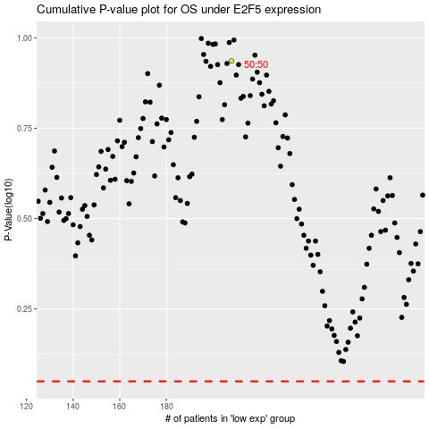

 |  |  |  |  |  | cases_OS | p_OS | rank | exp
 |  |  |  |  |  |  | cases_RFS | p_RFS | rank | exp

