E2F6 _multivariate
Reported by Tex Li-Hsing Chi. tex@gate.sinica.edu.tw 2019-08-20

Table 2. The clinicopathological features of HNSCC cohort and E2F6 expression. (Chi square test)
Cutoff at -0.111 (50.0%)
 |  | E2F6 expression |  | E2F6 expression |  | (Optimised)
 | Features | Low | (%) | High | (%) | Case no | P-value | Remark | Matthews
Gender | Female | 145 | 34.9 | 161 | 38.8 | 415 | 0.1116 | 0 | 0
2 | Male | 62 | 14.9 | 47 | 11.3
Age at diagnosis | <=65y | 120 | 28.9 | 154 | 37.1 | 415 | 8e-04 | 1 | 0
4 | >65y | 87 | 21 | 54 | 13
Clinical T Status | T1+T2 | 78 | 18.8 | 71 | 17.1 | 415 | 0.5152 | 0 | 0
6 | T3+T4 | 129 | 31.1 | 137 | 33
Clinical N Status | N0 | 114 | 27.5 | 102 | 24.6 | 415 | 0.2576 | 1 | 0
8 | N1-3 | 93 | 22.4 | 106 | 25.5
Clinical M Status | M0 | 206 | 49.6 | 206 | 49.6 | 415 | 1 | 0 | 0
10 | M1 | 1 | 0.2 | 2 | 0.5
Clinical Stage | Stage I+II | 58 | 14 | 44 | 10.6 | 415 | 0.131 | 0 | 0
12 | Stage III+IV | 149 | 35.9 | 164 | 39.5
Surgical Margin status | Negative | 165 | 39.8 | 153 | 36.9 | 415 | 0.1639 | 0 | 0
14 | Positive | 42 | 10.1 | 55 | 13.3
Tobacco Exposure | Low | 100 | 24.1 | 61 | 14.7 | 415 | 1e-04 | 1 | 0
16 | High | 107 | 25.8 | 147 | 35.4

Table 3. Univariate/Multivariate Cox's proportional hazards regression analyses on OS time of E2F6 gene expression in HNSCC

 |  | Univariate |  |  |  | Multivariate
 | Features | HR | CI95%(L) | CI95%(H) | P-value | HR | CI95%(L) | CI95%(H) | P-value
1 | Female | 1 |  |  |  | 1
Gender | Male | 1.157 | 0.843 | 1.587 | 0.367 | 1.195 | 0.855 | 1.67 | 0.297
11 | <=65y | 1 |  |  |  | 1
Age at diagnosis | >65y | 1.329 | 0.99 | 1.784 | 0.058 | 1.373 | 1.008 | 1.871 | 0.044
12 | T1+T2 | 1 |  |  |  | 1
Clinical T Status | T3+T4 | 1.409 | 1.028 | 1.931 | 0.033 | 2.183 | 1.154 | 4.129 | 0.016
13 | N0 | 1 |  |  |  | 1
Clinical N Status | N1-3 | 1.185 | 0.89 | 1.577 | 0.246 | 1.246 | 0.873 | 1.778 | 0.225
14 | M0 | 1 |  |  |  | 1
Clinical M Status | M1 | 4.097 | 1.009 | 16.644 | 0.049 | 9.367 | 2.044 | 42.933 | 0.004
15 | Stage I+II | 1 |  |  |  | 1
Clinical Stage | Stage III+IV | 1.245 | 0.882 | 1.759 | 0.213 | 0.515 | 0.239 | 1.108 | 0.089
16 | Negative | 1 |  |  |  | 1
Surgical Margin status | Positive | 1.591 | 1.155 | 2.191 | 0.004 | 1.674 | 1.212 | 2.313 | 0.002
17 | Low | 1 |  |  |  | 1
Tobacco Exposure | High | 1.364 | 1.008 | 1.844 | 0.044 | 1.472 | 1.066 | 2.033 | 0.019
18 | Low | 1 |  |  |  | 1
RNAseq(z-score) | High | 0.917 | 0.686 | 1.226 | 0.558 | 0.899 | 0.666 | 1.214 | 0.487

Table 4. Univariate/Multivariate Cox's proportional hazards regression analyses on RFS time of E2F6 gene expression in HNSCC

 |  | Univariate |  |  |  | Multivariate
 | Features | HR | CI95%(L) | CI95%(H) | P-value | HR | CI95%(L) | CI95%(H) | P-value
1 | Female | 1 |  |  |  | 1
Gender | Male | 1.157 | 0.843 | 1.587 | 0.367 | 1.195 | 0.855 | 1.67 | 0.297
11 | <=65y | 1 |  |  |  | 1
Age at diagnosis | >65y | 1.329 | 0.99 | 1.784 | 0.058 | 1.373 | 1.008 | 1.871 | 0.044
12 | T1+T2 | 1 |  |  |  | 1
Clinical T Status | T3+T4 | 1.409 | 1.028 | 1.931 | 0.033 | 2.183 | 1.154 | 4.129 | 0.016
13 | N0 | 1 |  |  |  | 1
Clinical N Status | N1-3 | 1.185 | 0.89 | 1.577 | 0.246 | 1.246 | 0.873 | 1.778 | 0.225
14 | M0 | 1 |  |  |  | 1
Clinical M Status | M1 | 4.097 | 1.009 | 16.644 | 0.049 | 9.367 | 2.044 | 42.933 | 0.004
15 | Stage I+II | 1 |  |  |  | 1
Clinical Stage | Stage III+IV | 1.245 | 0.882 | 1.759 | 0.213 | 0.515 | 0.239 | 1.108 | 0.089
16 | Negative | 1 |  |  |  | 1
Surgical Margin status | Positive | 1.591 | 1.155 | 2.191 | 0.004 | 1.674 | 1.212 | 2.313 | 0.002
17 | Low | 1 |  |  |  | 1
Tobacco Exposure | High | 1.364 | 1.008 | 1.844 | 0.044 | 1.472 | 1.066 | 2.033 | 0.019
18 | Low | 1 |  |  |  | 1
RNAseq(z-score) | High | 0.917 | 0.686 | 1.226 | 0.558 | 0.899 | 0.666 | 1.214 | 0.487

Kaplan-Meier survival estimate: Cutoff at -0.111 (50.0%)



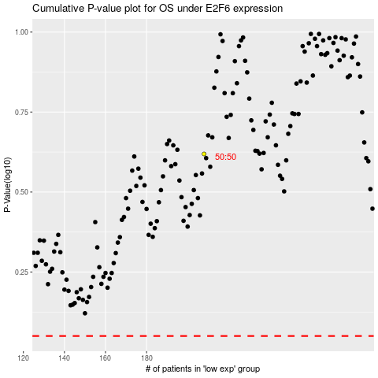

 |  |  |  |  |  | cases_OS | p_OS | rank | exp
 |  |  |  |  |  |  | cases_RFS | p_RFS | rank | exp

