E2F7 _multivariate
Reported by Tex Li-Hsing Chi. tex@gate.sinica.edu.tw 2019-08-20

Table 2. The clinicopathological features of HNSCC cohort and E2F7 expression. (Chi square test)
Cutoff at -0.299 (46.6%)
 |  | E2F7 expression |  | E2F7 expression |  | (Optimised)
 | Features | Low | (%) | High | (%) | Case no | P-value | Remark | Matthews
Gender | Female | 135 | 32.5 | 171 | 41.2 | 415 | 0.0916 | 0 | 0
2 | Male | 59 | 14.2 | 50 | 12
Age at diagnosis | <=65y | 122 | 29.4 | 152 | 36.6 | 415 | 0.2458 | 0 | 0
4 | >65y | 72 | 17.3 | 69 | 16.6
Clinical T Status | T1+T2 | 65 | 15.7 | 84 | 20.2 | 415 | 0.3944 | 0 | 0
6 | T3+T4 | 129 | 31.1 | 137 | 33
Clinical N Status | N0 | 113 | 27.2 | 103 | 24.8 | 415 | 0.0232 | 1 | 0
8 | N1-3 | 81 | 19.5 | 118 | 28.4
Clinical M Status | M0 | 193 | 46.5 | 219 | 52.8 | 415 | 1 | 0 | 0
10 | M1 | 1 | 0.2 | 2 | 0.5
Clinical Stage | Stage I+II | 47 | 11.3 | 55 | 13.3 | 415 | 0.9668 | 0 | 0
12 | Stage III+IV | 147 | 35.4 | 166 | 40
Surgical Margin status | Negative | 154 | 37.1 | 164 | 39.5 | 415 | 0.2453 | 0 | 0
14 | Positive | 40 | 9.6 | 57 | 13.7
Tobacco Exposure | Low | 88 | 21.2 | 73 | 17.6 | 415 | 0.0116 | 1 | 0
16 | High | 106 | 25.5 | 148 | 35.7

Table 3. Univariate/Multivariate Cox's proportional hazards regression analyses on OS time of E2F7 gene expression in HNSCC

 |  | Univariate |  |  |  | Multivariate
 | Features | HR | CI95%(L) | CI95%(H) | P-value | HR | CI95%(L) | CI95%(H) | P-value
1 | Female | 1 |  |  |  | 1
Gender | Male | 1.157 | 0.843 | 1.587 | 0.367 | 1.27 | 0.906 | 1.78 | 0.165
11 | <=65y | 1 |  |  |  | 1
Age at diagnosis | >65y | 1.329 | 0.99 | 1.784 | 0.058 | 1.375 | 1.012 | 1.868 | 0.042
12 | T1+T2 | 1 |  |  |  | 1
Clinical T Status | T3+T4 | 1.409 | 1.028 | 1.931 | 0.033 | 2.347 | 1.238 | 4.448 | 0.009
13 | N0 | 1 |  |  |  | 1
Clinical N Status | N1-3 | 1.185 | 0.89 | 1.577 | 0.246 | 1.194 | 0.836 | 1.707 | 0.33
14 | M0 | 1 |  |  |  | 1
Clinical M Status | M1 | 4.097 | 1.009 | 16.644 | 0.049 | 10.055 | 2.189 | 46.189 | 0.003
15 | Stage I+II | 1 |  |  |  | 1
Clinical Stage | Stage III+IV | 1.245 | 0.882 | 1.759 | 0.213 | 0.49 | 0.228 | 1.051 | 0.067
16 | Negative | 1 |  |  |  | 1
Surgical Margin status | Positive | 1.591 | 1.155 | 2.191 | 0.004 | 1.687 | 1.22 | 2.334 | 0.002
17 | Low | 1 |  |  |  | 1
Tobacco Exposure | High | 1.364 | 1.008 | 1.844 | 0.044 | 1.397 | 1.013 | 1.926 | 0.042
18 | Low | 1 |  |  |  | 1
RNAseq(z-score) | High | 1.403 | 1.045 | 1.882 | 0.024 | 1.442 | 1.065 | 1.952 | 0.018

Table 4. Univariate/Multivariate Cox's proportional hazards regression analyses on RFS time of E2F7 gene expression in HNSCC

 |  | Univariate |  |  |  | Multivariate
 | Features | HR | CI95%(L) | CI95%(H) | P-value | HR | CI95%(L) | CI95%(H) | P-value
1 | Female | 1 |  |  |  | 1
Gender | Male | 1.157 | 0.843 | 1.587 | 0.367 | 1.27 | 0.906 | 1.78 | 0.165
11 | <=65y | 1 |  |  |  | 1
Age at diagnosis | >65y | 1.329 | 0.99 | 1.784 | 0.058 | 1.375 | 1.012 | 1.868 | 0.042
12 | T1+T2 | 1 |  |  |  | 1
Clinical T Status | T3+T4 | 1.409 | 1.028 | 1.931 | 0.033 | 2.347 | 1.238 | 4.448 | 0.009
13 | N0 | 1 |  |  |  | 1
Clinical N Status | N1-3 | 1.185 | 0.89 | 1.577 | 0.246 | 1.194 | 0.836 | 1.707 | 0.33
14 | M0 | 1 |  |  |  | 1
Clinical M Status | M1 | 4.097 | 1.009 | 16.644 | 0.049 | 10.055 | 2.189 | 46.189 | 0.003
15 | Stage I+II | 1 |  |  |  | 1
Clinical Stage | Stage III+IV | 1.245 | 0.882 | 1.759 | 0.213 | 0.49 | 0.228 | 1.051 | 0.067
16 | Negative | 1 |  |  |  | 1
Surgical Margin status | Positive | 1.591 | 1.155 | 2.191 | 0.004 | 1.687 | 1.22 | 2.334 | 0.002
17 | Low | 1 |  |  |  | 1
Tobacco Exposure | High | 1.364 | 1.008 | 1.844 | 0.044 | 1.397 | 1.013 | 1.926 | 0.042
18 | Low | 1 |  |  |  | 1
RNAseq(z-score) | High | 1.403 | 1.045 | 1.882 | 0.024 | 1.442 | 1.065 | 1.952 | 0.018

Kaplan-Meier survival estimate: Cutoff at -0.299 (46.6%)

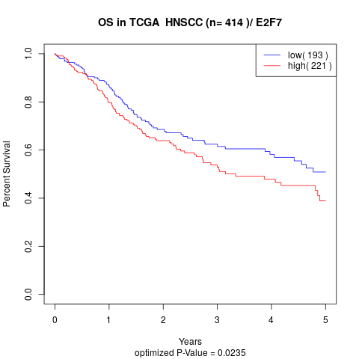

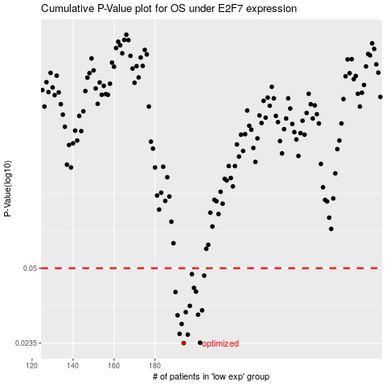

 |  |  |  |  |  | cases_OS | p_OS | rank | exp
 |  |  |  |  |  | 194 | 0.0235 | 133 | -0.29919927685
 |  |  |  |  |  | 202 | 0.0236 | 2 | -0.26214633856
 |  |  |  |  |  | 196 | 0.0256 | 302 | -0.28413554345
 |  |  |  |  |  | 192 | 0.0258 | 254 | -0.30060870662
 |  |  |  |  |  | 193 | 0.0285 | 234 | -0.30048485642
 |  |  |  |  |  | 191 | 0.0311 | 95 | -0.30493151321
 |  |  |  |  |  | 201 | 0.0313 | 122 | -0.26558770834
 |  |  |  |  |  | 195 | 0.0321 | 130 | -0.292803609
 |  |  |  |  |  | 203 | 0.0327 | 398 | -0.25989711751
 |  |  |  |  |  | 197 | 0.0342 | 222 | -0.28019623792
 |  |  |  |  |  | 190 | 0.0393 | 151 | -0.30649919602
 |  |  |  |  |  | 200 | 0.0395 | 149 | -0.26890703858
 |  |  |  |  |  | 199 | 0.041 | 94 | -0.27179216886
 |  |  |  |  |  | 204 | 0.0464 | 387 | -0.25787060954
 |  |  |  |  |  | 198 | 0.0471 | 269 | -0.27524838617
 |  |  |  |  |  |  | cases_RFS | p_RFS | rank | exp
 |  |  |  |  |  |  | 193 | 0.0235 | 234 | -0.30048485642
 |  |  |  |  |  |  | 201 | 0.0236 | 122 | -0.26558770834
 |  |  |  |  |  |  | 195 | 0.0256 | 130 | -0.292803609
 |  |  |  |  |  |  | 191 | 0.0258 | 95 | -0.30493151321
 |  |  |  |  |  |  | 192 | 0.0285 | 254 | -0.30060870662
 |  |  |  |  |  |  | 190 | 0.0311 | 151 | -0.30649919602
 |  |  |  |  |  |  | 200 | 0.0313 | 149 | -0.26890703858
 |  |  |  |  |  |  | 194 | 0.0321 | 133 | -0.29919927685
 |  |  |  |  |  |  | 202 | 0.0327 | 2 | -0.26214633856
 |  |  |  |  |  |  | 196 | 0.0342 | 302 | -0.28413554345
 |  |  |  |  |  |  | 189 | 0.0393 | 175 | -0.30825374054
 |  |  |  |  |  |  | 199 | 0.0395 | 94 | -0.27179216886
 |  |  |  |  |  |  | 198 | 0.041 | 269 | -0.27524838617
 |  |  |  |  |  |  | 203 | 0.0464 | 398 | -0.25989711751
 |  |  |  |  |  |  | 197 | 0.0471 | 222 | -0.28019623792

