E2F8 _multivariate
Reported by Tex Li-Hsing Chi. tex@gate.sinica.edu.tw 2019-08-20

Table 2. The clinicopathological features of HNSCC cohort and E2F8 expression. (Chi square test)
Cutoff at -0.303 (49.8%)
 |  | E2F8 expression |  | E2F8 expression |  | (Optimised)
 | Features | Low | (%) | High | (%) | Case no | P-value | Remark | Matthews
Gender | Female | 141 | 34 | 165 | 39.8 | 415 | 0.013 | 1 | 0
2 | Male | 66 | 15.9 | 43 | 10.4
Age at diagnosis | <=65y | 131 | 31.6 | 143 | 34.5 | 415 | 0.2839 | 0 | 0
4 | >65y | 76 | 18.3 | 65 | 15.7
Clinical T Status | T1+T2 | 67 | 16.1 | 82 | 19.8 | 415 | 0.1628 | 0 | 0
6 | T3+T4 | 140 | 33.7 | 126 | 30.4
Clinical N Status | N0 | 118 | 28.4 | 98 | 23.6 | 415 | 0.0551 | 1 | 0
8 | N1-3 | 89 | 21.4 | 110 | 26.5
Clinical M Status | M0 | 205 | 49.4 | 207 | 49.9 | 415 | 0.6232 | 0 | 0
10 | M1 | 2 | 0.5 | 1 | 0.2
Clinical Stage | Stage I+II | 52 | 12.5 | 50 | 12 | 415 | 0.8871 | 0 | 0
12 | Stage III+IV | 155 | 37.3 | 158 | 38.1
Surgical Margin status | Negative | 161 | 38.8 | 157 | 37.8 | 415 | 0.6429 | 0 | 0
14 | Positive | 46 | 11.1 | 51 | 12.3
Tobacco Exposure | Low | 85 | 20.5 | 76 | 18.3 | 415 | 0.3655 | 0 | 0
16 | High | 122 | 29.4 | 132 | 31.8

Table 3. Univariate/Multivariate Cox's proportional hazards regression analyses on OS time of E2F8 gene expression in HNSCC

 |  | Univariate |  |  |  | Multivariate
 | Features | HR | CI95%(L) | CI95%(H) | P-value | HR | CI95%(L) | CI95%(H) | P-value
1 | Female | 1 |  |  |  | 1
Gender | Male | 1.157 | 0.843 | 1.587 | 0.367 | 1.213 | 0.864 | 1.702 | 0.264
11 | <=65y | 1 |  |  |  | 1
Age at diagnosis | >65y | 1.329 | 0.99 | 1.784 | 0.058 | 1.393 | 1.024 | 1.894 | 0.034
12 | T1+T2 | 1 |  |  |  | 1
Clinical T Status | T3+T4 | 1.409 | 1.028 | 1.931 | 0.033 | 2.225 | 1.174 | 4.218 | 0.014
13 | N0 | 1 |  |  |  | 1
Clinical N Status | N1-3 | 1.185 | 0.89 | 1.577 | 0.246 | 1.238 | 0.867 | 1.767 | 0.24
14 | M0 | 1 |  |  |  | 1
Clinical M Status | M1 | 4.097 | 1.009 | 16.644 | 0.049 | 9.585 | 2.083 | 44.107 | 0.004
15 | Stage I+II | 1 |  |  |  | 1
Clinical Stage | Stage III+IV | 1.245 | 0.882 | 1.759 | 0.213 | 0.5 | 0.233 | 1.076 | 0.076
16 | Negative | 1 |  |  |  | 1
Surgical Margin status | Positive | 1.591 | 1.155 | 2.191 | 0.004 | 1.667 | 1.206 | 2.305 | 0.002
17 | Low | 1 |  |  |  | 1
Tobacco Exposure | High | 1.364 | 1.008 | 1.844 | 0.044 | 1.457 | 1.057 | 2.008 | 0.022
18 | Low | 1 |  |  |  | 1
RNAseq(z-score) | High | 0.99 | 0.743 | 1.318 | 0.944 | 1.052 | 0.784 | 1.412 | 0.737

Table 4. Univariate/Multivariate Cox's proportional hazards regression analyses on RFS time of E2F8 gene expression in HNSCC

 |  | Univariate |  |  |  | Multivariate
 | Features | HR | CI95%(L) | CI95%(H) | P-value | HR | CI95%(L) | CI95%(H) | P-value
1 | Female | 1 |  |  |  | 1
Gender | Male | 1.157 | 0.843 | 1.587 | 0.367 | 1.213 | 0.864 | 1.702 | 0.264
11 | <=65y | 1 |  |  |  | 1
Age at diagnosis | >65y | 1.329 | 0.99 | 1.784 | 0.058 | 1.393 | 1.024 | 1.894 | 0.034
12 | T1+T2 | 1 |  |  |  | 1
Clinical T Status | T3+T4 | 1.409 | 1.028 | 1.931 | 0.033 | 2.225 | 1.174 | 4.218 | 0.014
13 | N0 | 1 |  |  |  | 1
Clinical N Status | N1-3 | 1.185 | 0.89 | 1.577 | 0.246 | 1.238 | 0.867 | 1.767 | 0.24
14 | M0 | 1 |  |  |  | 1
Clinical M Status | M1 | 4.097 | 1.009 | 16.644 | 0.049 | 9.585 | 2.083 | 44.107 | 0.004
15 | Stage I+II | 1 |  |  |  | 1
Clinical Stage | Stage III+IV | 1.245 | 0.882 | 1.759 | 0.213 | 0.5 | 0.233 | 1.076 | 0.076
16 | Negative | 1 |  |  |  | 1
Surgical Margin status | Positive | 1.591 | 1.155 | 2.191 | 0.004 | 1.667 | 1.206 | 2.305 | 0.002
17 | Low | 1 |  |  |  | 1
Tobacco Exposure | High | 1.364 | 1.008 | 1.844 | 0.044 | 1.457 | 1.057 | 2.008 | 0.022
18 | Low | 1 |  |  |  | 1
RNAseq(z-score) | High | 0.99 | 0.743 | 1.318 | 0.944 | 1.052 | 0.784 | 1.412 | 0.737

Kaplan-Meier survival estimate: Cutoff at -0.303 (49.8%)



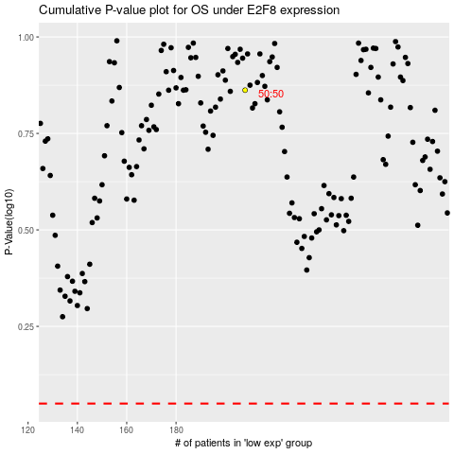

 |  |  |  |  |  | cases_OS | p_OS | rank | exp
 |  |  |  |  |  |  | cases_RFS | p_RFS | rank | exp

