EAF2 _multivariate
Reported by Tex Li-Hsing Chi. tex@gate.sinica.edu.tw 2019-08-20

Table 2. The clinicopathological features of HNSCC cohort and EAF2 expression. (Chi square test)
Cutoff at -0.274 (50.0%)
 |  | EAF2 expression |  | EAF2 expression |  | (Optimised)
 | Features | Low | (%) | High | (%) | Case no | P-value | Remark | Matthews
Gender | Female | 145 | 34.9 | 161 | 38.8 | 415 | 0.1116 | 0 | 0
2 | Male | 62 | 14.9 | 47 | 11.3
Age at diagnosis | <=65y | 138 | 33.3 | 136 | 32.8 | 415 | 0.8634 | 0 | 0
4 | >65y | 69 | 16.6 | 72 | 17.3
Clinical T Status | T1+T2 | 71 | 17.1 | 78 | 18.8 | 415 | 0.5638 | 0 | 0
6 | T3+T4 | 136 | 32.8 | 130 | 31.3
Clinical N Status | N0 | 106 | 25.5 | 110 | 26.5 | 415 | 0.8075 | 0 | 0
8 | N1-3 | 101 | 24.3 | 98 | 23.6
Clinical M Status | M0 | 207 | 49.9 | 205 | 49.4 | 415 | 0.2482 | 0 | 0
10 | M1 | 0 | 0 | 3 | 0.7
Clinical Stage | Stage I+II | 53 | 12.8 | 49 | 11.8 | 415 | 0.7113 | 0 | 0
12 | Stage III+IV | 154 | 37.1 | 159 | 38.3
Surgical Margin status | Negative | 161 | 38.8 | 157 | 37.8 | 415 | 0.6429 | 0 | 0
14 | Positive | 46 | 11.1 | 51 | 12.3
Tobacco Exposure | Low | 78 | 18.8 | 83 | 20 | 415 | 0.6873 | 0 | 0
16 | High | 129 | 31.1 | 125 | 30.1

Table 3. Univariate/Multivariate Cox's proportional hazards regression analyses on OS time of EAF2 gene expression in HNSCC

 |  | Univariate |  |  |  | Multivariate
 | Features | HR | CI95%(L) | CI95%(H) | P-value | HR | CI95%(L) | CI95%(H) | P-value
1 | Female | 1 |  |  |  | 1
Gender | Male | 1.157 | 0.843 | 1.587 | 0.367 | 1.179 | 0.843 | 1.65 | 0.336
11 | <=65y | 1 |  |  |  | 1
Age at diagnosis | >65y | 1.329 | 0.99 | 1.784 | 0.058 | 1.395 | 1.026 | 1.897 | 0.034
12 | T1+T2 | 1 |  |  |  | 1
Clinical T Status | T3+T4 | 1.409 | 1.028 | 1.931 | 0.033 | 2.151 | 1.136 | 4.072 | 0.019
13 | N0 | 1 |  |  |  | 1
Clinical N Status | N1-3 | 1.185 | 0.89 | 1.577 | 0.246 | 1.227 | 0.859 | 1.752 | 0.261
14 | M0 | 1 |  |  |  | 1
Clinical M Status | M1 | 4.097 | 1.009 | 16.644 | 0.049 | 10.014 | 2.174 | 46.129 | 0.003
15 | Stage I+II | 1 |  |  |  | 1
Clinical Stage | Stage III+IV | 1.245 | 0.882 | 1.759 | 0.213 | 0.516 | 0.24 | 1.109 | 0.09
16 | Negative | 1 |  |  |  | 1
Surgical Margin status | Positive | 1.591 | 1.155 | 2.191 | 0.004 | 1.698 | 1.227 | 2.349 | 0.001
17 | Low | 1 |  |  |  | 1
Tobacco Exposure | High | 1.364 | 1.008 | 1.844 | 0.044 | 1.459 | 1.059 | 2.011 | 0.021
18 | Low | 1 |  |  |  | 1
RNAseq(z-score) | High | 0.868 | 0.651 | 1.156 | 0.332 | 0.857 | 0.639 | 1.149 | 0.303

Table 4. Univariate/Multivariate Cox's proportional hazards regression analyses on RFS time of EAF2 gene expression in HNSCC

 |  | Univariate |  |  |  | Multivariate
 | Features | HR | CI95%(L) | CI95%(H) | P-value | HR | CI95%(L) | CI95%(H) | P-value
1 | Female | 1 |  |  |  | 1
Gender | Male | 1.157 | 0.843 | 1.587 | 0.367 | 1.179 | 0.843 | 1.65 | 0.336
11 | <=65y | 1 |  |  |  | 1
Age at diagnosis | >65y | 1.329 | 0.99 | 1.784 | 0.058 | 1.395 | 1.026 | 1.897 | 0.034
12 | T1+T2 | 1 |  |  |  | 1
Clinical T Status | T3+T4 | 1.409 | 1.028 | 1.931 | 0.033 | 2.151 | 1.136 | 4.072 | 0.019
13 | N0 | 1 |  |  |  | 1
Clinical N Status | N1-3 | 1.185 | 0.89 | 1.577 | 0.246 | 1.227 | 0.859 | 1.752 | 0.261
14 | M0 | 1 |  |  |  | 1
Clinical M Status | M1 | 4.097 | 1.009 | 16.644 | 0.049 | 10.014 | 2.174 | 46.129 | 0.003
15 | Stage I+II | 1 |  |  |  | 1
Clinical Stage | Stage III+IV | 1.245 | 0.882 | 1.759 | 0.213 | 0.516 | 0.24 | 1.109 | 0.09
16 | Negative | 1 |  |  |  | 1
Surgical Margin status | Positive | 1.591 | 1.155 | 2.191 | 0.004 | 1.698 | 1.227 | 2.349 | 0.001
17 | Low | 1 |  |  |  | 1
Tobacco Exposure | High | 1.364 | 1.008 | 1.844 | 0.044 | 1.459 | 1.059 | 2.011 | 0.021
18 | Low | 1 |  |  |  | 1
RNAseq(z-score) | High | 0.868 | 0.651 | 1.156 | 0.332 | 0.857 | 0.639 | 1.149 | 0.303

Kaplan-Meier survival estimate: Cutoff at -0.274 (50.0%)



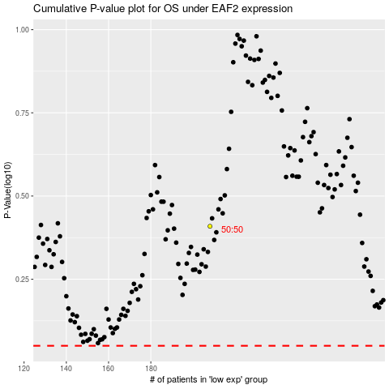

 |  |  |  |  |  | cases_OS | p_OS | rank | exp
 |  |  |  |  |  |  | cases_RFS | p_RFS | rank | exp

