EBAG9 _multivariate
Reported by Tex Li-Hsing Chi. tex@gate.sinica.edu.tw 2019-08-20

Table 2. The clinicopathological features of HNSCC cohort and EBAG9 expression. (Chi square test)
Cutoff at -0.15 (50.0%)
 |  | EBAG9 expression |  | EBAG9 expression |  | (Optimised)
 | Features | Low | (%) | High | (%) | Case no | P-value | Remark | Matthews
Gender | Female | 150 | 36.1 | 156 | 37.6 | 415 | 0.6344 | 0 | 0
2 | Male | 57 | 13.7 | 52 | 12.5
Age at diagnosis | <=65y | 131 | 31.6 | 143 | 34.5 | 415 | 0.2839 | 0 | 0
4 | >65y | 76 | 18.3 | 65 | 15.7
Clinical T Status | T1+T2 | 72 | 17.3 | 77 | 18.6 | 415 | 0.7095 | 0 | 0
6 | T3+T4 | 135 | 32.5 | 131 | 31.6
Clinical N Status | N0 | 107 | 25.8 | 109 | 26.3 | 415 | 0.9624 | 0 | 0
8 | N1-3 | 100 | 24.1 | 99 | 23.9
Clinical M Status | M0 | 207 | 49.9 | 205 | 49.4 | 415 | 0.2482 | 0 | 0
10 | M1 | 0 | 0 | 3 | 0.7
Clinical Stage | Stage I+II | 47 | 11.3 | 55 | 13.3 | 415 | 0.4413 | 0 | 0
12 | Stage III+IV | 160 | 38.6 | 153 | 36.9
Surgical Margin status | Negative | 160 | 38.6 | 158 | 38.1 | 415 | 0.8167 | 0 | 0
14 | Positive | 47 | 11.3 | 50 | 12
Tobacco Exposure | Low | 82 | 19.8 | 79 | 19 | 415 | 0.763 | 0 | 0
16 | High | 125 | 30.1 | 129 | 31.1

Table 3. Univariate/Multivariate Cox's proportional hazards regression analyses on OS time of EBAG9 gene expression in HNSCC

 |  | Univariate |  |  |  | Multivariate
 | Features | HR | CI95%(L) | CI95%(H) | P-value | HR | CI95%(L) | CI95%(H) | P-value
1 | Female | 1 |  |  |  | 1
Gender | Male | 1.157 | 0.843 | 1.587 | 0.367 | 1.195 | 0.855 | 1.67 | 0.296
11 | <=65y | 1 |  |  |  | 1
Age at diagnosis | >65y | 1.329 | 0.99 | 1.784 | 0.058 | 1.41 | 1.037 | 1.918 | 0.028
12 | T1+T2 | 1 |  |  |  | 1
Clinical T Status | T3+T4 | 1.409 | 1.028 | 1.931 | 0.033 | 2.173 | 1.149 | 4.11 | 0.017
13 | N0 | 1 |  |  |  | 1
Clinical N Status | N1-3 | 1.185 | 0.89 | 1.577 | 0.246 | 1.242 | 0.871 | 1.773 | 0.232
14 | M0 | 1 |  |  |  | 1
Clinical M Status | M1 | 4.097 | 1.009 | 16.644 | 0.049 | 8.501 | 1.838 | 39.314 | 0.006
15 | Stage I+II | 1 |  |  |  | 1
Clinical Stage | Stage III+IV | 1.245 | 0.882 | 1.759 | 0.213 | 0.52 | 0.242 | 1.119 | 0.094
16 | Negative | 1 |  |  |  | 1
Surgical Margin status | Positive | 1.591 | 1.155 | 2.191 | 0.004 | 1.646 | 1.19 | 2.277 | 0.003
17 | Low | 1 |  |  |  | 1
Tobacco Exposure | High | 1.364 | 1.008 | 1.844 | 0.044 | 1.443 | 1.048 | 1.988 | 0.025
18 | Low | 1 |  |  |  | 1
RNAseq(z-score) | High | 1.21 | 0.908 | 1.611 | 0.193 | 1.186 | 0.886 | 1.587 | 0.252

Table 4. Univariate/Multivariate Cox's proportional hazards regression analyses on RFS time of EBAG9 gene expression in HNSCC

 |  | Univariate |  |  |  | Multivariate
 | Features | HR | CI95%(L) | CI95%(H) | P-value | HR | CI95%(L) | CI95%(H) | P-value
1 | Female | 1 |  |  |  | 1
Gender | Male | 1.157 | 0.843 | 1.587 | 0.367 | 1.195 | 0.855 | 1.67 | 0.296
11 | <=65y | 1 |  |  |  | 1
Age at diagnosis | >65y | 1.329 | 0.99 | 1.784 | 0.058 | 1.41 | 1.037 | 1.918 | 0.028
12 | T1+T2 | 1 |  |  |  | 1
Clinical T Status | T3+T4 | 1.409 | 1.028 | 1.931 | 0.033 | 2.173 | 1.149 | 4.11 | 0.017
13 | N0 | 1 |  |  |  | 1
Clinical N Status | N1-3 | 1.185 | 0.89 | 1.577 | 0.246 | 1.242 | 0.871 | 1.773 | 0.232
14 | M0 | 1 |  |  |  | 1
Clinical M Status | M1 | 4.097 | 1.009 | 16.644 | 0.049 | 8.501 | 1.838 | 39.314 | 0.006
15 | Stage I+II | 1 |  |  |  | 1
Clinical Stage | Stage III+IV | 1.245 | 0.882 | 1.759 | 0.213 | 0.52 | 0.242 | 1.119 | 0.094
16 | Negative | 1 |  |  |  | 1
Surgical Margin status | Positive | 1.591 | 1.155 | 2.191 | 0.004 | 1.646 | 1.19 | 2.277 | 0.003
17 | Low | 1 |  |  |  | 1
Tobacco Exposure | High | 1.364 | 1.008 | 1.844 | 0.044 | 1.443 | 1.048 | 1.988 | 0.025
18 | Low | 1 |  |  |  | 1
RNAseq(z-score) | High | 1.21 | 0.908 | 1.611 | 0.193 | 1.186 | 0.886 | 1.587 | 0.252

Kaplan-Meier survival estimate: Cutoff at -0.15 (50.0%)



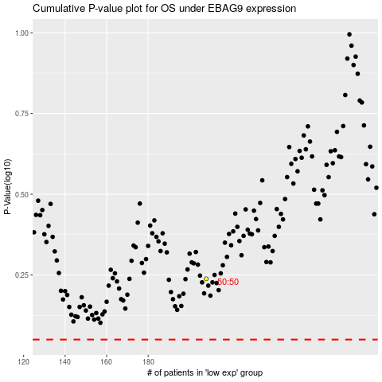

 |  |  |  |  |  | cases_OS | p_OS | rank | exp
 |  |  |  |  |  |  | cases_RFS | p_RFS | rank | exp

