EBI3 _multivariate
Reported by Tex Li-Hsing Chi. tex@gate.sinica.edu.tw 2019-08-20

Table 2. The clinicopathological features of HNSCC cohort and EBI3 expression. (Chi square test)
Cutoff at -0.178 (56.3%)
 |  | EBI3 expression |  | EBI3 expression |  | (Optimised)
 | Features | Low | (%) | High | (%) | Case no | P-value | Remark | Matthews
Gender | Female | 181 | 43.6 | 125 | 30.1 | 415 | 0.0506 | 0 | 0
2 | Male | 52 | 12.5 | 57 | 13.7
Age at diagnosis | <=65y | 153 | 36.9 | 121 | 29.2 | 415 | 0.944 | 0 | 0
4 | >65y | 80 | 19.3 | 61 | 14.7
Clinical T Status | T1+T2 | 77 | 18.6 | 72 | 17.3 | 415 | 0.2043 | 0 | 0
6 | T3+T4 | 156 | 37.6 | 110 | 26.5
Clinical N Status | N0 | 131 | 31.6 | 85 | 20.5 | 415 | 0.0677 | 0 | 0
8 | N1-3 | 102 | 24.6 | 97 | 23.4
Clinical M Status | M0 | 231 | 55.7 | 181 | 43.6 | 415 | 1 | 0 | 0
10 | M1 | 2 | 0.5 | 1 | 0.2
Clinical Stage | Stage I+II | 59 | 14.2 | 43 | 10.4 | 415 | 0.777 | 0 | 0
12 | Stage III+IV | 174 | 41.9 | 139 | 33.5
Surgical Margin status | Negative | 177 | 42.7 | 141 | 34 | 415 | 0.7277 | 0 | 0
14 | Positive | 56 | 13.5 | 41 | 9.9
Tobacco Exposure | Low | 85 | 20.5 | 76 | 18.3 | 415 | 0.3102 | 0 | 0
16 | High | 148 | 35.7 | 106 | 25.5

Table 3. Univariate/Multivariate Cox's proportional hazards regression analyses on OS time of EBI3 gene expression in HNSCC

 |  | Univariate |  |  |  | Multivariate
 | Features | HR | CI95%(L) | CI95%(H) | P-value | HR | CI95%(L) | CI95%(H) | P-value
1 | Female | 1 |  |  |  | 1
Gender | Male | 1.157 | 0.843 | 1.587 | 0.367 | 1.225 | 0.876 | 1.714 | 0.235
11 | <=65y | 1 |  |  |  | 1
Age at diagnosis | >65y | 1.329 | 0.99 | 1.784 | 0.058 | 1.399 | 1.03 | 1.902 | 0.032
12 | T1+T2 | 1 |  |  |  | 1
Clinical T Status | T3+T4 | 1.409 | 1.028 | 1.931 | 0.033 | 2.118 | 1.119 | 4.009 | 0.021
13 | N0 | 1 |  |  |  | 1
Clinical N Status | N1-3 | 1.185 | 0.89 | 1.577 | 0.246 | 1.274 | 0.892 | 1.819 | 0.183
14 | M0 | 1 |  |  |  | 1
Clinical M Status | M1 | 4.097 | 1.009 | 16.644 | 0.049 | 9.011 | 1.964 | 41.339 | 0.005
15 | Stage I+II | 1 |  |  |  | 1
Clinical Stage | Stage III+IV | 1.245 | 0.882 | 1.759 | 0.213 | 0.512 | 0.238 | 1.099 | 0.086
16 | Negative | 1 |  |  |  | 1
Surgical Margin status | Positive | 1.591 | 1.155 | 2.191 | 0.004 | 1.687 | 1.22 | 2.332 | 0.002
17 | Low | 1 |  |  |  | 1
Tobacco Exposure | High | 1.364 | 1.008 | 1.844 | 0.044 | 1.42 | 1.028 | 1.961 | 0.033
18 | Low | 1 |  |  |  | 1
RNAseq(z-score) | High | 0.743 | 0.553 | 0.996 | 0.047 | 0.753 | 0.559 | 1.015 | 0.063

Table 4. Univariate/Multivariate Cox's proportional hazards regression analyses on RFS time of EBI3 gene expression in HNSCC

 |  | Univariate |  |  |  | Multivariate
 | Features | HR | CI95%(L) | CI95%(H) | P-value | HR | CI95%(L) | CI95%(H) | P-value
1 | Female | 1 |  |  |  | 1
Gender | Male | 1.157 | 0.843 | 1.587 | 0.367 | 1.225 | 0.876 | 1.714 | 0.235
11 | <=65y | 1 |  |  |  | 1
Age at diagnosis | >65y | 1.329 | 0.99 | 1.784 | 0.058 | 1.399 | 1.03 | 1.902 | 0.032
12 | T1+T2 | 1 |  |  |  | 1
Clinical T Status | T3+T4 | 1.409 | 1.028 | 1.931 | 0.033 | 2.118 | 1.119 | 4.009 | 0.021
13 | N0 | 1 |  |  |  | 1
Clinical N Status | N1-3 | 1.185 | 0.89 | 1.577 | 0.246 | 1.274 | 0.892 | 1.819 | 0.183
14 | M0 | 1 |  |  |  | 1
Clinical M Status | M1 | 4.097 | 1.009 | 16.644 | 0.049 | 9.011 | 1.964 | 41.339 | 0.005
15 | Stage I+II | 1 |  |  |  | 1
Clinical Stage | Stage III+IV | 1.245 | 0.882 | 1.759 | 0.213 | 0.512 | 0.238 | 1.099 | 0.086
16 | Negative | 1 |  |  |  | 1
Surgical Margin status | Positive | 1.591 | 1.155 | 2.191 | 0.004 | 1.687 | 1.22 | 2.332 | 0.002
17 | Low | 1 |  |  |  | 1
Tobacco Exposure | High | 1.364 | 1.008 | 1.844 | 0.044 | 1.42 | 1.028 | 1.961 | 0.033
18 | Low | 1 |  |  |  | 1
RNAseq(z-score) | High | 0.743 | 0.553 | 0.996 | 0.047 | 0.753 | 0.559 | 1.015 | 0.063

Kaplan-Meier survival estimate: Cutoff at -0.178 (56.3%)



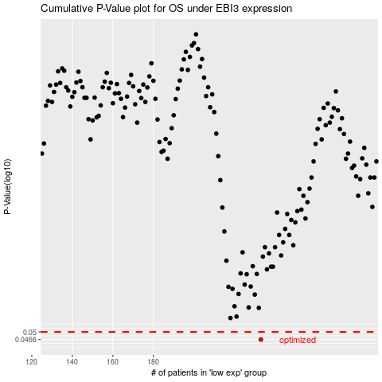

 |  |  |  |  |  | cases_OS | p_OS | rank | exp
 |  |  |  |  |  | 233 | 0.0466 | 271 | -0.17759460907
 |  |  |  |  |  |  | cases_RFS | p_RFS | rank | exp
 |  |  |  |  |  |  | 232 | 0.0466 | 196 | -0.18584237174

