EBPL _multivariate
Reported by Tex Li-Hsing Chi. tex@gate.sinica.edu.tw 2019-08-20

Table 2. The clinicopathological features of HNSCC cohort and EBPL expression. (Chi square test)
Cutoff at -0.271 (50.0%)
 |  | EBPL expression |  | EBPL expression |  | (Optimised)
 | Features | Low | (%) | High | (%) | Case no | P-value | Remark | Matthews
Gender | Female | 158 | 38.1 | 148 | 35.7 | 415 | 0.2774 | 0 | 0
2 | Male | 49 | 11.8 | 60 | 14.5
Age at diagnosis | <=65y | 147 | 35.4 | 127 | 30.6 | 415 | 0.0416 | 1 | 0
4 | >65y | 60 | 14.5 | 81 | 19.5
Clinical T Status | T1+T2 | 84 | 20.2 | 65 | 15.7 | 415 | 0.0603 | 0 | 0
6 | T3+T4 | 123 | 29.6 | 143 | 34.5
Clinical N Status | N0 | 95 | 22.9 | 121 | 29.2 | 415 | 0.0162 | 1 | 0
8 | N1-3 | 112 | 27 | 87 | 21
Clinical M Status | M0 | 206 | 49.6 | 206 | 49.6 | 415 | 1 | 0 | 0
10 | M1 | 1 | 0.2 | 2 | 0.5
Clinical Stage | Stage I+II | 50 | 12 | 52 | 12.5 | 415 | 0.9315 | 0 | 0
12 | Stage III+IV | 157 | 37.8 | 156 | 37.6
Surgical Margin status | Negative | 160 | 38.6 | 158 | 38.1 | 415 | 0.8167 | 0 | 0
14 | Positive | 47 | 11.3 | 50 | 12
Tobacco Exposure | Low | 84 | 20.2 | 77 | 18.6 | 415 | 0.4816 | 0 | 0
16 | High | 123 | 29.6 | 131 | 31.6

Table 3. Univariate/Multivariate Cox's proportional hazards regression analyses on OS time of EBPL gene expression in HNSCC

 |  | Univariate |  |  |  | Multivariate
 | Features | HR | CI95%(L) | CI95%(H) | P-value | HR | CI95%(L) | CI95%(H) | P-value
1 | Female | 1 |  |  |  | 1
Gender | Male | 1.157 | 0.843 | 1.587 | 0.367 | 1.198 | 0.856 | 1.678 | 0.292
11 | <=65y | 1 |  |  |  | 1
Age at diagnosis | >65y | 1.329 | 0.99 | 1.784 | 0.058 | 1.39 | 1.022 | 1.89 | 0.036
12 | T1+T2 | 1 |  |  |  | 1
Clinical T Status | T3+T4 | 1.409 | 1.028 | 1.931 | 0.033 | 2.192 | 1.155 | 4.159 | 0.016
13 | N0 | 1 |  |  |  | 1
Clinical N Status | N1-3 | 1.185 | 0.89 | 1.577 | 0.246 | 1.242 | 0.87 | 1.771 | 0.233
14 | M0 | 1 |  |  |  | 1
Clinical M Status | M1 | 4.097 | 1.009 | 16.644 | 0.049 | 9.329 | 2.026 | 42.957 | 0.004
15 | Stage I+II | 1 |  |  |  | 1
Clinical Stage | Stage III+IV | 1.245 | 0.882 | 1.759 | 0.213 | 0.507 | 0.236 | 1.091 | 0.082
16 | Negative | 1 |  |  |  | 1
Surgical Margin status | Positive | 1.591 | 1.155 | 2.191 | 0.004 | 1.668 | 1.206 | 2.308 | 0.002
17 | Low | 1 |  |  |  | 1
Tobacco Exposure | High | 1.364 | 1.008 | 1.844 | 0.044 | 1.45 | 1.051 | 2.001 | 0.024
18 | Low | 1 |  |  |  | 1
RNAseq(z-score) | High | 1.152 | 0.865 | 1.535 | 0.332 | 1.021 | 0.762 | 1.368 | 0.89

Table 4. Univariate/Multivariate Cox's proportional hazards regression analyses on RFS time of EBPL gene expression in HNSCC

 |  | Univariate |  |  |  | Multivariate
 | Features | HR | CI95%(L) | CI95%(H) | P-value | HR | CI95%(L) | CI95%(H) | P-value
1 | Female | 1 |  |  |  | 1
Gender | Male | 1.157 | 0.843 | 1.587 | 0.367 | 1.198 | 0.856 | 1.678 | 0.292
11 | <=65y | 1 |  |  |  | 1
Age at diagnosis | >65y | 1.329 | 0.99 | 1.784 | 0.058 | 1.39 | 1.022 | 1.89 | 0.036
12 | T1+T2 | 1 |  |  |  | 1
Clinical T Status | T3+T4 | 1.409 | 1.028 | 1.931 | 0.033 | 2.192 | 1.155 | 4.159 | 0.016
13 | N0 | 1 |  |  |  | 1
Clinical N Status | N1-3 | 1.185 | 0.89 | 1.577 | 0.246 | 1.242 | 0.87 | 1.771 | 0.233
14 | M0 | 1 |  |  |  | 1
Clinical M Status | M1 | 4.097 | 1.009 | 16.644 | 0.049 | 9.329 | 2.026 | 42.957 | 0.004
15 | Stage I+II | 1 |  |  |  | 1
Clinical Stage | Stage III+IV | 1.245 | 0.882 | 1.759 | 0.213 | 0.507 | 0.236 | 1.091 | 0.082
16 | Negative | 1 |  |  |  | 1
Surgical Margin status | Positive | 1.591 | 1.155 | 2.191 | 0.004 | 1.668 | 1.206 | 2.308 | 0.002
17 | Low | 1 |  |  |  | 1
Tobacco Exposure | High | 1.364 | 1.008 | 1.844 | 0.044 | 1.45 | 1.051 | 2.001 | 0.024
18 | Low | 1 |  |  |  | 1
RNAseq(z-score) | High | 1.152 | 0.865 | 1.535 | 0.332 | 1.021 | 0.762 | 1.368 | 0.89

Kaplan-Meier survival estimate: Cutoff at -0.271 (50.0%)



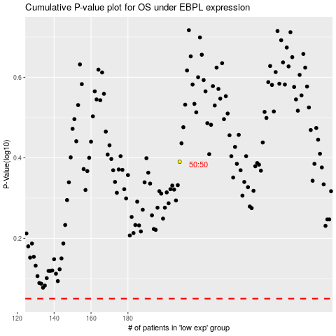

 |  |  |  |  |  | cases_OS | p_OS | rank | exp
 |  |  |  |  |  |  | cases_RFS | p_RFS | rank | exp

