ECE1 _multivariate
Reported by Tex Li-Hsing Chi. tex@gate.sinica.edu.tw 2019-08-20

Table 2. The clinicopathological features of HNSCC cohort and ECE1 expression. (Chi square test)
Cutoff at -0.262 (49.8%)
 |  | ECE1 expression |  | ECE1 expression |  | (Optimised)
 | Features | Low | (%) | High | (%) | Case no | P-value | Remark | Matthews
Gender | Female | 143 | 34.5 | 163 | 39.3 | 415 | 0.0416 | 1 | 0
2 | Male | 64 | 15.4 | 45 | 10.8
Age at diagnosis | <=65y | 132 | 31.8 | 142 | 34.2 | 415 | 0.3874 | 0 | 0
4 | >65y | 75 | 18.1 | 66 | 15.9
Clinical T Status | T1+T2 | 73 | 17.6 | 76 | 18.3 | 415 | 0.8666 | 0 | 0
6 | T3+T4 | 134 | 32.3 | 132 | 31.8
Clinical N Status | N0 | 115 | 27.7 | 101 | 24.3 | 415 | 0.184 | 1 | 0
8 | N1-3 | 92 | 22.2 | 107 | 25.8
Clinical M Status | M0 | 205 | 49.4 | 207 | 49.9 | 415 | 0.6232 | 0 | 0
10 | M1 | 2 | 0.5 | 1 | 0.2
Clinical Stage | Stage I+II | 52 | 12.5 | 50 | 12 | 415 | 0.8871 | 0 | 0
12 | Stage III+IV | 155 | 37.3 | 158 | 38.1
Surgical Margin status | Negative | 154 | 37.1 | 164 | 39.5 | 415 | 0.2984 | 0 | 0
14 | Positive | 53 | 12.8 | 44 | 10.6
Tobacco Exposure | Low | 96 | 23.1 | 65 | 15.7 | 415 | 0.0018 | 1 | 0
16 | High | 111 | 26.7 | 143 | 34.5

Table 3. Univariate/Multivariate Cox's proportional hazards regression analyses on OS time of ECE1 gene expression in HNSCC

 |  | Univariate |  |  |  | Multivariate
 | Features | HR | CI95%(L) | CI95%(H) | P-value | HR | CI95%(L) | CI95%(H) | P-value
1 | Female | 1 |  |  |  | 1
Gender | Male | 1.157 | 0.843 | 1.587 | 0.367 | 1.218 | 0.87 | 1.705 | 0.25
11 | <=65y | 1 |  |  |  | 1
Age at diagnosis | >65y | 1.329 | 0.99 | 1.784 | 0.058 | 1.386 | 1.019 | 1.885 | 0.038
12 | T1+T2 | 1 |  |  |  | 1
Clinical T Status | T3+T4 | 1.409 | 1.028 | 1.931 | 0.033 | 2.224 | 1.175 | 4.209 | 0.014
13 | N0 | 1 |  |  |  | 1
Clinical N Status | N1-3 | 1.185 | 0.89 | 1.577 | 0.246 | 1.232 | 0.863 | 1.759 | 0.251
14 | M0 | 1 |  |  |  | 1
Clinical M Status | M1 | 4.097 | 1.009 | 16.644 | 0.049 | 9.865 | 2.139 | 45.486 | 0.003
15 | Stage I+II | 1 |  |  |  | 1
Clinical Stage | Stage III+IV | 1.245 | 0.882 | 1.759 | 0.213 | 0.501 | 0.233 | 1.076 | 0.076
16 | Negative | 1 |  |  |  | 1
Surgical Margin status | Positive | 1.591 | 1.155 | 2.191 | 0.004 | 1.687 | 1.22 | 2.334 | 0.002
17 | Low | 1 |  |  |  | 1
Tobacco Exposure | High | 1.364 | 1.008 | 1.844 | 0.044 | 1.429 | 1.034 | 1.975 | 0.031
18 | Low | 1 |  |  |  | 1
RNAseq(z-score) | High | 1.085 | 0.812 | 1.45 | 0.58 | 1.114 | 0.826 | 1.501 | 0.479

Table 4. Univariate/Multivariate Cox's proportional hazards regression analyses on RFS time of ECE1 gene expression in HNSCC

 |  | Univariate |  |  |  | Multivariate
 | Features | HR | CI95%(L) | CI95%(H) | P-value | HR | CI95%(L) | CI95%(H) | P-value
1 | Female | 1 |  |  |  | 1
Gender | Male | 1.157 | 0.843 | 1.587 | 0.367 | 1.218 | 0.87 | 1.705 | 0.25
11 | <=65y | 1 |  |  |  | 1
Age at diagnosis | >65y | 1.329 | 0.99 | 1.784 | 0.058 | 1.386 | 1.019 | 1.885 | 0.038
12 | T1+T2 | 1 |  |  |  | 1
Clinical T Status | T3+T4 | 1.409 | 1.028 | 1.931 | 0.033 | 2.224 | 1.175 | 4.209 | 0.014
13 | N0 | 1 |  |  |  | 1
Clinical N Status | N1-3 | 1.185 | 0.89 | 1.577 | 0.246 | 1.232 | 0.863 | 1.759 | 0.251
14 | M0 | 1 |  |  |  | 1
Clinical M Status | M1 | 4.097 | 1.009 | 16.644 | 0.049 | 9.865 | 2.139 | 45.486 | 0.003
15 | Stage I+II | 1 |  |  |  | 1
Clinical Stage | Stage III+IV | 1.245 | 0.882 | 1.759 | 0.213 | 0.501 | 0.233 | 1.076 | 0.076
16 | Negative | 1 |  |  |  | 1
Surgical Margin status | Positive | 1.591 | 1.155 | 2.191 | 0.004 | 1.687 | 1.22 | 2.334 | 0.002
17 | Low | 1 |  |  |  | 1
Tobacco Exposure | High | 1.364 | 1.008 | 1.844 | 0.044 | 1.429 | 1.034 | 1.975 | 0.031
18 | Low | 1 |  |  |  | 1
RNAseq(z-score) | High | 1.085 | 0.812 | 1.45 | 0.58 | 1.114 | 0.826 | 1.501 | 0.479

Kaplan-Meier survival estimate: Cutoff at -0.262 (49.8%)



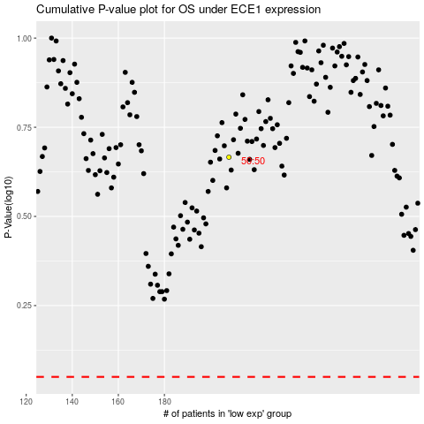

 |  |  |  |  |  | cases_OS | p_OS | rank | exp
 |  |  |  |  |  |  | cases_RFS | p_RFS | rank | exp

