ECHDC1 _multivariate
Reported by Tex Li-Hsing Chi. tex@gate.sinica.edu.tw 2019-08-20

Table 2. The clinicopathological features of HNSCC cohort and ECHDC1 expression. (Chi square test)
Cutoff at -0.107 (50.0%)
 |  | ECHDC1 expression |  | ECHDC1 expression |  | (Optimised)
 | Features | Low | (%) | High | (%) | Case no | P-value | Remark | Matthews
Gender | Female | 157 | 37.8 | 149 | 35.9 | 415 | 0.3881 | 0 | 0
2 | Male | 50 | 12 | 59 | 14.2
Age at diagnosis | <=65y | 140 | 33.7 | 134 | 32.3 | 415 | 0.5574 | 0 | 0
4 | >65y | 67 | 16.1 | 74 | 17.8
Clinical T Status | T1+T2 | 71 | 17.1 | 78 | 18.8 | 415 | 0.5638 | 0 | 0
6 | T3+T4 | 136 | 32.8 | 130 | 31.3
Clinical N Status | N0 | 108 | 26 | 108 | 26 | 415 | 1 | 0 | 0
8 | N1-3 | 99 | 23.9 | 100 | 24.1
Clinical M Status | M0 | 205 | 49.4 | 207 | 49.9 | 415 | 0.6232 | 0 | 0
10 | M1 | 2 | 0.5 | 1 | 0.2
Clinical Stage | Stage I+II | 46 | 11.1 | 56 | 13.5 | 415 | 0.3182 | 0 | 0
12 | Stage III+IV | 161 | 38.8 | 152 | 36.6
Surgical Margin status | Negative | 167 | 40.2 | 151 | 36.4 | 415 | 0.0632 | 0 | 0
14 | Positive | 40 | 9.6 | 57 | 13.7
Tobacco Exposure | Low | 68 | 16.4 | 93 | 22.4 | 415 | 0.0156 | 1 | 0
16 | High | 139 | 33.5 | 115 | 27.7

Table 3. Univariate/Multivariate Cox's proportional hazards regression analyses on OS time of ECHDC1 gene expression in HNSCC

 |  | Univariate |  |  |  | Multivariate
 | Features | HR | CI95%(L) | CI95%(H) | P-value | HR | CI95%(L) | CI95%(H) | P-value
1 | Female | 1 |  |  |  | 1
Gender | Male | 1.157 | 0.843 | 1.587 | 0.367 | 1.215 | 0.87 | 1.699 | 0.253
11 | <=65y | 1 |  |  |  | 1
Age at diagnosis | >65y | 1.329 | 0.99 | 1.784 | 0.058 | 1.4 | 1.03 | 1.904 | 0.032
12 | T1+T2 | 1 |  |  |  | 1
Clinical T Status | T3+T4 | 1.409 | 1.028 | 1.931 | 0.033 | 2.214 | 1.171 | 4.187 | 0.014
13 | N0 | 1 |  |  |  | 1
Clinical N Status | N1-3 | 1.185 | 0.89 | 1.577 | 0.246 | 1.275 | 0.892 | 1.824 | 0.183
14 | M0 | 1 |  |  |  | 1
Clinical M Status | M1 | 4.097 | 1.009 | 16.644 | 0.049 | 9.257 | 2.019 | 42.442 | 0.004
15 | Stage I+II | 1 |  |  |  | 1
Clinical Stage | Stage III+IV | 1.245 | 0.882 | 1.759 | 0.213 | 0.492 | 0.229 | 1.056 | 0.069
16 | Negative | 1 |  |  |  | 1
Surgical Margin status | Positive | 1.591 | 1.155 | 2.191 | 0.004 | 1.696 | 1.227 | 2.345 | 0.001
17 | Low | 1 |  |  |  | 1
Tobacco Exposure | High | 1.364 | 1.008 | 1.844 | 0.044 | 1.428 | 1.036 | 1.969 | 0.03
18 | Low | 1 |  |  |  | 1
RNAseq(z-score) | High | 0.843 | 0.632 | 1.124 | 0.243 | 0.822 | 0.613 | 1.101 | 0.189

Table 4. Univariate/Multivariate Cox's proportional hazards regression analyses on RFS time of ECHDC1 gene expression in HNSCC

 |  | Univariate |  |  |  | Multivariate
 | Features | HR | CI95%(L) | CI95%(H) | P-value | HR | CI95%(L) | CI95%(H) | P-value
1 | Female | 1 |  |  |  | 1
Gender | Male | 1.157 | 0.843 | 1.587 | 0.367 | 1.215 | 0.87 | 1.699 | 0.253
11 | <=65y | 1 |  |  |  | 1
Age at diagnosis | >65y | 1.329 | 0.99 | 1.784 | 0.058 | 1.4 | 1.03 | 1.904 | 0.032
12 | T1+T2 | 1 |  |  |  | 1
Clinical T Status | T3+T4 | 1.409 | 1.028 | 1.931 | 0.033 | 2.214 | 1.171 | 4.187 | 0.014
13 | N0 | 1 |  |  |  | 1
Clinical N Status | N1-3 | 1.185 | 0.89 | 1.577 | 0.246 | 1.275 | 0.892 | 1.824 | 0.183
14 | M0 | 1 |  |  |  | 1
Clinical M Status | M1 | 4.097 | 1.009 | 16.644 | 0.049 | 9.257 | 2.019 | 42.442 | 0.004
15 | Stage I+II | 1 |  |  |  | 1
Clinical Stage | Stage III+IV | 1.245 | 0.882 | 1.759 | 0.213 | 0.492 | 0.229 | 1.056 | 0.069
16 | Negative | 1 |  |  |  | 1
Surgical Margin status | Positive | 1.591 | 1.155 | 2.191 | 0.004 | 1.696 | 1.227 | 2.345 | 0.001
17 | Low | 1 |  |  |  | 1
Tobacco Exposure | High | 1.364 | 1.008 | 1.844 | 0.044 | 1.428 | 1.036 | 1.969 | 0.03
18 | Low | 1 |  |  |  | 1
RNAseq(z-score) | High | 0.843 | 0.632 | 1.124 | 0.243 | 0.822 | 0.613 | 1.101 | 0.189

Kaplan-Meier survival estimate: Cutoff at -0.107 (50.0%)



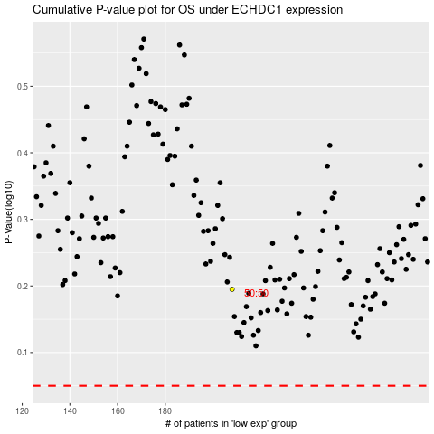

 |  |  |  |  |  | cases_OS | p_OS | rank | exp
 |  |  |  |  |  |  | cases_RFS | p_RFS | rank | exp

