ECHDC3 _multivariate
Reported by Tex Li-Hsing Chi. tex@gate.sinica.edu.tw 2019-08-20

Table 2. The clinicopathological features of HNSCC cohort and ECHDC3 expression. (Chi square test)
Cutoff at -0.396 (49.8%)
 |  | ECHDC3 expression |  | ECHDC3 expression |  | (Optimised)
 | Features | Low | (%) | High | (%) | Case no | P-value | Remark | Matthews
Gender | Female | 146 | 35.2 | 160 | 38.6 | 415 | 0.1714 | 0 | 0
2 | Male | 61 | 14.7 | 48 | 11.6
Age at diagnosis | <=65y | 132 | 31.8 | 142 | 34.2 | 415 | 0.3874 | 0 | 0
4 | >65y | 75 | 18.1 | 66 | 15.9
Clinical T Status | T1+T2 | 74 | 17.8 | 75 | 18.1 | 415 | 1 | 0 | 0
6 | T3+T4 | 133 | 32 | 133 | 32
Clinical N Status | N0 | 108 | 26 | 108 | 26 | 415 | 1 | 0 | 0
8 | N1-3 | 99 | 23.9 | 100 | 24.1
Clinical M Status | M0 | 207 | 49.9 | 205 | 49.4 | 415 | 0.2482 | 0 | 0
10 | M1 | 0 | 0 | 3 | 0.7
Clinical Stage | Stage I+II | 53 | 12.8 | 49 | 11.8 | 415 | 0.7113 | 0 | 0
12 | Stage III+IV | 154 | 37.1 | 159 | 38.3
Surgical Margin status | Negative | 158 | 38.1 | 160 | 38.6 | 415 | 0.9081 | 0 | 0
14 | Positive | 49 | 11.8 | 48 | 11.6
Tobacco Exposure | Low | 84 | 20.2 | 77 | 18.6 | 415 | 0.4816 | 0 | 0
16 | High | 123 | 29.6 | 131 | 31.6

Table 3. Univariate/Multivariate Cox's proportional hazards regression analyses on OS time of ECHDC3 gene expression in HNSCC

 |  | Univariate |  |  |  | Multivariate
 | Features | HR | CI95%(L) | CI95%(H) | P-value | HR | CI95%(L) | CI95%(H) | P-value
1 | Female | 1 |  |  |  | 1
Gender | Male | 1.157 | 0.843 | 1.587 | 0.367 | 1.183 | 0.846 | 1.653 | 0.326
11 | <=65y | 1 |  |  |  | 1
Age at diagnosis | >65y | 1.329 | 0.99 | 1.784 | 0.058 | 1.362 | 1.002 | 1.852 | 0.049
12 | T1+T2 | 1 |  |  |  | 1
Clinical T Status | T3+T4 | 1.409 | 1.028 | 1.931 | 0.033 | 2.22 | 1.173 | 4.201 | 0.014
13 | N0 | 1 |  |  |  | 1
Clinical N Status | N1-3 | 1.185 | 0.89 | 1.577 | 0.246 | 1.231 | 0.863 | 1.757 | 0.251
14 | M0 | 1 |  |  |  | 1
Clinical M Status | M1 | 4.097 | 1.009 | 16.644 | 0.049 | 10.618 | 2.293 | 49.162 | 0.003
15 | Stage I+II | 1 |  |  |  | 1
Clinical Stage | Stage III+IV | 1.245 | 0.882 | 1.759 | 0.213 | 0.496 | 0.231 | 1.066 | 0.073
16 | Negative | 1 |  |  |  | 1
Surgical Margin status | Positive | 1.591 | 1.155 | 2.191 | 0.004 | 1.696 | 1.226 | 2.347 | 0.001
17 | Low | 1 |  |  |  | 1
Tobacco Exposure | High | 1.364 | 1.008 | 1.844 | 0.044 | 1.462 | 1.061 | 2.015 | 0.02
18 | Low | 1 |  |  |  | 1
RNAseq(z-score) | High | 0.823 | 0.617 | 1.098 | 0.186 | 0.804 | 0.6 | 1.078 | 0.146

Table 4. Univariate/Multivariate Cox's proportional hazards regression analyses on RFS time of ECHDC3 gene expression in HNSCC

 |  | Univariate |  |  |  | Multivariate
 | Features | HR | CI95%(L) | CI95%(H) | P-value | HR | CI95%(L) | CI95%(H) | P-value
1 | Female | 1 |  |  |  | 1
Gender | Male | 1.157 | 0.843 | 1.587 | 0.367 | 1.183 | 0.846 | 1.653 | 0.326
11 | <=65y | 1 |  |  |  | 1
Age at diagnosis | >65y | 1.329 | 0.99 | 1.784 | 0.058 | 1.362 | 1.002 | 1.852 | 0.049
12 | T1+T2 | 1 |  |  |  | 1
Clinical T Status | T3+T4 | 1.409 | 1.028 | 1.931 | 0.033 | 2.22 | 1.173 | 4.201 | 0.014
13 | N0 | 1 |  |  |  | 1
Clinical N Status | N1-3 | 1.185 | 0.89 | 1.577 | 0.246 | 1.231 | 0.863 | 1.757 | 0.251
14 | M0 | 1 |  |  |  | 1
Clinical M Status | M1 | 4.097 | 1.009 | 16.644 | 0.049 | 10.618 | 2.293 | 49.162 | 0.003
15 | Stage I+II | 1 |  |  |  | 1
Clinical Stage | Stage III+IV | 1.245 | 0.882 | 1.759 | 0.213 | 0.496 | 0.231 | 1.066 | 0.073
16 | Negative | 1 |  |  |  | 1
Surgical Margin status | Positive | 1.591 | 1.155 | 2.191 | 0.004 | 1.696 | 1.226 | 2.347 | 0.001
17 | Low | 1 |  |  |  | 1
Tobacco Exposure | High | 1.364 | 1.008 | 1.844 | 0.044 | 1.462 | 1.061 | 2.015 | 0.02
18 | Low | 1 |  |  |  | 1
RNAseq(z-score) | High | 0.823 | 0.617 | 1.098 | 0.186 | 0.804 | 0.6 | 1.078 | 0.146

Kaplan-Meier survival estimate: Cutoff at -0.396 (49.8%)



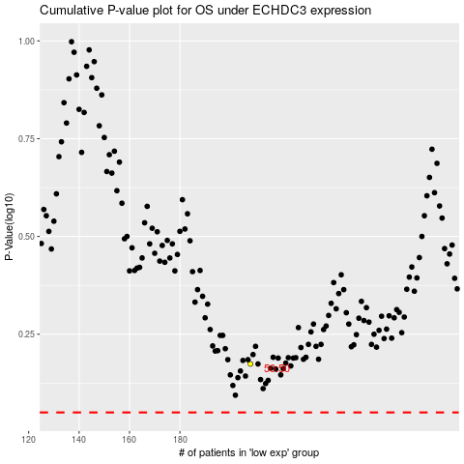

 |  |  |  |  |  | cases_OS | p_OS | rank | exp
 |  |  |  |  |  |  | cases_RFS | p_RFS | rank | exp

