EDC3 _multivariate
Reported by Tex Li-Hsing Chi. tex@gate.sinica.edu.tw 2019-08-20

Table 2. The clinicopathological features of HNSCC cohort and EDC3 expression. (Chi square test)
Cutoff at -0.065 (49.8%)
 |  | EDC3 expression |  | EDC3 expression |  | (Optimised)
 | Features | Low | (%) | High | (%) | Case no | P-value | Remark | Matthews
Gender | Female | 156 | 37.6 | 150 | 36.1 | 415 | 0.5222 | 0 | 0
2 | Male | 51 | 12.3 | 58 | 14
Age at diagnosis | <=65y | 136 | 32.8 | 138 | 33.3 | 415 | 0.9719 | 0 | 0
4 | >65y | 71 | 17.1 | 70 | 16.9
Clinical T Status | T1+T2 | 74 | 17.8 | 75 | 18.1 | 415 | 1 | 0 | 0
6 | T3+T4 | 133 | 32 | 133 | 32
Clinical N Status | N0 | 99 | 23.9 | 117 | 28.2 | 415 | 0.1054 | 0 | 0
8 | N1-3 | 108 | 26 | 91 | 21.9
Clinical M Status | M0 | 207 | 49.9 | 205 | 49.4 | 415 | 0.2482 | 0 | 0
10 | M1 | 0 | 0 | 3 | 0.7
Clinical Stage | Stage I+II | 49 | 11.8 | 53 | 12.8 | 415 | 0.7535 | 0 | 0
12 | Stage III+IV | 158 | 38.1 | 155 | 37.3
Surgical Margin status | Negative | 160 | 38.6 | 158 | 38.1 | 415 | 0.8167 | 0 | 0
14 | Positive | 47 | 11.3 | 50 | 12
Tobacco Exposure | Low | 78 | 18.8 | 83 | 20 | 415 | 0.6873 | 0 | 0
16 | High | 129 | 31.1 | 125 | 30.1

Table 3. Univariate/Multivariate Cox's proportional hazards regression analyses on OS time of EDC3 gene expression in HNSCC

 |  | Univariate |  |  |  | Multivariate
 | Features | HR | CI95%(L) | CI95%(H) | P-value | HR | CI95%(L) | CI95%(H) | P-value
1 | Female | 1 |  |  |  | 1
Gender | Male | 1.157 | 0.843 | 1.587 | 0.367 | 1.206 | 0.863 | 1.685 | 0.272
11 | <=65y | 1 |  |  |  | 1
Age at diagnosis | >65y | 1.329 | 0.99 | 1.784 | 0.058 | 1.397 | 1.027 | 1.9 | 0.033
12 | T1+T2 | 1 |  |  |  | 1
Clinical T Status | T3+T4 | 1.409 | 1.028 | 1.931 | 0.033 | 2.213 | 1.17 | 4.185 | 0.015
13 | N0 | 1 |  |  |  | 1
Clinical N Status | N1-3 | 1.185 | 0.89 | 1.577 | 0.246 | 1.232 | 0.862 | 1.76 | 0.252
14 | M0 | 1 |  |  |  | 1
Clinical M Status | M1 | 4.097 | 1.009 | 16.644 | 0.049 | 9.814 | 2.116 | 45.524 | 0.004
15 | Stage I+II | 1 |  |  |  | 1
Clinical Stage | Stage III+IV | 1.245 | 0.882 | 1.759 | 0.213 | 0.504 | 0.235 | 1.081 | 0.079
16 | Negative | 1 |  |  |  | 1
Surgical Margin status | Positive | 1.591 | 1.155 | 2.191 | 0.004 | 1.673 | 1.211 | 2.312 | 0.002
17 | Low | 1 |  |  |  | 1
Tobacco Exposure | High | 1.364 | 1.008 | 1.844 | 0.044 | 1.449 | 1.052 | 1.996 | 0.023
18 | Low | 1 |  |  |  | 1
RNAseq(z-score) | High | 0.983 | 0.737 | 1.309 | 0.904 | 0.937 | 0.699 | 1.254 | 0.66

Table 4. Univariate/Multivariate Cox's proportional hazards regression analyses on RFS time of EDC3 gene expression in HNSCC

 |  | Univariate |  |  |  | Multivariate
 | Features | HR | CI95%(L) | CI95%(H) | P-value | HR | CI95%(L) | CI95%(H) | P-value
1 | Female | 1 |  |  |  | 1
Gender | Male | 1.157 | 0.843 | 1.587 | 0.367 | 1.206 | 0.863 | 1.685 | 0.272
11 | <=65y | 1 |  |  |  | 1
Age at diagnosis | >65y | 1.329 | 0.99 | 1.784 | 0.058 | 1.397 | 1.027 | 1.9 | 0.033
12 | T1+T2 | 1 |  |  |  | 1
Clinical T Status | T3+T4 | 1.409 | 1.028 | 1.931 | 0.033 | 2.213 | 1.17 | 4.185 | 0.015
13 | N0 | 1 |  |  |  | 1
Clinical N Status | N1-3 | 1.185 | 0.89 | 1.577 | 0.246 | 1.232 | 0.862 | 1.76 | 0.252
14 | M0 | 1 |  |  |  | 1
Clinical M Status | M1 | 4.097 | 1.009 | 16.644 | 0.049 | 9.814 | 2.116 | 45.524 | 0.004
15 | Stage I+II | 1 |  |  |  | 1
Clinical Stage | Stage III+IV | 1.245 | 0.882 | 1.759 | 0.213 | 0.504 | 0.235 | 1.081 | 0.079
16 | Negative | 1 |  |  |  | 1
Surgical Margin status | Positive | 1.591 | 1.155 | 2.191 | 0.004 | 1.673 | 1.211 | 2.312 | 0.002
17 | Low | 1 |  |  |  | 1
Tobacco Exposure | High | 1.364 | 1.008 | 1.844 | 0.044 | 1.449 | 1.052 | 1.996 | 0.023
18 | Low | 1 |  |  |  | 1
RNAseq(z-score) | High | 0.983 | 0.737 | 1.309 | 0.904 | 0.937 | 0.699 | 1.254 | 0.66

Kaplan-Meier survival estimate: Cutoff at -0.065 (49.8%)



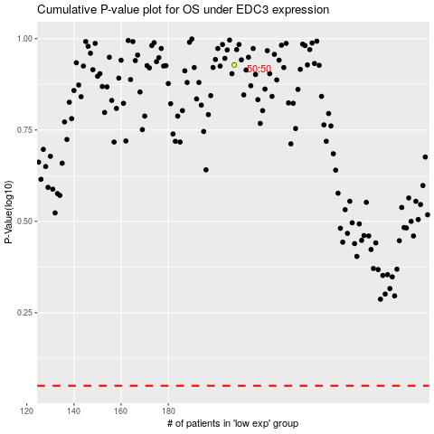

 |  |  |  |  |  | cases_OS | p_OS | rank | exp
 |  |  |  |  |  |  | cases_RFS | p_RFS | rank | exp

