EDC4 _multivariate
Reported by Tex Li-Hsing Chi. tex@gate.sinica.edu.tw 2019-08-20

Table 2. The clinicopathological features of HNSCC cohort and EDC4 expression. (Chi square test)
Cutoff at -0.083 (49.8%)
 |  | EDC4 expression |  | EDC4 expression |  | (Optimised)
 | Features | Low | (%) | High | (%) | Case no | P-value | Remark | Matthews
Gender | Female | 135 | 32.5 | 171 | 41.2 | 415 | 1e-04 | 1 | 0
2 | Male | 72 | 17.3 | 37 | 8.9
Age at diagnosis | <=65y | 128 | 30.8 | 146 | 35.2 | 415 | 0.0904 | 0 | 0
4 | >65y | 79 | 19 | 62 | 14.9
Clinical T Status | T1+T2 | 79 | 19 | 70 | 16.9 | 415 | 0.3924 | 0 | 0
6 | T3+T4 | 128 | 30.8 | 138 | 33.3
Clinical N Status | N0 | 118 | 28.4 | 98 | 23.6 | 415 | 0.0551 | 1 | 0
8 | N1-3 | 89 | 21.4 | 110 | 26.5
Clinical M Status | M0 | 206 | 49.6 | 206 | 49.6 | 415 | 1 | 0 | 0
10 | M1 | 1 | 0.2 | 2 | 0.5
Clinical Stage | Stage I+II | 59 | 14.2 | 43 | 10.4 | 415 | 0.0822 | 0 | 0
12 | Stage III+IV | 148 | 35.7 | 165 | 39.8
Surgical Margin status | Negative | 150 | 36.1 | 168 | 40.5 | 415 | 0.0492 | 1 | 0
14 | Positive | 57 | 13.7 | 40 | 9.6
Tobacco Exposure | Low | 96 | 23.1 | 65 | 15.7 | 415 | 0.0018 | 1 | 0
16 | High | 111 | 26.7 | 143 | 34.5

Table 3. Univariate/Multivariate Cox's proportional hazards regression analyses on OS time of EDC4 gene expression in HNSCC

 |  | Univariate |  |  |  | Multivariate
 | Features | HR | CI95%(L) | CI95%(H) | P-value | HR | CI95%(L) | CI95%(H) | P-value
1 | Female | 1 |  |  |  | 1
Gender | Male | 1.157 | 0.843 | 1.587 | 0.367 | 1.205 | 0.862 | 1.685 | 0.275
11 | <=65y | 1 |  |  |  | 1
Age at diagnosis | >65y | 1.329 | 0.99 | 1.784 | 0.058 | 1.393 | 1.024 | 1.893 | 0.035
12 | T1+T2 | 1 |  |  |  | 1
Clinical T Status | T3+T4 | 1.409 | 1.028 | 1.931 | 0.033 | 2.199 | 1.163 | 4.158 | 0.015
13 | N0 | 1 |  |  |  | 1
Clinical N Status | N1-3 | 1.185 | 0.89 | 1.577 | 0.246 | 1.236 | 0.866 | 1.766 | 0.243
14 | M0 | 1 |  |  |  | 1
Clinical M Status | M1 | 4.097 | 1.009 | 16.644 | 0.049 | 9.384 | 2.047 | 43.014 | 0.004
15 | Stage I+II | 1 |  |  |  | 1
Clinical Stage | Stage III+IV | 1.245 | 0.882 | 1.759 | 0.213 | 0.504 | 0.235 | 1.082 | 0.079
16 | Negative | 1 |  |  |  | 1
Surgical Margin status | Positive | 1.591 | 1.155 | 2.191 | 0.004 | 1.677 | 1.213 | 2.319 | 0.002
17 | Low | 1 |  |  |  | 1
Tobacco Exposure | High | 1.364 | 1.008 | 1.844 | 0.044 | 1.444 | 1.046 | 1.994 | 0.026
18 | Low | 1 |  |  |  | 1
RNAseq(z-score) | High | 1.066 | 0.8 | 1.421 | 0.663 | 1.047 | 0.779 | 1.407 | 0.761

Table 4. Univariate/Multivariate Cox's proportional hazards regression analyses on RFS time of EDC4 gene expression in HNSCC

 |  | Univariate |  |  |  | Multivariate
 | Features | HR | CI95%(L) | CI95%(H) | P-value | HR | CI95%(L) | CI95%(H) | P-value
1 | Female | 1 |  |  |  | 1
Gender | Male | 1.157 | 0.843 | 1.587 | 0.367 | 1.205 | 0.862 | 1.685 | 0.275
11 | <=65y | 1 |  |  |  | 1
Age at diagnosis | >65y | 1.329 | 0.99 | 1.784 | 0.058 | 1.393 | 1.024 | 1.893 | 0.035
12 | T1+T2 | 1 |  |  |  | 1
Clinical T Status | T3+T4 | 1.409 | 1.028 | 1.931 | 0.033 | 2.199 | 1.163 | 4.158 | 0.015
13 | N0 | 1 |  |  |  | 1
Clinical N Status | N1-3 | 1.185 | 0.89 | 1.577 | 0.246 | 1.236 | 0.866 | 1.766 | 0.243
14 | M0 | 1 |  |  |  | 1
Clinical M Status | M1 | 4.097 | 1.009 | 16.644 | 0.049 | 9.384 | 2.047 | 43.014 | 0.004
15 | Stage I+II | 1 |  |  |  | 1
Clinical Stage | Stage III+IV | 1.245 | 0.882 | 1.759 | 0.213 | 0.504 | 0.235 | 1.082 | 0.079
16 | Negative | 1 |  |  |  | 1
Surgical Margin status | Positive | 1.591 | 1.155 | 2.191 | 0.004 | 1.677 | 1.213 | 2.319 | 0.002
17 | Low | 1 |  |  |  | 1
Tobacco Exposure | High | 1.364 | 1.008 | 1.844 | 0.044 | 1.444 | 1.046 | 1.994 | 0.026
18 | Low | 1 |  |  |  | 1
RNAseq(z-score) | High | 1.066 | 0.8 | 1.421 | 0.663 | 1.047 | 0.779 | 1.407 | 0.761

Kaplan-Meier survival estimate: Cutoff at -0.083 (49.8%)



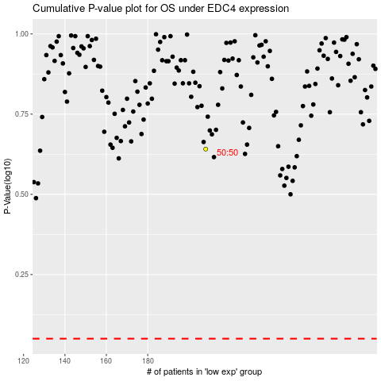

 |  |  |  |  |  | cases_OS | p_OS | rank | exp
 |  |  |  |  |  |  | cases_RFS | p_RFS | rank | exp

