EDIL3 _multivariate
Reported by Tex Li-Hsing Chi. tex@gate.sinica.edu.tw 2019-08-20

Table 2. The clinicopathological features of HNSCC cohort and EDIL3 expression. (Chi square test)
Cutoff at -0.289 (50.0%)
 |  | EDIL3 expression |  | EDIL3 expression |  | (Optimised)
 | Features | Low | (%) | High | (%) | Case no | P-value | Remark | Matthews
Gender | Female | 152 | 36.6 | 154 | 37.1 | 415 | 0.9766 | 0 | 0
2 | Male | 55 | 13.3 | 54 | 13
Age at diagnosis | <=65y | 138 | 33.3 | 136 | 32.8 | 415 | 0.8634 | 0 | 0
4 | >65y | 69 | 16.6 | 72 | 17.3
Clinical T Status | T1+T2 | 78 | 18.8 | 71 | 17.1 | 415 | 0.5152 | 0 | 0
6 | T3+T4 | 129 | 31.1 | 137 | 33
Clinical N Status | N0 | 102 | 24.6 | 114 | 27.5 | 415 | 0.3031 | 0 | 0
8 | N1-3 | 105 | 25.3 | 94 | 22.7
Clinical M Status | M0 | 204 | 49.2 | 208 | 50.1 | 415 | 0.1232 | 0 | 0
10 | M1 | 3 | 0.7 | 0 | 0
Clinical Stage | Stage I+II | 49 | 11.8 | 53 | 12.8 | 415 | 0.7535 | 0 | 0
12 | Stage III+IV | 158 | 38.1 | 155 | 37.3
Surgical Margin status | Negative | 151 | 36.4 | 167 | 40.2 | 415 | 0.0828 | 0 | 0
14 | Positive | 56 | 13.5 | 41 | 9.9
Tobacco Exposure | Low | 94 | 22.7 | 67 | 16.1 | 415 | 0.0065 | 1 | 0
16 | High | 113 | 27.2 | 141 | 34

Table 3. Univariate/Multivariate Cox's proportional hazards regression analyses on OS time of EDIL3 gene expression in HNSCC

 |  | Univariate |  |  |  | Multivariate
 | Features | HR | CI95%(L) | CI95%(H) | P-value | HR | CI95%(L) | CI95%(H) | P-value
1 | Female | 1 |  |  |  | 1
Gender | Male | 1.157 | 0.843 | 1.587 | 0.367 | 1.201 | 0.86 | 1.678 | 0.282
11 | <=65y | 1 |  |  |  | 1
Age at diagnosis | >65y | 1.329 | 0.99 | 1.784 | 0.058 | 1.391 | 1.022 | 1.891 | 0.036
12 | T1+T2 | 1 |  |  |  | 1
Clinical T Status | T3+T4 | 1.409 | 1.028 | 1.931 | 0.033 | 2.206 | 1.166 | 4.175 | 0.015
13 | N0 | 1 |  |  |  | 1
Clinical N Status | N1-3 | 1.185 | 0.89 | 1.577 | 0.246 | 1.239 | 0.868 | 1.769 | 0.239
14 | M0 | 1 |  |  |  | 1
Clinical M Status | M1 | 4.097 | 1.009 | 16.644 | 0.049 | 9.343 | 2.028 | 43.036 | 0.004
15 | Stage I+II | 1 |  |  |  | 1
Clinical Stage | Stage III+IV | 1.245 | 0.882 | 1.759 | 0.213 | 0.504 | 0.235 | 1.082 | 0.079
16 | Negative | 1 |  |  |  | 1
Surgical Margin status | Positive | 1.591 | 1.155 | 2.191 | 0.004 | 1.667 | 1.203 | 2.311 | 0.002
17 | Low | 1 |  |  |  | 1
Tobacco Exposure | High | 1.364 | 1.008 | 1.844 | 0.044 | 1.457 | 1.053 | 2.017 | 0.023
18 | Low | 1 |  |  |  | 1
RNAseq(z-score) | High | 0.953 | 0.715 | 1.271 | 0.743 | 0.983 | 0.728 | 1.328 | 0.913

Table 4. Univariate/Multivariate Cox's proportional hazards regression analyses on RFS time of EDIL3 gene expression in HNSCC

 |  | Univariate |  |  |  | Multivariate
 | Features | HR | CI95%(L) | CI95%(H) | P-value | HR | CI95%(L) | CI95%(H) | P-value
1 | Female | 1 |  |  |  | 1
Gender | Male | 1.157 | 0.843 | 1.587 | 0.367 | 1.201 | 0.86 | 1.678 | 0.282
11 | <=65y | 1 |  |  |  | 1
Age at diagnosis | >65y | 1.329 | 0.99 | 1.784 | 0.058 | 1.391 | 1.022 | 1.891 | 0.036
12 | T1+T2 | 1 |  |  |  | 1
Clinical T Status | T3+T4 | 1.409 | 1.028 | 1.931 | 0.033 | 2.206 | 1.166 | 4.175 | 0.015
13 | N0 | 1 |  |  |  | 1
Clinical N Status | N1-3 | 1.185 | 0.89 | 1.577 | 0.246 | 1.239 | 0.868 | 1.769 | 0.239
14 | M0 | 1 |  |  |  | 1
Clinical M Status | M1 | 4.097 | 1.009 | 16.644 | 0.049 | 9.343 | 2.028 | 43.036 | 0.004
15 | Stage I+II | 1 |  |  |  | 1
Clinical Stage | Stage III+IV | 1.245 | 0.882 | 1.759 | 0.213 | 0.504 | 0.235 | 1.082 | 0.079
16 | Negative | 1 |  |  |  | 1
Surgical Margin status | Positive | 1.591 | 1.155 | 2.191 | 0.004 | 1.667 | 1.203 | 2.311 | 0.002
17 | Low | 1 |  |  |  | 1
Tobacco Exposure | High | 1.364 | 1.008 | 1.844 | 0.044 | 1.457 | 1.053 | 2.017 | 0.023
18 | Low | 1 |  |  |  | 1
RNAseq(z-score) | High | 0.953 | 0.715 | 1.271 | 0.743 | 0.983 | 0.728 | 1.328 | 0.913

Kaplan-Meier survival estimate: Cutoff at -0.289 (50.0%)

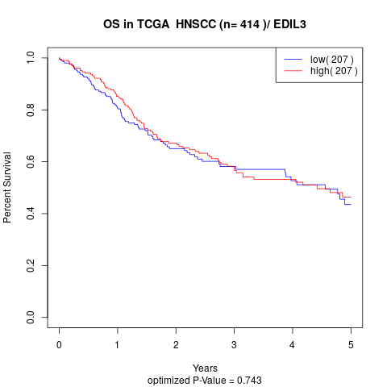

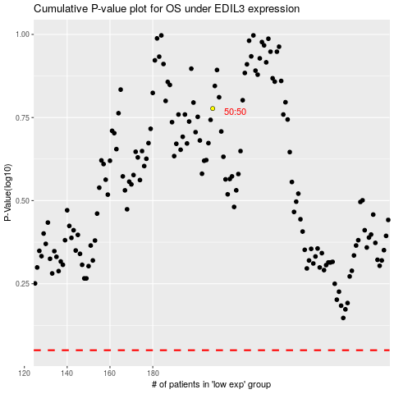

 |  |  |  |  |  | cases_OS | p_OS | rank | exp
 |  |  |  |  |  |  | cases_RFS | p_RFS | rank | exp

