EDN1 _multivariate
Reported by Tex Li-Hsing Chi. tex@gate.sinica.edu.tw 2019-08-20

Table 2. The clinicopathological features of HNSCC cohort and EDN1 expression. (Chi square test)
Cutoff at -0.259 (50.0%)
 |  | EDN1 expression |  | EDN1 expression |  | (Optimised)
 | Features | Low | (%) | High | (%) | Case no | P-value | Remark | Matthews
Gender | Female | 158 | 38.1 | 148 | 35.7 | 415 | 0.2774 | 0 | 0
2 | Male | 49 | 11.8 | 60 | 14.5
Age at diagnosis | <=65y | 138 | 33.3 | 136 | 32.8 | 415 | 0.8634 | 0 | 0
4 | >65y | 69 | 16.6 | 72 | 17.3
Clinical T Status | T1+T2 | 70 | 16.9 | 79 | 19 | 415 | 0.4343 | 0 | 0
6 | T3+T4 | 137 | 33 | 129 | 31.1
Clinical N Status | N0 | 102 | 24.6 | 114 | 27.5 | 415 | 0.3031 | 0 | 0
8 | N1-3 | 105 | 25.3 | 94 | 22.7
Clinical M Status | M0 | 205 | 49.4 | 207 | 49.9 | 415 | 0.6232 | 0 | 0
10 | M1 | 2 | 0.5 | 1 | 0.2
Clinical Stage | Stage I+II | 48 | 11.6 | 54 | 13 | 415 | 0.5878 | 0 | 0
12 | Stage III+IV | 159 | 38.3 | 154 | 37.1
Surgical Margin status | Negative | 156 | 37.6 | 162 | 39 | 415 | 0.5636 | 0 | 0
14 | Positive | 51 | 12.3 | 46 | 11.1
Tobacco Exposure | Low | 77 | 18.6 | 84 | 20.2 | 415 | 0.5459 | 0 | 0
16 | High | 130 | 31.3 | 124 | 29.9

Table 3. Univariate/Multivariate Cox's proportional hazards regression analyses on OS time of EDN1 gene expression in HNSCC

 |  | Univariate |  |  |  | Multivariate
 | Features | HR | CI95%(L) | CI95%(H) | P-value | HR | CI95%(L) | CI95%(H) | P-value
1 | Female | 1 |  |  |  | 1
Gender | Male | 1.157 | 0.843 | 1.587 | 0.367 | 1.207 | 0.863 | 1.686 | 0.271
11 | <=65y | 1 |  |  |  | 1
Age at diagnosis | >65y | 1.329 | 0.99 | 1.784 | 0.058 | 1.391 | 1.023 | 1.891 | 0.035
12 | T1+T2 | 1 |  |  |  | 1
Clinical T Status | T3+T4 | 1.409 | 1.028 | 1.931 | 0.033 | 2.182 | 1.152 | 4.132 | 0.017
13 | N0 | 1 |  |  |  | 1
Clinical N Status | N1-3 | 1.185 | 0.89 | 1.577 | 0.246 | 1.225 | 0.855 | 1.756 | 0.269
14 | M0 | 1 |  |  |  | 1
Clinical M Status | M1 | 4.097 | 1.009 | 16.644 | 0.049 | 9.333 | 2.035 | 42.804 | 0.004
15 | Stage I+II | 1 |  |  |  | 1
Clinical Stage | Stage III+IV | 1.245 | 0.882 | 1.759 | 0.213 | 0.508 | 0.237 | 1.092 | 0.083
16 | Negative | 1 |  |  |  | 1
Surgical Margin status | Positive | 1.591 | 1.155 | 2.191 | 0.004 | 1.669 | 1.208 | 2.306 | 0.002
17 | Low | 1 |  |  |  | 1
Tobacco Exposure | High | 1.364 | 1.008 | 1.844 | 0.044 | 1.454 | 1.055 | 2.004 | 0.022
18 | Low | 1 |  |  |  | 1
RNAseq(z-score) | High | 0.882 | 0.662 | 1.176 | 0.392 | 0.937 | 0.698 | 1.257 | 0.663

Table 4. Univariate/Multivariate Cox's proportional hazards regression analyses on RFS time of EDN1 gene expression in HNSCC

 |  | Univariate |  |  |  | Multivariate
 | Features | HR | CI95%(L) | CI95%(H) | P-value | HR | CI95%(L) | CI95%(H) | P-value
1 | Female | 1 |  |  |  | 1
Gender | Male | 1.157 | 0.843 | 1.587 | 0.367 | 1.207 | 0.863 | 1.686 | 0.271
11 | <=65y | 1 |  |  |  | 1
Age at diagnosis | >65y | 1.329 | 0.99 | 1.784 | 0.058 | 1.391 | 1.023 | 1.891 | 0.035
12 | T1+T2 | 1 |  |  |  | 1
Clinical T Status | T3+T4 | 1.409 | 1.028 | 1.931 | 0.033 | 2.182 | 1.152 | 4.132 | 0.017
13 | N0 | 1 |  |  |  | 1
Clinical N Status | N1-3 | 1.185 | 0.89 | 1.577 | 0.246 | 1.225 | 0.855 | 1.756 | 0.269
14 | M0 | 1 |  |  |  | 1
Clinical M Status | M1 | 4.097 | 1.009 | 16.644 | 0.049 | 9.333 | 2.035 | 42.804 | 0.004
15 | Stage I+II | 1 |  |  |  | 1
Clinical Stage | Stage III+IV | 1.245 | 0.882 | 1.759 | 0.213 | 0.508 | 0.237 | 1.092 | 0.083
16 | Negative | 1 |  |  |  | 1
Surgical Margin status | Positive | 1.591 | 1.155 | 2.191 | 0.004 | 1.669 | 1.208 | 2.306 | 0.002
17 | Low | 1 |  |  |  | 1
Tobacco Exposure | High | 1.364 | 1.008 | 1.844 | 0.044 | 1.454 | 1.055 | 2.004 | 0.022
18 | Low | 1 |  |  |  | 1
RNAseq(z-score) | High | 0.882 | 0.662 | 1.176 | 0.392 | 0.937 | 0.698 | 1.257 | 0.663

Kaplan-Meier survival estimate: Cutoff at -0.259 (50.0%)



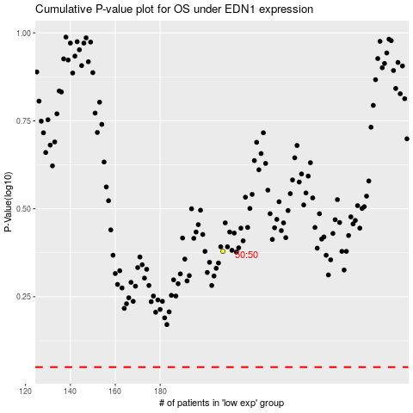

 |  |  |  |  |  | cases_OS | p_OS | rank | exp
 |  |  |  |  |  |  | cases_RFS | p_RFS | rank | exp

