EED _multivariate
Reported by Tex Li-Hsing Chi. tex@gate.sinica.edu.tw 2019-08-20

Table 2. The clinicopathological features of HNSCC cohort and EED expression. (Chi square test)
Cutoff at -0.147 (49.8%)
 |  | EED expression |  | EED expression |  | (Optimised)
 | Features | Low | (%) | High | (%) | Case no | P-value | Remark | Matthews
Gender | Female | 154 | 37.1 | 152 | 36.6 | 415 | 0.8463 | 0 | 0
2 | Male | 53 | 12.8 | 56 | 13.5
Age at diagnosis | <=65y | 134 | 32.3 | 140 | 33.7 | 415 | 0.6529 | 0 | 0
4 | >65y | 73 | 17.6 | 68 | 16.4
Clinical T Status | T1+T2 | 72 | 17.3 | 77 | 18.6 | 415 | 0.7095 | 0 | 0
6 | T3+T4 | 135 | 32.5 | 131 | 31.6
Clinical N Status | N0 | 100 | 24.1 | 116 | 28 | 415 | 0.1548 | 0 | 0
8 | N1-3 | 107 | 25.8 | 92 | 22.2
Clinical M Status | M0 | 205 | 49.4 | 207 | 49.9 | 415 | 0.6232 | 0 | 0
10 | M1 | 2 | 0.5 | 1 | 0.2
Clinical Stage | Stage I+II | 46 | 11.1 | 56 | 13.5 | 415 | 0.3182 | 0 | 0
12 | Stage III+IV | 161 | 38.8 | 152 | 36.6
Surgical Margin status | Negative | 166 | 40 | 152 | 36.6 | 415 | 0.1042 | 0 | 0
14 | Positive | 41 | 9.9 | 56 | 13.5
Tobacco Exposure | Low | 77 | 18.6 | 84 | 20.2 | 415 | 0.5459 | 0 | 0
16 | High | 130 | 31.3 | 124 | 29.9

Table 3. Univariate/Multivariate Cox's proportional hazards regression analyses on OS time of EED gene expression in HNSCC

 |  | Univariate |  |  |  | Multivariate
 | Features | HR | CI95%(L) | CI95%(H) | P-value | HR | CI95%(L) | CI95%(H) | P-value
1 | Female | 1 |  |  |  | 1
Gender | Male | 1.157 | 0.843 | 1.587 | 0.367 | 1.196 | 0.856 | 1.672 | 0.295
11 | <=65y | 1 |  |  |  | 1
Age at diagnosis | >65y | 1.329 | 0.99 | 1.784 | 0.058 | 1.376 | 1.011 | 1.872 | 0.042
12 | T1+T2 | 1 |  |  |  | 1
Clinical T Status | T3+T4 | 1.409 | 1.028 | 1.931 | 0.033 | 2.192 | 1.159 | 4.146 | 0.016
13 | N0 | 1 |  |  |  | 1
Clinical N Status | N1-3 | 1.185 | 0.89 | 1.577 | 0.246 | 1.225 | 0.857 | 1.749 | 0.265
14 | M0 | 1 |  |  |  | 1
Clinical M Status | M1 | 4.097 | 1.009 | 16.644 | 0.049 | 9.275 | 2.023 | 42.511 | 0.004
15 | Stage I+II | 1 |  |  |  | 1
Clinical Stage | Stage III+IV | 1.245 | 0.882 | 1.759 | 0.213 | 0.504 | 0.235 | 1.082 | 0.079
16 | Negative | 1 |  |  |  | 1
Surgical Margin status | Positive | 1.591 | 1.155 | 2.191 | 0.004 | 1.725 | 1.242 | 2.395 | 0.001
17 | Low | 1 |  |  |  | 1
Tobacco Exposure | High | 1.364 | 1.008 | 1.844 | 0.044 | 1.456 | 1.057 | 2.006 | 0.021
18 | Low | 1 |  |  |  | 1
RNAseq(z-score) | High | 0.873 | 0.655 | 1.165 | 0.356 | 0.846 | 0.63 | 1.136 | 0.267

Table 4. Univariate/Multivariate Cox's proportional hazards regression analyses on RFS time of EED gene expression in HNSCC

 |  | Univariate |  |  |  | Multivariate
 | Features | HR | CI95%(L) | CI95%(H) | P-value | HR | CI95%(L) | CI95%(H) | P-value
1 | Female | 1 |  |  |  | 1
Gender | Male | 1.157 | 0.843 | 1.587 | 0.367 | 1.196 | 0.856 | 1.672 | 0.295
11 | <=65y | 1 |  |  |  | 1
Age at diagnosis | >65y | 1.329 | 0.99 | 1.784 | 0.058 | 1.376 | 1.011 | 1.872 | 0.042
12 | T1+T2 | 1 |  |  |  | 1
Clinical T Status | T3+T4 | 1.409 | 1.028 | 1.931 | 0.033 | 2.192 | 1.159 | 4.146 | 0.016
13 | N0 | 1 |  |  |  | 1
Clinical N Status | N1-3 | 1.185 | 0.89 | 1.577 | 0.246 | 1.225 | 0.857 | 1.749 | 0.265
14 | M0 | 1 |  |  |  | 1
Clinical M Status | M1 | 4.097 | 1.009 | 16.644 | 0.049 | 9.275 | 2.023 | 42.511 | 0.004
15 | Stage I+II | 1 |  |  |  | 1
Clinical Stage | Stage III+IV | 1.245 | 0.882 | 1.759 | 0.213 | 0.504 | 0.235 | 1.082 | 0.079
16 | Negative | 1 |  |  |  | 1
Surgical Margin status | Positive | 1.591 | 1.155 | 2.191 | 0.004 | 1.725 | 1.242 | 2.395 | 0.001
17 | Low | 1 |  |  |  | 1
Tobacco Exposure | High | 1.364 | 1.008 | 1.844 | 0.044 | 1.456 | 1.057 | 2.006 | 0.021
18 | Low | 1 |  |  |  | 1
RNAseq(z-score) | High | 0.873 | 0.655 | 1.165 | 0.356 | 0.846 | 0.63 | 1.136 | 0.267

Kaplan-Meier survival estimate: Cutoff at -0.147 (49.8%)



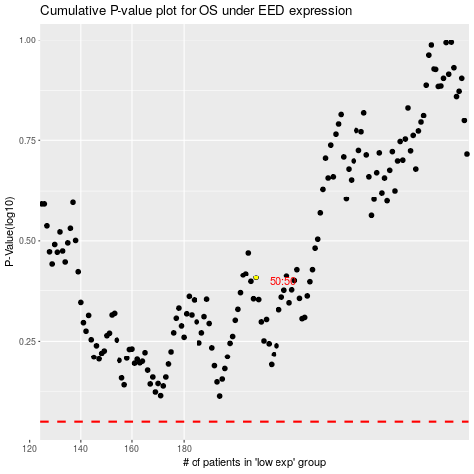

 |  |  |  |  |  | cases_OS | p_OS | rank | exp
 |  |  |  |  |  |  | cases_RFS | p_RFS | rank | exp

