EEF1A1 _multivariate
Reported by Tex Li-Hsing Chi. tex@gate.sinica.edu.tw 2019-08-20

Table 2. The clinicopathological features of HNSCC cohort and EEF1A1 expression. (Chi square test)
Cutoff at -0.3 (49.8%)
 |  | EEF1A1 expression |  | EEF1A1 expression |  | (Optimised)
 | Features | Low | (%) | High | (%) | Case no | P-value | Remark | Matthews
Gender | Female | 149 | 35.9 | 157 | 37.8 | 415 | 0.4848 | 0 | 0
2 | Male | 58 | 14 | 51 | 12.3
Age at diagnosis | <=65y | 143 | 34.5 | 131 | 31.6 | 415 | 0.2269 | 0 | 0
4 | >65y | 64 | 15.4 | 77 | 18.6
Clinical T Status | T1+T2 | 78 | 18.8 | 71 | 17.1 | 415 | 0.5152 | 0 | 0
6 | T3+T4 | 129 | 31.1 | 137 | 33
Clinical N Status | N0 | 107 | 25.8 | 109 | 26.3 | 415 | 0.9624 | 0 | 0
8 | N1-3 | 100 | 24.1 | 99 | 23.9
Clinical M Status | M0 | 207 | 49.9 | 205 | 49.4 | 415 | 0.2482 | 0 | 0
10 | M1 | 0 | 0 | 3 | 0.7
Clinical Stage | Stage I+II | 50 | 12 | 52 | 12.5 | 415 | 0.9315 | 0 | 0
12 | Stage III+IV | 157 | 37.8 | 156 | 37.6
Surgical Margin status | Negative | 167 | 40.2 | 151 | 36.4 | 415 | 0.0632 | 0 | 0
14 | Positive | 40 | 9.6 | 57 | 13.7
Tobacco Exposure | Low | 90 | 21.7 | 71 | 17.1 | 415 | 0.0559 | 0 | 0
16 | High | 117 | 28.2 | 137 | 33

Table 3. Univariate/Multivariate Cox's proportional hazards regression analyses on OS time of EEF1A1 gene expression in HNSCC

 |  | Univariate |  |  |  | Multivariate
 | Features | HR | CI95%(L) | CI95%(H) | P-value | HR | CI95%(L) | CI95%(H) | P-value
1 | Female | 1 |  |  |  | 1
Gender | Male | 1.157 | 0.843 | 1.587 | 0.367 | 1.202 | 0.86 | 1.679 | 0.281
11 | <=65y | 1 |  |  |  | 1
Age at diagnosis | >65y | 1.329 | 0.99 | 1.784 | 0.058 | 1.385 | 1.018 | 1.884 | 0.038
12 | T1+T2 | 1 |  |  |  | 1
Clinical T Status | T3+T4 | 1.409 | 1.028 | 1.931 | 0.033 | 2.183 | 1.155 | 4.125 | 0.016
13 | N0 | 1 |  |  |  | 1
Clinical N Status | N1-3 | 1.185 | 0.89 | 1.577 | 0.246 | 1.24 | 0.869 | 1.77 | 0.235
14 | M0 | 1 |  |  |  | 1
Clinical M Status | M1 | 4.097 | 1.009 | 16.644 | 0.049 | 8.749 | 1.894 | 40.424 | 0.005
15 | Stage I+II | 1 |  |  |  | 1
Clinical Stage | Stage III+IV | 1.245 | 0.882 | 1.759 | 0.213 | 0.509 | 0.237 | 1.093 | 0.083
16 | Negative | 1 |  |  |  | 1
Surgical Margin status | Positive | 1.591 | 1.155 | 2.191 | 0.004 | 1.65 | 1.193 | 2.283 | 0.002
17 | Low | 1 |  |  |  | 1
Tobacco Exposure | High | 1.364 | 1.008 | 1.844 | 0.044 | 1.451 | 1.053 | 2.001 | 0.023
18 | Low | 1 |  |  |  | 1
RNAseq(z-score) | High | 1.224 | 0.919 | 1.63 | 0.168 | 1.142 | 0.854 | 1.526 | 0.371

Table 4. Univariate/Multivariate Cox's proportional hazards regression analyses on RFS time of EEF1A1 gene expression in HNSCC

 |  | Univariate |  |  |  | Multivariate
 | Features | HR | CI95%(L) | CI95%(H) | P-value | HR | CI95%(L) | CI95%(H) | P-value
1 | Female | 1 |  |  |  | 1
Gender | Male | 1.157 | 0.843 | 1.587 | 0.367 | 1.202 | 0.86 | 1.679 | 0.281
11 | <=65y | 1 |  |  |  | 1
Age at diagnosis | >65y | 1.329 | 0.99 | 1.784 | 0.058 | 1.385 | 1.018 | 1.884 | 0.038
12 | T1+T2 | 1 |  |  |  | 1
Clinical T Status | T3+T4 | 1.409 | 1.028 | 1.931 | 0.033 | 2.183 | 1.155 | 4.125 | 0.016
13 | N0 | 1 |  |  |  | 1
Clinical N Status | N1-3 | 1.185 | 0.89 | 1.577 | 0.246 | 1.24 | 0.869 | 1.77 | 0.235
14 | M0 | 1 |  |  |  | 1
Clinical M Status | M1 | 4.097 | 1.009 | 16.644 | 0.049 | 8.749 | 1.894 | 40.424 | 0.005
15 | Stage I+II | 1 |  |  |  | 1
Clinical Stage | Stage III+IV | 1.245 | 0.882 | 1.759 | 0.213 | 0.509 | 0.237 | 1.093 | 0.083
16 | Negative | 1 |  |  |  | 1
Surgical Margin status | Positive | 1.591 | 1.155 | 2.191 | 0.004 | 1.65 | 1.193 | 2.283 | 0.002
17 | Low | 1 |  |  |  | 1
Tobacco Exposure | High | 1.364 | 1.008 | 1.844 | 0.044 | 1.451 | 1.053 | 2.001 | 0.023
18 | Low | 1 |  |  |  | 1
RNAseq(z-score) | High | 1.224 | 0.919 | 1.63 | 0.168 | 1.142 | 0.854 | 1.526 | 0.371

Kaplan-Meier survival estimate: Cutoff at -0.3 (49.8%)



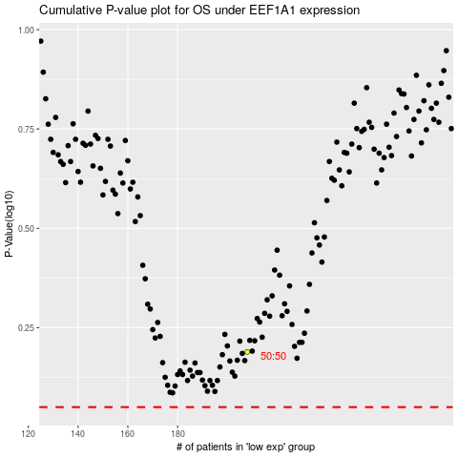

 |  |  |  |  |  | cases_OS | p_OS | rank | exp
 |  |  |  |  |  |  | cases_RFS | p_RFS | rank | exp

