EEF1A1P9 _multivariate
Reported by Tex Li-Hsing Chi. tex@gate.sinica.edu.tw 2019-08-20

Table 2. The clinicopathological features of HNSCC cohort and EEF1A1P9 expression. (Chi square test)
Cutoff at -0.32 (49.8%)
 |  | EEF1A1P9 expression |  | EEF1A1P9 expression |  | (Optimised)
 | Features | Low | (%) | High | (%) | Case no | P-value | Remark | Matthews
Gender | Female | 152 | 36.6 | 154 | 37.1 | 415 | 0.9766 | 0 | 0
2 | Male | 55 | 13.3 | 54 | 13
Age at diagnosis | <=65y | 140 | 33.7 | 134 | 32.3 | 415 | 0.5574 | 0 | 0
4 | >65y | 67 | 16.1 | 74 | 17.8
Clinical T Status | T1+T2 | 74 | 17.8 | 75 | 18.1 | 415 | 1 | 0 | 0
6 | T3+T4 | 133 | 32 | 133 | 32
Clinical N Status | N0 | 100 | 24.1 | 116 | 28 | 415 | 0.1548 | 0 | 0
8 | N1-3 | 107 | 25.8 | 92 | 22.2
Clinical M Status | M0 | 205 | 49.4 | 207 | 49.9 | 415 | 0.6232 | 0 | 0
10 | M1 | 2 | 0.5 | 1 | 0.2
Clinical Stage | Stage I+II | 45 | 10.8 | 57 | 13.7 | 415 | 0.2202 | 0 | 0
12 | Stage III+IV | 162 | 39 | 151 | 36.4
Surgical Margin status | Negative | 161 | 38.8 | 157 | 37.8 | 415 | 0.6429 | 0 | 0
14 | Positive | 46 | 11.1 | 51 | 12.3
Tobacco Exposure | Low | 87 | 21 | 74 | 17.8 | 415 | 0.1911 | 0 | 0
16 | High | 120 | 28.9 | 134 | 32.3

Table 3. Univariate/Multivariate Cox's proportional hazards regression analyses on OS time of EEF1A1P9 gene expression in HNSCC

 |  | Univariate |  |  |  | Multivariate
 | Features | HR | CI95%(L) | CI95%(H) | P-value | HR | CI95%(L) | CI95%(H) | P-value
1 | Female | 1 |  |  |  | 1
Gender | Male | 1.157 | 0.843 | 1.587 | 0.367 | 1.204 | 0.862 | 1.682 | 0.276
11 | <=65y | 1 |  |  |  | 1
Age at diagnosis | >65y | 1.329 | 0.99 | 1.784 | 0.058 | 1.395 | 1.026 | 1.897 | 0.034
12 | T1+T2 | 1 |  |  |  | 1
Clinical T Status | T3+T4 | 1.409 | 1.028 | 1.931 | 0.033 | 2.2 | 1.164 | 4.159 | 0.015
13 | N0 | 1 |  |  |  | 1
Clinical N Status | N1-3 | 1.185 | 0.89 | 1.577 | 0.246 | 1.245 | 0.872 | 1.777 | 0.228
14 | M0 | 1 |  |  |  | 1
Clinical M Status | M1 | 4.097 | 1.009 | 16.644 | 0.049 | 9.544 | 2.078 | 43.838 | 0.004
15 | Stage I+II | 1 |  |  |  | 1
Clinical Stage | Stage III+IV | 1.245 | 0.882 | 1.759 | 0.213 | 0.506 | 0.236 | 1.086 | 0.08
16 | Negative | 1 |  |  |  | 1
Surgical Margin status | Positive | 1.591 | 1.155 | 2.191 | 0.004 | 1.67 | 1.209 | 2.307 | 0.002
17 | Low | 1 |  |  |  | 1
Tobacco Exposure | High | 1.364 | 1.008 | 1.844 | 0.044 | 1.454 | 1.054 | 2.004 | 0.022
18 | Low | 1 |  |  |  | 1
RNAseq(z-score) | High | 1.029 | 0.772 | 1.371 | 0.845 | 1.056 | 0.79 | 1.41 | 0.714

Table 4. Univariate/Multivariate Cox's proportional hazards regression analyses on RFS time of EEF1A1P9 gene expression in HNSCC

 |  | Univariate |  |  |  | Multivariate
 | Features | HR | CI95%(L) | CI95%(H) | P-value | HR | CI95%(L) | CI95%(H) | P-value
1 | Female | 1 |  |  |  | 1
Gender | Male | 1.157 | 0.843 | 1.587 | 0.367 | 1.204 | 0.862 | 1.682 | 0.276
11 | <=65y | 1 |  |  |  | 1
Age at diagnosis | >65y | 1.329 | 0.99 | 1.784 | 0.058 | 1.395 | 1.026 | 1.897 | 0.034
12 | T1+T2 | 1 |  |  |  | 1
Clinical T Status | T3+T4 | 1.409 | 1.028 | 1.931 | 0.033 | 2.2 | 1.164 | 4.159 | 0.015
13 | N0 | 1 |  |  |  | 1
Clinical N Status | N1-3 | 1.185 | 0.89 | 1.577 | 0.246 | 1.245 | 0.872 | 1.777 | 0.228
14 | M0 | 1 |  |  |  | 1
Clinical M Status | M1 | 4.097 | 1.009 | 16.644 | 0.049 | 9.544 | 2.078 | 43.838 | 0.004
15 | Stage I+II | 1 |  |  |  | 1
Clinical Stage | Stage III+IV | 1.245 | 0.882 | 1.759 | 0.213 | 0.506 | 0.236 | 1.086 | 0.08
16 | Negative | 1 |  |  |  | 1
Surgical Margin status | Positive | 1.591 | 1.155 | 2.191 | 0.004 | 1.67 | 1.209 | 2.307 | 0.002
17 | Low | 1 |  |  |  | 1
Tobacco Exposure | High | 1.364 | 1.008 | 1.844 | 0.044 | 1.454 | 1.054 | 2.004 | 0.022
18 | Low | 1 |  |  |  | 1
RNAseq(z-score) | High | 1.029 | 0.772 | 1.371 | 0.845 | 1.056 | 0.79 | 1.41 | 0.714

Kaplan-Meier survival estimate: Cutoff at -0.32 (49.8%)



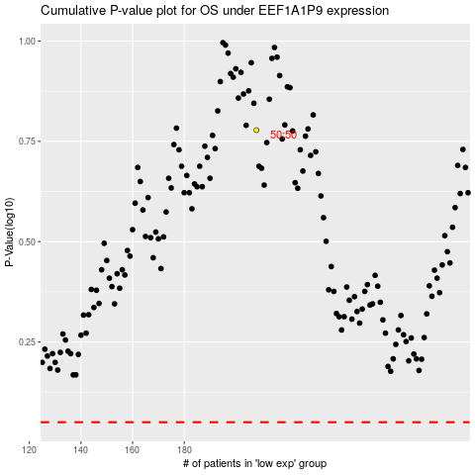

 |  |  |  |  |  | cases_OS | p_OS | rank | exp
 |  |  |  |  |  |  | cases_RFS | p_RFS | rank | exp

