EEF1E1 _multivariate
Reported by Tex Li-Hsing Chi. tex@gate.sinica.edu.tw 2019-08-20

Table 2. The clinicopathological features of HNSCC cohort and EEF1E1 expression. (Chi square test)
Cutoff at -0.218 (49.8%)
 |  | EEF1E1 expression |  | EEF1E1 expression |  | (Optimised)
 | Features | Low | (%) | High | (%) | Case no | P-value | Remark | Matthews
Gender | Female | 147 | 35.4 | 159 | 38.3 | 415 | 0.2523 | 0 | 0
2 | Male | 60 | 14.5 | 49 | 11.8
Age at diagnosis | <=65y | 126 | 30.4 | 148 | 35.7 | 415 | 0.035 | 1 | 0
4 | >65y | 81 | 19.5 | 60 | 14.5
Clinical T Status | T1+T2 | 73 | 17.6 | 76 | 18.3 | 415 | 0.8666 | 0 | 0
6 | T3+T4 | 134 | 32.3 | 132 | 31.8
Clinical N Status | N0 | 113 | 27.2 | 103 | 24.8 | 415 | 0.3495 | 1 | 0
8 | N1-3 | 94 | 22.7 | 105 | 25.3
Clinical M Status | M0 | 207 | 49.9 | 205 | 49.4 | 415 | 0.2482 | 0 | 0
10 | M1 | 0 | 0 | 3 | 0.7
Clinical Stage | Stage I+II | 54 | 13 | 48 | 11.6 | 415 | 0.5498 | 0 | 0
12 | Stage III+IV | 153 | 36.9 | 160 | 38.6
Surgical Margin status | Negative | 171 | 41.2 | 147 | 35.4 | 415 | 0.0052 | 1 | 0
14 | Positive | 36 | 8.7 | 61 | 14.7
Tobacco Exposure | Low | 86 | 20.7 | 75 | 18.1 | 415 | 0.2687 | 0 | 0
16 | High | 121 | 29.2 | 133 | 32

Table 3. Univariate/Multivariate Cox's proportional hazards regression analyses on OS time of EEF1E1 gene expression in HNSCC

 |  | Univariate |  |  |  | Multivariate
 | Features | HR | CI95%(L) | CI95%(H) | P-value | HR | CI95%(L) | CI95%(H) | P-value
1 | Female | 1 |  |  |  | 1
Gender | Male | 1.157 | 0.843 | 1.587 | 0.367 | 1.197 | 0.857 | 1.673 | 0.292
11 | <=65y | 1 |  |  |  | 1
Age at diagnosis | >65y | 1.329 | 0.99 | 1.784 | 0.058 | 1.431 | 1.05 | 1.951 | 0.023
12 | T1+T2 | 1 |  |  |  | 1
Clinical T Status | T3+T4 | 1.409 | 1.028 | 1.931 | 0.033 | 2.246 | 1.187 | 4.247 | 0.013
13 | N0 | 1 |  |  |  | 1
Clinical N Status | N1-3 | 1.185 | 0.89 | 1.577 | 0.246 | 1.24 | 0.869 | 1.769 | 0.236
14 | M0 | 1 |  |  |  | 1
Clinical M Status | M1 | 4.097 | 1.009 | 16.644 | 0.049 | 8.71 | 1.893 | 40.083 | 0.005
15 | Stage I+II | 1 |  |  |  | 1
Clinical Stage | Stage III+IV | 1.245 | 0.882 | 1.759 | 0.213 | 0.497 | 0.232 | 1.068 | 0.073
16 | Negative | 1 |  |  |  | 1
Surgical Margin status | Positive | 1.591 | 1.155 | 2.191 | 0.004 | 1.618 | 1.167 | 2.244 | 0.004
17 | Low | 1 |  |  |  | 1
Tobacco Exposure | High | 1.364 | 1.008 | 1.844 | 0.044 | 1.431 | 1.038 | 1.972 | 0.029
18 | Low | 1 |  |  |  | 1
RNAseq(z-score) | High | 1.247 | 0.935 | 1.663 | 0.133 | 1.213 | 0.9 | 1.633 | 0.205

Table 4. Univariate/Multivariate Cox's proportional hazards regression analyses on RFS time of EEF1E1 gene expression in HNSCC

 |  | Univariate |  |  |  | Multivariate
 | Features | HR | CI95%(L) | CI95%(H) | P-value | HR | CI95%(L) | CI95%(H) | P-value
1 | Female | 1 |  |  |  | 1
Gender | Male | 1.157 | 0.843 | 1.587 | 0.367 | 1.197 | 0.857 | 1.673 | 0.292
11 | <=65y | 1 |  |  |  | 1
Age at diagnosis | >65y | 1.329 | 0.99 | 1.784 | 0.058 | 1.431 | 1.05 | 1.951 | 0.023
12 | T1+T2 | 1 |  |  |  | 1
Clinical T Status | T3+T4 | 1.409 | 1.028 | 1.931 | 0.033 | 2.246 | 1.187 | 4.247 | 0.013
13 | N0 | 1 |  |  |  | 1
Clinical N Status | N1-3 | 1.185 | 0.89 | 1.577 | 0.246 | 1.24 | 0.869 | 1.769 | 0.236
14 | M0 | 1 |  |  |  | 1
Clinical M Status | M1 | 4.097 | 1.009 | 16.644 | 0.049 | 8.71 | 1.893 | 40.083 | 0.005
15 | Stage I+II | 1 |  |  |  | 1
Clinical Stage | Stage III+IV | 1.245 | 0.882 | 1.759 | 0.213 | 0.497 | 0.232 | 1.068 | 0.073
16 | Negative | 1 |  |  |  | 1
Surgical Margin status | Positive | 1.591 | 1.155 | 2.191 | 0.004 | 1.618 | 1.167 | 2.244 | 0.004
17 | Low | 1 |  |  |  | 1
Tobacco Exposure | High | 1.364 | 1.008 | 1.844 | 0.044 | 1.431 | 1.038 | 1.972 | 0.029
18 | Low | 1 |  |  |  | 1
RNAseq(z-score) | High | 1.247 | 0.935 | 1.663 | 0.133 | 1.213 | 0.9 | 1.633 | 0.205

Kaplan-Meier survival estimate: Cutoff at -0.218 (49.8%)



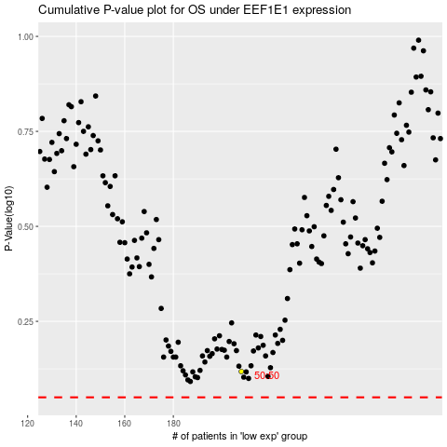

 |  |  |  |  |  | cases_OS | p_OS | rank | exp
 |  |  |  |  |  |  | cases_RFS | p_RFS | rank | exp

