EFCAB1 _multivariate
Reported by Tex Li-Hsing Chi. tex@gate.sinica.edu.tw 2019-08-20

Table 2. The clinicopathological features of HNSCC cohort and EFCAB1 expression. (Chi square test)
Cutoff at -0.221 (49.8%)
 |  | EFCAB1 expression |  | EFCAB1 expression |  | (Optimised)
 | Features | Low | (%) | High | (%) | Case no | P-value | Remark | Matthews
Gender | Female | 139 | 33.5 | 167 | 40.2 | 415 | 0.0034 | 1 | 0
2 | Male | 68 | 16.4 | 41 | 9.9
Age at diagnosis | <=65y | 132 | 31.8 | 142 | 34.2 | 415 | 0.3874 | 0 | 0
4 | >65y | 75 | 18.1 | 66 | 15.9
Clinical T Status | T1+T2 | 77 | 18.6 | 72 | 17.3 | 415 | 0.6556 | 0 | 0
6 | T3+T4 | 130 | 31.3 | 136 | 32.8
Clinical N Status | N0 | 114 | 27.5 | 102 | 24.6 | 415 | 0.2576 | 1 | 0
8 | N1-3 | 93 | 22.4 | 106 | 25.5
Clinical M Status | M0 | 206 | 49.6 | 206 | 49.6 | 415 | 1 | 0 | 0
10 | M1 | 1 | 0.2 | 2 | 0.5
Clinical Stage | Stage I+II | 51 | 12.3 | 51 | 12.3 | 415 | 1 | 0 | 0
12 | Stage III+IV | 156 | 37.6 | 157 | 37.8
Surgical Margin status | Negative | 152 | 36.6 | 166 | 40 | 415 | 0.1329 | 0 | 0
14 | Positive | 55 | 13.3 | 42 | 10.1
Tobacco Exposure | Low | 94 | 22.7 | 67 | 16.1 | 415 | 0.0065 | 1 | 0
16 | High | 113 | 27.2 | 141 | 34

Table 3. Univariate/Multivariate Cox's proportional hazards regression analyses on OS time of EFCAB1 gene expression in HNSCC

 |  | Univariate |  |  |  | Multivariate
 | Features | HR | CI95%(L) | CI95%(H) | P-value | HR | CI95%(L) | CI95%(H) | P-value
1 | Female | 1 |  |  |  | 1
Gender | Male | 1.157 | 0.843 | 1.587 | 0.367 | 1.201 | 0.855 | 1.686 | 0.291
11 | <=65y | 1 |  |  |  | 1
Age at diagnosis | >65y | 1.329 | 0.99 | 1.784 | 0.058 | 1.392 | 1.023 | 1.895 | 0.035
12 | T1+T2 | 1 |  |  |  | 1
Clinical T Status | T3+T4 | 1.409 | 1.028 | 1.931 | 0.033 | 2.203 | 1.165 | 4.167 | 0.015
13 | N0 | 1 |  |  |  | 1
Clinical N Status | N1-3 | 1.185 | 0.89 | 1.577 | 0.246 | 1.241 | 0.869 | 1.773 | 0.235
14 | M0 | 1 |  |  |  | 1
Clinical M Status | M1 | 4.097 | 1.009 | 16.644 | 0.049 | 9.411 | 2.052 | 43.154 | 0.004
15 | Stage I+II | 1 |  |  |  | 1
Clinical Stage | Stage III+IV | 1.245 | 0.882 | 1.759 | 0.213 | 0.504 | 0.235 | 1.083 | 0.079
16 | Negative | 1 |  |  |  | 1
Surgical Margin status | Positive | 1.591 | 1.155 | 2.191 | 0.004 | 1.671 | 1.207 | 2.313 | 0.002
17 | Low | 1 |  |  |  | 1
Tobacco Exposure | High | 1.364 | 1.008 | 1.844 | 0.044 | 1.454 | 1.049 | 2.015 | 0.024
18 | Low | 1 |  |  |  | 1
RNAseq(z-score) | High | 1.029 | 0.771 | 1.374 | 0.847 | 0.996 | 0.734 | 1.35 | 0.977

Table 4. Univariate/Multivariate Cox's proportional hazards regression analyses on RFS time of EFCAB1 gene expression in HNSCC

 |  | Univariate |  |  |  | Multivariate
 | Features | HR | CI95%(L) | CI95%(H) | P-value | HR | CI95%(L) | CI95%(H) | P-value
1 | Female | 1 |  |  |  | 1
Gender | Male | 1.157 | 0.843 | 1.587 | 0.367 | 1.201 | 0.855 | 1.686 | 0.291
11 | <=65y | 1 |  |  |  | 1
Age at diagnosis | >65y | 1.329 | 0.99 | 1.784 | 0.058 | 1.392 | 1.023 | 1.895 | 0.035
12 | T1+T2 | 1 |  |  |  | 1
Clinical T Status | T3+T4 | 1.409 | 1.028 | 1.931 | 0.033 | 2.203 | 1.165 | 4.167 | 0.015
13 | N0 | 1 |  |  |  | 1
Clinical N Status | N1-3 | 1.185 | 0.89 | 1.577 | 0.246 | 1.241 | 0.869 | 1.773 | 0.235
14 | M0 | 1 |  |  |  | 1
Clinical M Status | M1 | 4.097 | 1.009 | 16.644 | 0.049 | 9.411 | 2.052 | 43.154 | 0.004
15 | Stage I+II | 1 |  |  |  | 1
Clinical Stage | Stage III+IV | 1.245 | 0.882 | 1.759 | 0.213 | 0.504 | 0.235 | 1.083 | 0.079
16 | Negative | 1 |  |  |  | 1
Surgical Margin status | Positive | 1.591 | 1.155 | 2.191 | 0.004 | 1.671 | 1.207 | 2.313 | 0.002
17 | Low | 1 |  |  |  | 1
Tobacco Exposure | High | 1.364 | 1.008 | 1.844 | 0.044 | 1.454 | 1.049 | 2.015 | 0.024
18 | Low | 1 |  |  |  | 1
RNAseq(z-score) | High | 1.029 | 0.771 | 1.374 | 0.847 | 0.996 | 0.734 | 1.35 | 0.977

Kaplan-Meier survival estimate: Cutoff at -0.221 (49.8%)



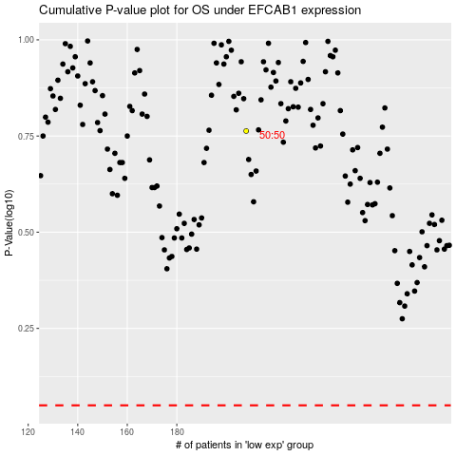

 |  |  |  |  |  | cases_OS | p_OS | rank | exp
 |  |  |  |  |  |  | cases_RFS | p_RFS | rank | exp

