EFCAB4A _multivariate
Reported by Tex Li-Hsing Chi. tex@gate.sinica.edu.tw 2019-08-20

Table 2. The clinicopathological features of HNSCC cohort and EFCAB4A expression. (Chi square test)
Cutoff at -0.135 (68.6%)
 |  | EFCAB4A expression |  | EFCAB4A expression |  | (Optimised)
 | Features | Low | (%) | High | (%) | Case no | P-value | Remark | Matthews
Gender | Female | 204 | 49.2 | 102 | 24.6 | 415 | 0.1746 | 0 | 0
2 | Male | 81 | 19.5 | 28 | 6.7
Age at diagnosis | <=65y | 181 | 43.6 | 93 | 22.4 | 415 | 0.1362 | 0 | 0
4 | >65y | 104 | 25.1 | 37 | 8.9
Clinical T Status | T1+T2 | 106 | 25.5 | 43 | 10.4 | 415 | 0.4837 | 0 | 0
6 | T3+T4 | 179 | 43.1 | 87 | 21
Clinical N Status | N0 | 148 | 35.7 | 68 | 16.4 | 415 | 1 | 0 | 0
8 | N1-3 | 137 | 33 | 62 | 14.9
Clinical M Status | M0 | 282 | 68 | 130 | 31.3 | 415 | 0.5551 | 0 | 0
10 | M1 | 3 | 0.7 | 0 | 0
Clinical Stage | Stage I+II | 75 | 18.1 | 27 | 6.5 | 415 | 0.2738 | 0 | 0
12 | Stage III+IV | 210 | 50.6 | 103 | 24.8
Surgical Margin status | Negative | 214 | 51.6 | 104 | 25.1 | 415 | 0.3175 | 0 | 0
14 | Positive | 71 | 17.1 | 26 | 6.3
Tobacco Exposure | Low | 128 | 30.8 | 33 | 8 | 415 | 1e-04 | 1 | 0
16 | High | 157 | 37.8 | 97 | 23.4

Table 3. Univariate/Multivariate Cox's proportional hazards regression analyses on OS time of EFCAB4A gene expression in HNSCC

 |  | Univariate |  |  |  | Multivariate
 | Features | HR | CI95%(L) | CI95%(H) | P-value | HR | CI95%(L) | CI95%(H) | P-value
1 | Female | 1 |  |  |  | 1
Gender | Male | 1.157 | 0.843 | 1.587 | 0.367 | 1.163 | 0.834 | 1.621 | 0.374
11 | <=65y | 1 |  |  |  | 1
Age at diagnosis | >65y | 1.329 | 0.99 | 1.784 | 0.058 | 1.383 | 1.018 | 1.879 | 0.038
12 | T1+T2 | 1 |  |  |  | 1
Clinical T Status | T3+T4 | 1.409 | 1.028 | 1.931 | 0.033 | 2.127 | 1.125 | 4.023 | 0.02
13 | N0 | 1 |  |  |  | 1
Clinical N Status | N1-3 | 1.185 | 0.89 | 1.577 | 0.246 | 1.206 | 0.845 | 1.722 | 0.301
14 | M0 | 1 |  |  |  | 1
Clinical M Status | M1 | 4.097 | 1.009 | 16.644 | 0.049 | 7.985 | 1.737 | 36.698 | 0.008
15 | Stage I+II | 1 |  |  |  | 1
Clinical Stage | Stage III+IV | 1.245 | 0.882 | 1.759 | 0.213 | 0.545 | 0.253 | 1.174 | 0.121
16 | Negative | 1 |  |  |  | 1
Surgical Margin status | Positive | 1.591 | 1.155 | 2.191 | 0.004 | 1.661 | 1.203 | 2.294 | 0.002
17 | Low | 1 |  |  |  | 1
Tobacco Exposure | High | 1.364 | 1.008 | 1.844 | 0.044 | 1.574 | 1.14 | 2.172 | 0.006
18 | Low | 1 |  |  |  | 1
RNAseq(z-score) | High | 0.647 | 0.461 | 0.908 | 0.012 | 0.612 | 0.432 | 0.867 | 0.006

Table 4. Univariate/Multivariate Cox's proportional hazards regression analyses on RFS time of EFCAB4A gene expression in HNSCC

 |  | Univariate |  |  |  | Multivariate
 | Features | HR | CI95%(L) | CI95%(H) | P-value | HR | CI95%(L) | CI95%(H) | P-value
1 | Female | 1 |  |  |  | 1
Gender | Male | 1.157 | 0.843 | 1.587 | 0.367 | 1.163 | 0.834 | 1.621 | 0.374
11 | <=65y | 1 |  |  |  | 1
Age at diagnosis | >65y | 1.329 | 0.99 | 1.784 | 0.058 | 1.383 | 1.018 | 1.879 | 0.038
12 | T1+T2 | 1 |  |  |  | 1
Clinical T Status | T3+T4 | 1.409 | 1.028 | 1.931 | 0.033 | 2.127 | 1.125 | 4.023 | 0.02
13 | N0 | 1 |  |  |  | 1
Clinical N Status | N1-3 | 1.185 | 0.89 | 1.577 | 0.246 | 1.206 | 0.845 | 1.722 | 0.301
14 | M0 | 1 |  |  |  | 1
Clinical M Status | M1 | 4.097 | 1.009 | 16.644 | 0.049 | 7.985 | 1.737 | 36.698 | 0.008
15 | Stage I+II | 1 |  |  |  | 1
Clinical Stage | Stage III+IV | 1.245 | 0.882 | 1.759 | 0.213 | 0.545 | 0.253 | 1.174 | 0.121
16 | Negative | 1 |  |  |  | 1
Surgical Margin status | Positive | 1.591 | 1.155 | 2.191 | 0.004 | 1.661 | 1.203 | 2.294 | 0.002
17 | Low | 1 |  |  |  | 1
Tobacco Exposure | High | 1.364 | 1.008 | 1.844 | 0.044 | 1.574 | 1.14 | 2.172 | 0.006
18 | Low | 1 |  |  |  | 1
RNAseq(z-score) | High | 0.647 | 0.461 | 0.908 | 0.012 | 0.612 | 0.432 | 0.867 | 0.006

Kaplan-Meier survival estimate: Cutoff at -0.135 (68.6%)

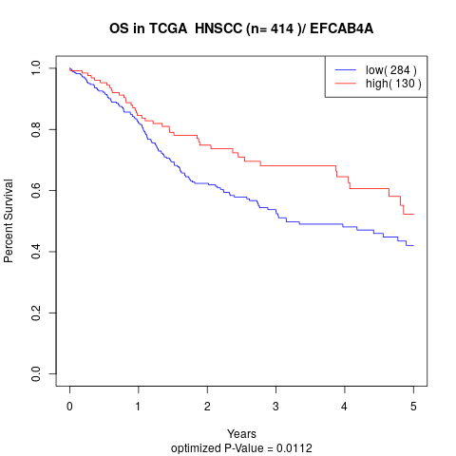

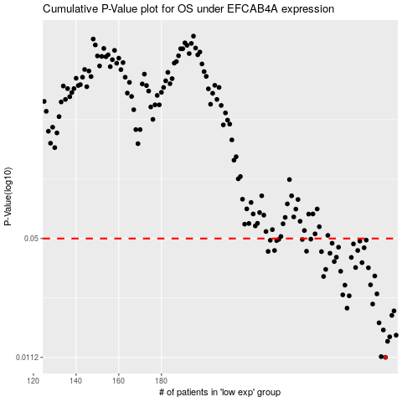

 |  |  |  |  |  | cases_OS | p_OS | rank | exp
 |  |  |  |  |  | 285 | 0.0112 | 134 | -0.13463528823
 |  |  |  |  |  | 283 | 0.0113 | 195 | -0.13497029146
 |  |  |  |  |  | 286 | 0.0137 | 81 | -0.12895032223
 |  |  |  |  |  | 287 | 0.0145 | 242 | -0.12817037263
 |  |  |  |  |  | 290 | 0.0148 | 377 | -0.11636972219
 |  |  |  |  |  | 284 | 0.0158 | 123 | -0.13493381621
 |  |  |  |  |  | 282 | 0.0173 | 216 | -0.13529934483
 |  |  |  |  |  | 288 | 0.019 | 304 | -0.12800817416
 |  |  |  |  |  | 289 | 0.0201 | 237 | -0.12479990385
 |  |  |  |  |  | 267 | 0.0208 | 293 | -0.15571720961
 |  |  |  |  |  | 279 | 0.0219 | 110 | -0.13893574668
 |  |  |  |  |  | 268 | 0.0243 | 26 | -0.15566754118
 |  |  |  |  |  | 265 | 0.0246 | 386 | -0.15784958924
 |  |  |  |  |  | 281 | 0.0249 | 2 | -0.13833351693
 |  |  |  |  |  | 266 | 0.0278 | 361 | -0.15642886512
 |  |  |  |  |  | 278 | 0.0279 | 90 | -0.14066327684
 |  |  |  |  |  | 256 | 0.031 | 393 | -0.16782233788
 |  |  |  |  |  | 280 | 0.0312 | 338 | -0.13846932905
 |  |  |  |  |  | 264 | 0.0331 | 409 | -0.16148029991
 |  |  |  |  |  | 257 | 0.0339 | 270 | -0.16618509044
 |  |  |  |  |  | 277 | 0.0346 | 215 | -0.14233829299
 |  |  |  |  |  | 271 | 0.0347 | 152 | -0.15166121298
 |  |  |  |  |  | 274 | 0.0369 | 329 | -0.145662715
 |  |  |  |  |  | 261 | 0.0374 | 298 | -0.16526907003
 |  |  |  |  |  | 269 | 0.0394 | 288 | -0.15498356547
 |  |  |  |  |  | 262 | 0.0395 | 383 | -0.16390887931
 |  |  |  |  |  | 259 | 0.0415 | 354 | -0.16592045082
 |  |  |  |  |  | 255 | 0.0424 | 355 | -0.16833635442
 |  |  |  |  |  | 230 | 0.0425 | 295 | -0.19401364056
 |  |  |  |  |  | 248 | 0.0426 | 219 | -0.17457284697
 |  |  |  |  |  | 233 | 0.043 | 104 | -0.1905867774
 |  |  |  |  |  | 272 | 0.043 | 408 | -0.15134380065
 |  |  |  |  |  | 275 | 0.0445 | 352 | -0.1455087946
 |  |  |  |  |  | 263 | 0.0448 | 207 | -0.16249591588
 |  |  |  |  |  | 270 | 0.0467 | 387 | -0.15187928844
 |  |  |  |  |  | 260 | 0.0471 | 200 | -0.16555440482
 |  |  |  |  |  | 273 | 0.0484 | 284 | -0.14601893079
 |  |  |  |  |  | 234 | 0.0487 | 13 | -0.18892986954
 |  |  |  |  |  | 231 | 0.0489 | 376 | -0.19293154132
 |  |  |  |  |  | 276 | 0.049 | 21 | -0.14496658088
 |  |  |  |  |  | 246 | 0.0494 | 360 | -0.17827236912
 |  |  |  |  |  | 235 | 0.0495 | 145 | -0.18772903171
 |  |  |  |  |  | 250 | 0.0496 | 403 | -0.17222963519
 |  |  |  |  |  |  | cases_RFS | p_RFS | rank | exp
 |  |  |  |  |  |  | 284 | 0.0112 | 123 | -0.13493381621
 |  |  |  |  |  |  | 282 | 0.0113 | 216 | -0.13529934483
 |  |  |  |  |  |  | 285 | 0.0137 | 134 | -0.13463528823
 |  |  |  |  |  |  | 286 | 0.0145 | 81 | -0.12895032223
 |  |  |  |  |  |  | 289 | 0.0148 | 237 | -0.12479990385
 |  |  |  |  |  |  | 283 | 0.0158 | 195 | -0.13497029146
 |  |  |  |  |  |  | 281 | 0.0173 | 2 | -0.13833351693
 |  |  |  |  |  |  | 287 | 0.019 | 242 | -0.12817037263
 |  |  |  |  |  |  | 288 | 0.0201 | 304 | -0.12800817416
 |  |  |  |  |  |  | 266 | 0.0208 | 361 | -0.15642886512
 |  |  |  |  |  |  | 278 | 0.0219 | 90 | -0.14066327684
 |  |  |  |  |  |  | 267 | 0.0243 | 293 | -0.15571720961
 |  |  |  |  |  |  | 264 | 0.0246 | 409 | -0.16148029991
 |  |  |  |  |  |  | 280 | 0.0249 | 338 | -0.13846932905
 |  |  |  |  |  |  | 265 | 0.0278 | 386 | -0.15784958924
 |  |  |  |  |  |  | 277 | 0.0279 | 215 | -0.14233829299
 |  |  |  |  |  |  | 255 | 0.031 | 355 | -0.16833635442
 |  |  |  |  |  |  | 279 | 0.0312 | 110 | -0.13893574668
 |  |  |  |  |  |  | 263 | 0.0331 | 207 | -0.16249591588
 |  |  |  |  |  |  | 256 | 0.0339 | 393 | -0.16782233788
 |  |  |  |  |  |  | 276 | 0.0346 | 21 | -0.14496658088
 |  |  |  |  |  |  | 270 | 0.0347 | 387 | -0.15187928844
 |  |  |  |  |  |  | 273 | 0.0369 | 284 | -0.14601893079
 |  |  |  |  |  |  | 260 | 0.0374 | 200 | -0.16555440482
 |  |  |  |  |  |  | 268 | 0.0394 | 26 | -0.15566754118
 |  |  |  |  |  |  | 261 | 0.0395 | 298 | -0.16526907003
 |  |  |  |  |  |  | 258 | 0.0415 | 414 | -0.16596804974
 |  |  |  |  |  |  | 254 | 0.0424 | 222 | -0.16834928891
 |  |  |  |  |  |  | 229 | 0.0425 | 1 | -0.19463811762
 |  |  |  |  |  |  | 247 | 0.0426 | 339 | -0.17763754447
 |  |  |  |  |  |  | 271 | 0.043 | 152 | -0.15166121298
 |  |  |  |  |  |  | 232 | 0.043 | 326 | -0.19068611427
 |  |  |  |  |  |  | 274 | 0.0445 | 329 | -0.145662715
 |  |  |  |  |  |  | 262 | 0.0448 | 383 | -0.16390887931
 |  |  |  |  |  |  | 269 | 0.0467 | 288 | -0.15498356547
 |  |  |  |  |  |  | 259 | 0.0471 | 354 | -0.16592045082
 |  |  |  |  |  |  | 272 | 0.0484 | 408 | -0.15134380065
 |  |  |  |  |  |  | 233 | 0.0487 | 104 | -0.1905867774
 |  |  |  |  |  |  | 230 | 0.0489 | 295 | -0.19401364056
 |  |  |  |  |  |  | 275 | 0.049 | 352 | -0.1455087946
 |  |  |  |  |  |  | 245 | 0.0494 | 325 | -0.18035611508
 |  |  |  |  |  |  | 234 | 0.0495 | 13 | -0.18892986954
 |  |  |  |  |  |  | 249 | 0.0496 | 285 | -0.17238433167

