EFCAB5 _multivariate
Reported by Tex Li-Hsing Chi. tex@gate.sinica.edu.tw 2019-08-20

Table 2. The clinicopathological features of HNSCC cohort and EFCAB5 expression. (Chi square test)
Cutoff at -0.209 (50.0%)
 |  | EFCAB5 expression |  | EFCAB5 expression |  | (Optimised)
 | Features | Low | (%) | High | (%) | Case no | P-value | Remark | Matthews
Gender | Female | 151 | 36.4 | 155 | 37.3 | 415 | 0.8007 | 0 | 0
2 | Male | 56 | 13.5 | 53 | 12.8
Age at diagnosis | <=65y | 131 | 31.6 | 143 | 34.5 | 415 | 0.2839 | 0 | 0
4 | >65y | 76 | 18.3 | 65 | 15.7
Clinical T Status | T1+T2 | 71 | 17.1 | 78 | 18.8 | 415 | 0.5638 | 0 | 0
6 | T3+T4 | 136 | 32.8 | 130 | 31.3
Clinical N Status | N0 | 116 | 28 | 100 | 24.1 | 415 | 0.1273 | 1 | 0
8 | N1-3 | 91 | 21.9 | 108 | 26
Clinical M Status | M0 | 204 | 49.2 | 208 | 50.1 | 415 | 0.1232 | 0 | 0
10 | M1 | 3 | 0.7 | 0 | 0
Clinical Stage | Stage I+II | 57 | 13.7 | 45 | 10.8 | 415 | 0.1998 | 0 | 0
12 | Stage III+IV | 150 | 36.1 | 163 | 39.3
Surgical Margin status | Negative | 157 | 37.8 | 161 | 38.8 | 415 | 0.729 | 0 | 0
14 | Positive | 50 | 12 | 47 | 11.3
Tobacco Exposure | Low | 82 | 19.8 | 79 | 19 | 415 | 0.763 | 0 | 0
16 | High | 125 | 30.1 | 129 | 31.1

Table 3. Univariate/Multivariate Cox's proportional hazards regression analyses on OS time of EFCAB5 gene expression in HNSCC

 |  | Univariate |  |  |  | Multivariate
 | Features | HR | CI95%(L) | CI95%(H) | P-value | HR | CI95%(L) | CI95%(H) | P-value
1 | Female | 1 |  |  |  | 1
Gender | Male | 1.157 | 0.843 | 1.587 | 0.367 | 1.202 | 0.86 | 1.678 | 0.282
11 | <=65y | 1 |  |  |  | 1
Age at diagnosis | >65y | 1.329 | 0.99 | 1.784 | 0.058 | 1.389 | 1.022 | 1.888 | 0.036
12 | T1+T2 | 1 |  |  |  | 1
Clinical T Status | T3+T4 | 1.409 | 1.028 | 1.931 | 0.033 | 2.238 | 1.179 | 4.249 | 0.014
13 | N0 | 1 |  |  |  | 1
Clinical N Status | N1-3 | 1.185 | 0.89 | 1.577 | 0.246 | 1.238 | 0.868 | 1.766 | 0.239
14 | M0 | 1 |  |  |  | 1
Clinical M Status | M1 | 4.097 | 1.009 | 16.644 | 0.049 | 9.86 | 2.118 | 45.893 | 0.004
15 | Stage I+II | 1 |  |  |  | 1
Clinical Stage | Stage III+IV | 1.245 | 0.882 | 1.759 | 0.213 | 0.497 | 0.231 | 1.07 | 0.074
16 | Negative | 1 |  |  |  | 1
Surgical Margin status | Positive | 1.591 | 1.155 | 2.191 | 0.004 | 1.669 | 1.207 | 2.306 | 0.002
17 | Low | 1 |  |  |  | 1
Tobacco Exposure | High | 1.364 | 1.008 | 1.844 | 0.044 | 1.448 | 1.051 | 1.996 | 0.024
18 | Low | 1 |  |  |  | 1
RNAseq(z-score) | High | 1.022 | 0.767 | 1.362 | 0.881 | 1.066 | 0.797 | 1.426 | 0.668

Table 4. Univariate/Multivariate Cox's proportional hazards regression analyses on RFS time of EFCAB5 gene expression in HNSCC

 |  | Univariate |  |  |  | Multivariate
 | Features | HR | CI95%(L) | CI95%(H) | P-value | HR | CI95%(L) | CI95%(H) | P-value
1 | Female | 1 |  |  |  | 1
Gender | Male | 1.157 | 0.843 | 1.587 | 0.367 | 1.202 | 0.86 | 1.678 | 0.282
11 | <=65y | 1 |  |  |  | 1
Age at diagnosis | >65y | 1.329 | 0.99 | 1.784 | 0.058 | 1.389 | 1.022 | 1.888 | 0.036
12 | T1+T2 | 1 |  |  |  | 1
Clinical T Status | T3+T4 | 1.409 | 1.028 | 1.931 | 0.033 | 2.238 | 1.179 | 4.249 | 0.014
13 | N0 | 1 |  |  |  | 1
Clinical N Status | N1-3 | 1.185 | 0.89 | 1.577 | 0.246 | 1.238 | 0.868 | 1.766 | 0.239
14 | M0 | 1 |  |  |  | 1
Clinical M Status | M1 | 4.097 | 1.009 | 16.644 | 0.049 | 9.86 | 2.118 | 45.893 | 0.004
15 | Stage I+II | 1 |  |  |  | 1
Clinical Stage | Stage III+IV | 1.245 | 0.882 | 1.759 | 0.213 | 0.497 | 0.231 | 1.07 | 0.074
16 | Negative | 1 |  |  |  | 1
Surgical Margin status | Positive | 1.591 | 1.155 | 2.191 | 0.004 | 1.669 | 1.207 | 2.306 | 0.002
17 | Low | 1 |  |  |  | 1
Tobacco Exposure | High | 1.364 | 1.008 | 1.844 | 0.044 | 1.448 | 1.051 | 1.996 | 0.024
18 | Low | 1 |  |  |  | 1
RNAseq(z-score) | High | 1.022 | 0.767 | 1.362 | 0.881 | 1.066 | 0.797 | 1.426 | 0.668

Kaplan-Meier survival estimate: Cutoff at -0.209 (50.0%)



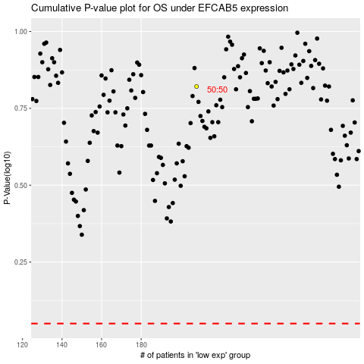

 |  |  |  |  |  | cases_OS | p_OS | rank | exp
 |  |  |  |  |  |  | cases_RFS | p_RFS | rank | exp

