EFCAB7 _multivariate
Reported by Tex Li-Hsing Chi. tex@gate.sinica.edu.tw 2019-08-20

Table 2. The clinicopathological features of HNSCC cohort and EFCAB7 expression. (Chi square test)
Cutoff at -0.505 (34.5%)
 |  | EFCAB7 expression |  | EFCAB7 expression |  | (Optimised)
 | Features | Low | (%) | High | (%) | Case no | P-value | Remark | Matthews
Gender | Female | 105 | 25.3 | 201 | 48.4 | 415 | 1 | 0 | 0
2 | Male | 38 | 9.2 | 71 | 17.1
Age at diagnosis | <=65y | 88 | 21.2 | 186 | 44.8 | 415 | 0.1971 | 0 | 0
4 | >65y | 55 | 13.3 | 86 | 20.7
Clinical T Status | T1+T2 | 42 | 10.1 | 107 | 25.8 | 415 | 0.0569 | 0 | 0
6 | T3+T4 | 101 | 24.3 | 165 | 39.8
Clinical N Status | N0 | 79 | 19 | 137 | 33 | 415 | 0.3999 | 0 | 0
8 | N1-3 | 64 | 15.4 | 135 | 32.5
Clinical M Status | M0 | 141 | 34 | 271 | 65.3 | 415 | 0.2739 | 0 | 0
10 | M1 | 2 | 0.5 | 1 | 0.2
Clinical Stage | Stage I+II | 29 | 7 | 73 | 17.6 | 415 | 0.1755 | 0 | 0
12 | Stage III+IV | 114 | 27.5 | 199 | 48
Surgical Margin status | Negative | 103 | 24.8 | 215 | 51.8 | 415 | 0.114 | 0 | 0
14 | Positive | 40 | 9.6 | 57 | 13.7
Tobacco Exposure | Low | 57 | 13.7 | 104 | 25.1 | 415 | 0.7516 | 0 | 0
16 | High | 86 | 20.7 | 168 | 40.5

Table 3. Univariate/Multivariate Cox's proportional hazards regression analyses on OS time of EFCAB7 gene expression in HNSCC

 |  | Univariate |  |  |  | Multivariate
 | Features | HR | CI95%(L) | CI95%(H) | P-value | HR | CI95%(L) | CI95%(H) | P-value
1 | Female | 1 |  |  |  | 1
Gender | Male | 1.157 | 0.843 | 1.587 | 0.367 | 1.2 | 0.858 | 1.678 | 0.287
11 | <=65y | 1 |  |  |  | 1
Age at diagnosis | >65y | 1.329 | 0.99 | 1.784 | 0.058 | 1.39 | 1.022 | 1.89 | 0.036
12 | T1+T2 | 1 |  |  |  | 1
Clinical T Status | T3+T4 | 1.409 | 1.028 | 1.931 | 0.033 | 2.135 | 1.128 | 4.041 | 0.02
13 | N0 | 1 |  |  |  | 1
Clinical N Status | N1-3 | 1.185 | 0.89 | 1.577 | 0.246 | 1.275 | 0.891 | 1.824 | 0.183
14 | M0 | 1 |  |  |  | 1
Clinical M Status | M1 | 4.097 | 1.009 | 16.644 | 0.049 | 8.263 | 1.783 | 38.296 | 0.007
15 | Stage I+II | 1 |  |  |  | 1
Clinical Stage | Stage III+IV | 1.245 | 0.882 | 1.759 | 0.213 | 0.502 | 0.234 | 1.077 | 0.077
16 | Negative | 1 |  |  |  | 1
Surgical Margin status | Positive | 1.591 | 1.155 | 2.191 | 0.004 | 1.619 | 1.168 | 2.243 | 0.004
17 | Low | 1 |  |  |  | 1
Tobacco Exposure | High | 1.364 | 1.008 | 1.844 | 0.044 | 1.464 | 1.061 | 2.021 | 0.02
18 | Low | 1 |  |  |  | 1
RNAseq(z-score) | High | 0.736 | 0.549 | 0.986 | 0.04 | 0.809 | 0.599 | 1.092 | 0.166

Table 4. Univariate/Multivariate Cox's proportional hazards regression analyses on RFS time of EFCAB7 gene expression in HNSCC

 |  | Univariate |  |  |  | Multivariate
 | Features | HR | CI95%(L) | CI95%(H) | P-value | HR | CI95%(L) | CI95%(H) | P-value
1 | Female | 1 |  |  |  | 1
Gender | Male | 1.157 | 0.843 | 1.587 | 0.367 | 1.2 | 0.858 | 1.678 | 0.287
11 | <=65y | 1 |  |  |  | 1
Age at diagnosis | >65y | 1.329 | 0.99 | 1.784 | 0.058 | 1.39 | 1.022 | 1.89 | 0.036
12 | T1+T2 | 1 |  |  |  | 1
Clinical T Status | T3+T4 | 1.409 | 1.028 | 1.931 | 0.033 | 2.135 | 1.128 | 4.041 | 0.02
13 | N0 | 1 |  |  |  | 1
Clinical N Status | N1-3 | 1.185 | 0.89 | 1.577 | 0.246 | 1.275 | 0.891 | 1.824 | 0.183
14 | M0 | 1 |  |  |  | 1
Clinical M Status | M1 | 4.097 | 1.009 | 16.644 | 0.049 | 8.263 | 1.783 | 38.296 | 0.007
15 | Stage I+II | 1 |  |  |  | 1
Clinical Stage | Stage III+IV | 1.245 | 0.882 | 1.759 | 0.213 | 0.502 | 0.234 | 1.077 | 0.077
16 | Negative | 1 |  |  |  | 1
Surgical Margin status | Positive | 1.591 | 1.155 | 2.191 | 0.004 | 1.619 | 1.168 | 2.243 | 0.004
17 | Low | 1 |  |  |  | 1
Tobacco Exposure | High | 1.364 | 1.008 | 1.844 | 0.044 | 1.464 | 1.061 | 2.021 | 0.02
18 | Low | 1 |  |  |  | 1
RNAseq(z-score) | High | 0.736 | 0.549 | 0.986 | 0.04 | 0.809 | 0.599 | 1.092 | 0.166

Kaplan-Meier survival estimate: Cutoff at -0.505 (34.5%)



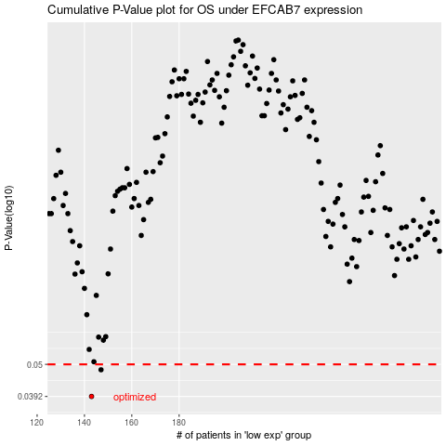

 |  |  |  |  |  | cases_OS | p_OS | rank | exp
 |  |  |  |  |  | 143 | 0.0392 | 399 | -0.50502878321
 |  |  |  |  |  | 147 | 0.048 | 116 | -0.49023671463
 |  |  |  |  |  |  | cases_RFS | p_RFS | rank | exp
 |  |  |  |  |  |  | 142 | 0.0392 | 398 | -0.50866112961
 |  |  |  |  |  |  | 146 | 0.048 | 390 | -0.49234894451

