EFEMP1 _multivariate
Reported by Tex Li-Hsing Chi. tex@gate.sinica.edu.tw 2019-08-20

Table 2. The clinicopathological features of HNSCC cohort and EFEMP1 expression. (Chi square test)
Cutoff at -0.357 (43.5%)
 |  | EFEMP1 expression |  | EFEMP1 expression |  | (Optimised)
 | Features | Low | (%) | High | (%) | Case no | P-value | Remark | Matthews
Gender | Female | 136 | 32.8 | 170 | 41 | 415 | 0.5319 | 0 | 0
2 | Male | 44 | 10.6 | 65 | 15.7
Age at diagnosis | <=65y | 126 | 30.4 | 148 | 35.7 | 415 | 0.1639 | 0 | 0
4 | >65y | 54 | 13 | 87 | 21
Clinical T Status | T1+T2 | 57 | 13.7 | 92 | 22.2 | 415 | 0.1412 | 0 | 0
6 | T3+T4 | 123 | 29.6 | 143 | 34.5
Clinical N Status | N0 | 88 | 21.2 | 128 | 30.8 | 415 | 0.3038 | 0 | 0
8 | N1-3 | 92 | 22.2 | 107 | 25.8
Clinical M Status | M0 | 180 | 43.4 | 232 | 55.9 | 415 | 0.2614 | 0 | 0
10 | M1 | 0 | 0 | 3 | 0.7
Clinical Stage | Stage I+II | 36 | 8.7 | 66 | 15.9 | 415 | 0.0749 | 0 | 0
12 | Stage III+IV | 144 | 34.7 | 169 | 40.7
Surgical Margin status | Negative | 133 | 32 | 185 | 44.6 | 415 | 0.2922 | 0 | 0
14 | Positive | 47 | 11.3 | 50 | 12
Tobacco Exposure | Low | 68 | 16.4 | 93 | 22.4 | 415 | 0.7607 | 0 | 0
16 | High | 112 | 27 | 142 | 34.2

Table 3. Univariate/Multivariate Cox's proportional hazards regression analyses on OS time of EFEMP1 gene expression in HNSCC

 |  | Univariate |  |  |  | Multivariate
 | Features | HR | CI95%(L) | CI95%(H) | P-value | HR | CI95%(L) | CI95%(H) | P-value
1 | Female | 1 |  |  |  | 1
Gender | Male | 1.157 | 0.843 | 1.587 | 0.367 | 1.218 | 0.872 | 1.701 | 0.247
11 | <=65y | 1 |  |  |  | 1
Age at diagnosis | >65y | 1.329 | 0.99 | 1.784 | 0.058 | 1.344 | 0.987 | 1.829 | 0.061
12 | T1+T2 | 1 |  |  |  | 1
Clinical T Status | T3+T4 | 1.409 | 1.028 | 1.931 | 0.033 | 2.272 | 1.201 | 4.3 | 0.012
13 | N0 | 1 |  |  |  | 1
Clinical N Status | N1-3 | 1.185 | 0.89 | 1.577 | 0.246 | 1.261 | 0.884 | 1.799 | 0.2
14 | M0 | 1 |  |  |  | 1
Clinical M Status | M1 | 4.097 | 1.009 | 16.644 | 0.049 | 8.322 | 1.809 | 38.278 | 0.007
15 | Stage I+II | 1 |  |  |  | 1
Clinical Stage | Stage III+IV | 1.245 | 0.882 | 1.759 | 0.213 | 0.501 | 0.233 | 1.075 | 0.076
16 | Negative | 1 |  |  |  | 1
Surgical Margin status | Positive | 1.591 | 1.155 | 2.191 | 0.004 | 1.728 | 1.248 | 2.392 | 0.001
17 | Low | 1 |  |  |  | 1
Tobacco Exposure | High | 1.364 | 1.008 | 1.844 | 0.044 | 1.455 | 1.055 | 2.006 | 0.022
18 | Low | 1 |  |  |  | 1
RNAseq(z-score) | High | 1.355 | 1.009 | 1.82 | 0.043 | 1.406 | 1.041 | 1.898 | 0.026

Table 4. Univariate/Multivariate Cox's proportional hazards regression analyses on RFS time of EFEMP1 gene expression in HNSCC

 |  | Univariate |  |  |  | Multivariate
 | Features | HR | CI95%(L) | CI95%(H) | P-value | HR | CI95%(L) | CI95%(H) | P-value
1 | Female | 1 |  |  |  | 1
Gender | Male | 1.157 | 0.843 | 1.587 | 0.367 | 1.218 | 0.872 | 1.701 | 0.247
11 | <=65y | 1 |  |  |  | 1
Age at diagnosis | >65y | 1.329 | 0.99 | 1.784 | 0.058 | 1.344 | 0.987 | 1.829 | 0.061
12 | T1+T2 | 1 |  |  |  | 1
Clinical T Status | T3+T4 | 1.409 | 1.028 | 1.931 | 0.033 | 2.272 | 1.201 | 4.3 | 0.012
13 | N0 | 1 |  |  |  | 1
Clinical N Status | N1-3 | 1.185 | 0.89 | 1.577 | 0.246 | 1.261 | 0.884 | 1.799 | 0.2
14 | M0 | 1 |  |  |  | 1
Clinical M Status | M1 | 4.097 | 1.009 | 16.644 | 0.049 | 8.322 | 1.809 | 38.278 | 0.007
15 | Stage I+II | 1 |  |  |  | 1
Clinical Stage | Stage III+IV | 1.245 | 0.882 | 1.759 | 0.213 | 0.501 | 0.233 | 1.075 | 0.076
16 | Negative | 1 |  |  |  | 1
Surgical Margin status | Positive | 1.591 | 1.155 | 2.191 | 0.004 | 1.728 | 1.248 | 2.392 | 0.001
17 | Low | 1 |  |  |  | 1
Tobacco Exposure | High | 1.364 | 1.008 | 1.844 | 0.044 | 1.455 | 1.055 | 2.006 | 0.022
18 | Low | 1 |  |  |  | 1
RNAseq(z-score) | High | 1.355 | 1.009 | 1.82 | 0.043 | 1.406 | 1.041 | 1.898 | 0.026

Kaplan-Meier survival estimate: Cutoff at -0.357 (43.5%)



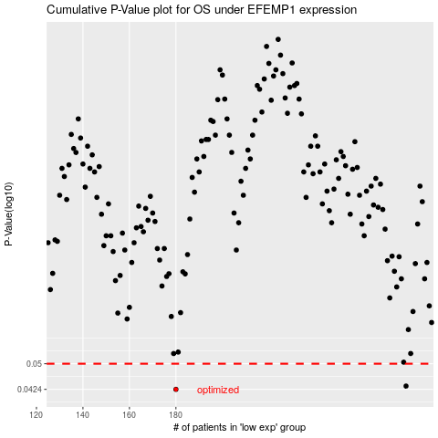

 |  |  |  |  |  | cases_OS | p_OS | rank | exp
 |  |  |  |  |  | 180 | 0.0424 | 237 | -0.35692454328
 |  |  |  |  |  | 279 | 0.0433 | 108 | 0.030254241546
 |  |  |  |  |  |  | cases_RFS | p_RFS | rank | exp
 |  |  |  |  |  |  | 179 | 0.0424 | 141 | -0.3623719713
 |  |  |  |  |  |  | 278 | 0.0433 | 9 | 0.028795744618

