EFEMP2 _multivariate
Reported by Tex Li-Hsing Chi. tex@gate.sinica.edu.tw 2019-08-20

Table 2. The clinicopathological features of HNSCC cohort and EFEMP2 expression. (Chi square test)
Cutoff at -0.25 (49.8%)
 |  | EFEMP2 expression |  | EFEMP2 expression |  | (Optimised)
 | Features | Low | (%) | High | (%) | Case no | P-value | Remark | Matthews
Gender | Female | 154 | 37.1 | 152 | 36.6 | 415 | 0.8463 | 0 | 0
2 | Male | 53 | 12.8 | 56 | 13.5
Age at diagnosis | <=65y | 141 | 34 | 133 | 32 | 415 | 0.4272 | 0 | 0
4 | >65y | 66 | 15.9 | 75 | 18.1
Clinical T Status | T1+T2 | 79 | 19 | 70 | 16.9 | 415 | 0.3924 | 0 | 0
6 | T3+T4 | 128 | 30.8 | 138 | 33.3
Clinical N Status | N0 | 110 | 26.5 | 106 | 25.5 | 415 | 0.7294 | 0 | 0
8 | N1-3 | 97 | 23.4 | 102 | 24.6
Clinical M Status | M0 | 204 | 49.2 | 208 | 50.1 | 415 | 0.1232 | 0 | 0
10 | M1 | 3 | 0.7 | 0 | 0
Clinical Stage | Stage I+II | 50 | 12 | 52 | 12.5 | 415 | 0.9315 | 0 | 0
12 | Stage III+IV | 157 | 37.8 | 156 | 37.6
Surgical Margin status | Negative | 154 | 37.1 | 164 | 39.5 | 415 | 0.2984 | 0 | 0
14 | Positive | 53 | 12.8 | 44 | 10.6
Tobacco Exposure | Low | 89 | 21.4 | 72 | 17.3 | 415 | 0.0872 | 0 | 0
16 | High | 118 | 28.4 | 136 | 32.8

Table 3. Univariate/Multivariate Cox's proportional hazards regression analyses on OS time of EFEMP2 gene expression in HNSCC

 |  | Univariate |  |  |  | Multivariate
 | Features | HR | CI95%(L) | CI95%(H) | P-value | HR | CI95%(L) | CI95%(H) | P-value
1 | Female | 1 |  |  |  | 1
Gender | Male | 1.157 | 0.843 | 1.587 | 0.367 | 1.201 | 0.86 | 1.678 | 0.282
11 | <=65y | 1 |  |  |  | 1
Age at diagnosis | >65y | 1.329 | 0.99 | 1.784 | 0.058 | 1.391 | 1.023 | 1.891 | 0.035
12 | T1+T2 | 1 |  |  |  | 1
Clinical T Status | T3+T4 | 1.409 | 1.028 | 1.931 | 0.033 | 2.193 | 1.157 | 4.155 | 0.016
13 | N0 | 1 |  |  |  | 1
Clinical N Status | N1-3 | 1.185 | 0.89 | 1.577 | 0.246 | 1.238 | 0.867 | 1.768 | 0.241
14 | M0 | 1 |  |  |  | 1
Clinical M Status | M1 | 4.097 | 1.009 | 16.644 | 0.049 | 9.496 | 2.063 | 43.716 | 0.004
15 | Stage I+II | 1 |  |  |  | 1
Clinical Stage | Stage III+IV | 1.245 | 0.882 | 1.759 | 0.213 | 0.507 | 0.236 | 1.091 | 0.082
16 | Negative | 1 |  |  |  | 1
Surgical Margin status | Positive | 1.591 | 1.155 | 2.191 | 0.004 | 1.674 | 1.211 | 2.314 | 0.002
17 | Low | 1 |  |  |  | 1
Tobacco Exposure | High | 1.364 | 1.008 | 1.844 | 0.044 | 1.448 | 1.049 | 2 | 0.024
18 | Low | 1 |  |  |  | 1
RNAseq(z-score) | High | 1.051 | 0.789 | 1.399 | 0.735 | 1.025 | 0.765 | 1.373 | 0.87

Table 4. Univariate/Multivariate Cox's proportional hazards regression analyses on RFS time of EFEMP2 gene expression in HNSCC

 |  | Univariate |  |  |  | Multivariate
 | Features | HR | CI95%(L) | CI95%(H) | P-value | HR | CI95%(L) | CI95%(H) | P-value
1 | Female | 1 |  |  |  | 1
Gender | Male | 1.157 | 0.843 | 1.587 | 0.367 | 1.201 | 0.86 | 1.678 | 0.282
11 | <=65y | 1 |  |  |  | 1
Age at diagnosis | >65y | 1.329 | 0.99 | 1.784 | 0.058 | 1.391 | 1.023 | 1.891 | 0.035
12 | T1+T2 | 1 |  |  |  | 1
Clinical T Status | T3+T4 | 1.409 | 1.028 | 1.931 | 0.033 | 2.193 | 1.157 | 4.155 | 0.016
13 | N0 | 1 |  |  |  | 1
Clinical N Status | N1-3 | 1.185 | 0.89 | 1.577 | 0.246 | 1.238 | 0.867 | 1.768 | 0.241
14 | M0 | 1 |  |  |  | 1
Clinical M Status | M1 | 4.097 | 1.009 | 16.644 | 0.049 | 9.496 | 2.063 | 43.716 | 0.004
15 | Stage I+II | 1 |  |  |  | 1
Clinical Stage | Stage III+IV | 1.245 | 0.882 | 1.759 | 0.213 | 0.507 | 0.236 | 1.091 | 0.082
16 | Negative | 1 |  |  |  | 1
Surgical Margin status | Positive | 1.591 | 1.155 | 2.191 | 0.004 | 1.674 | 1.211 | 2.314 | 0.002
17 | Low | 1 |  |  |  | 1
Tobacco Exposure | High | 1.364 | 1.008 | 1.844 | 0.044 | 1.448 | 1.049 | 2 | 0.024
18 | Low | 1 |  |  |  | 1
RNAseq(z-score) | High | 1.051 | 0.789 | 1.399 | 0.735 | 1.025 | 0.765 | 1.373 | 0.87

Kaplan-Meier survival estimate: Cutoff at -0.25 (49.8%)



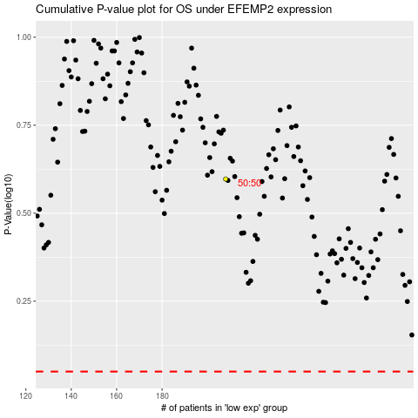

 |  |  |  |  |  | cases_OS | p_OS | rank | exp
 |  |  |  |  |  |  | cases_RFS | p_RFS | rank | exp

