EFHA1 _multivariate
Reported by Tex Li-Hsing Chi. tex@gate.sinica.edu.tw 2019-08-20

Table 2. The clinicopathological features of HNSCC cohort and EFHA1 expression. (Chi square test)
Cutoff at -0.172 (49.8%)
 |  | EFHA1 expression |  | EFHA1 expression |  | (Optimised)
 | Features | Low | (%) | High | (%) | Case no | P-value | Remark | Matthews
Gender | Female | 159 | 38.3 | 147 | 35.4 | 415 | 0.1905 | 0 | 0
2 | Male | 48 | 11.6 | 61 | 14.7
Age at diagnosis | <=65y | 140 | 33.7 | 134 | 32.3 | 415 | 0.5574 | 0 | 0
4 | >65y | 67 | 16.1 | 74 | 17.8
Clinical T Status | T1+T2 | 62 | 14.9 | 87 | 21 | 415 | 0.0156 | 1 | 0
6 | T3+T4 | 145 | 34.9 | 121 | 29.2
Clinical N Status | N0 | 102 | 24.6 | 114 | 27.5 | 415 | 0.3031 | 0 | 0
8 | N1-3 | 105 | 25.3 | 94 | 22.7
Clinical M Status | M0 | 207 | 49.9 | 205 | 49.4 | 415 | 0.2482 | 0 | 0
10 | M1 | 0 | 0 | 3 | 0.7
Clinical Stage | Stage I+II | 38 | 9.2 | 64 | 15.4 | 415 | 0.0048 | 1 | 0
12 | Stage III+IV | 169 | 40.7 | 144 | 34.7
Surgical Margin status | Negative | 167 | 40.2 | 151 | 36.4 | 415 | 0.0632 | 0 | 0
14 | Positive | 40 | 9.6 | 57 | 13.7
Tobacco Exposure | Low | 69 | 16.6 | 92 | 22.2 | 415 | 0.0266 | 1 | 0
16 | High | 138 | 33.3 | 116 | 28

Table 3. Univariate/Multivariate Cox's proportional hazards regression analyses on OS time of EFHA1 gene expression in HNSCC

 |  | Univariate |  |  |  | Multivariate
 | Features | HR | CI95%(L) | CI95%(H) | P-value | HR | CI95%(L) | CI95%(H) | P-value
1 | Female | 1 |  |  |  | 1
Gender | Male | 1.157 | 0.843 | 1.587 | 0.367 | 1.171 | 0.837 | 1.637 | 0.356
11 | <=65y | 1 |  |  |  | 1
Age at diagnosis | >65y | 1.329 | 0.99 | 1.784 | 0.058 | 1.426 | 1.049 | 1.937 | 0.023
12 | T1+T2 | 1 |  |  |  | 1
Clinical T Status | T3+T4 | 1.409 | 1.028 | 1.931 | 0.033 | 2.236 | 1.183 | 4.229 | 0.013
13 | N0 | 1 |  |  |  | 1
Clinical N Status | N1-3 | 1.185 | 0.89 | 1.577 | 0.246 | 1.239 | 0.87 | 1.766 | 0.235
14 | M0 | 1 |  |  |  | 1
Clinical M Status | M1 | 4.097 | 1.009 | 16.644 | 0.049 | 8.162 | 1.77 | 37.626 | 0.007
15 | Stage I+II | 1 |  |  |  | 1
Clinical Stage | Stage III+IV | 1.245 | 0.882 | 1.759 | 0.213 | 0.524 | 0.244 | 1.127 | 0.098
16 | Negative | 1 |  |  |  | 1
Surgical Margin status | Positive | 1.591 | 1.155 | 2.191 | 0.004 | 1.608 | 1.161 | 2.227 | 0.004
17 | Low | 1 |  |  |  | 1
Tobacco Exposure | High | 1.364 | 1.008 | 1.844 | 0.044 | 1.521 | 1.1 | 2.103 | 0.011
18 | Low | 1 |  |  |  | 1
RNAseq(z-score) | High | 1.266 | 0.95 | 1.687 | 0.107 | 1.348 | 0.998 | 1.821 | 0.052

Table 4. Univariate/Multivariate Cox's proportional hazards regression analyses on RFS time of EFHA1 gene expression in HNSCC

 |  | Univariate |  |  |  | Multivariate
 | Features | HR | CI95%(L) | CI95%(H) | P-value | HR | CI95%(L) | CI95%(H) | P-value
1 | Female | 1 |  |  |  | 1
Gender | Male | 1.157 | 0.843 | 1.587 | 0.367 | 1.171 | 0.837 | 1.637 | 0.356
11 | <=65y | 1 |  |  |  | 1
Age at diagnosis | >65y | 1.329 | 0.99 | 1.784 | 0.058 | 1.426 | 1.049 | 1.937 | 0.023
12 | T1+T2 | 1 |  |  |  | 1
Clinical T Status | T3+T4 | 1.409 | 1.028 | 1.931 | 0.033 | 2.236 | 1.183 | 4.229 | 0.013
13 | N0 | 1 |  |  |  | 1
Clinical N Status | N1-3 | 1.185 | 0.89 | 1.577 | 0.246 | 1.239 | 0.87 | 1.766 | 0.235
14 | M0 | 1 |  |  |  | 1
Clinical M Status | M1 | 4.097 | 1.009 | 16.644 | 0.049 | 8.162 | 1.77 | 37.626 | 0.007
15 | Stage I+II | 1 |  |  |  | 1
Clinical Stage | Stage III+IV | 1.245 | 0.882 | 1.759 | 0.213 | 0.524 | 0.244 | 1.127 | 0.098
16 | Negative | 1 |  |  |  | 1
Surgical Margin status | Positive | 1.591 | 1.155 | 2.191 | 0.004 | 1.608 | 1.161 | 2.227 | 0.004
17 | Low | 1 |  |  |  | 1
Tobacco Exposure | High | 1.364 | 1.008 | 1.844 | 0.044 | 1.521 | 1.1 | 2.103 | 0.011
18 | Low | 1 |  |  |  | 1
RNAseq(z-score) | High | 1.266 | 0.95 | 1.687 | 0.107 | 1.348 | 0.998 | 1.821 | 0.052

Kaplan-Meier survival estimate: Cutoff at -0.172 (49.8%)



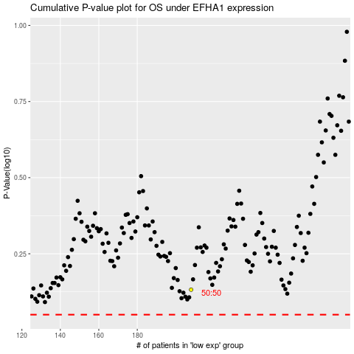

 |  |  |  |  |  | cases_OS | p_OS | rank | exp
 |  |  |  |  |  |  | cases_RFS | p_RFS | rank | exp

