EFHD1 _multivariate
Reported by Tex Li-Hsing Chi. tex@gate.sinica.edu.tw 2019-08-20

Table 2. The clinicopathological features of HNSCC cohort and EFHD1 expression. (Chi square test)
Cutoff at -0.132 (50.0%)
 |  | EFHD1 expression |  | EFHD1 expression |  | (Optimised)
 | Features | Low | (%) | High | (%) | Case no | P-value | Remark | Matthews
Gender | Female | 154 | 37.1 | 152 | 36.6 | 415 | 0.8463 | 0 | 0
2 | Male | 53 | 12.8 | 56 | 13.5
Age at diagnosis | <=65y | 129 | 31.1 | 145 | 34.9 | 415 | 0.1372 | 0 | 0
4 | >65y | 78 | 18.8 | 63 | 15.2
Clinical T Status | T1+T2 | 70 | 16.9 | 79 | 19 | 415 | 0.4343 | 0 | 0
6 | T3+T4 | 137 | 33 | 129 | 31.1
Clinical N Status | N0 | 112 | 27 | 104 | 25.1 | 415 | 0.4599 | 0 | 0
8 | N1-3 | 95 | 22.9 | 104 | 25.1
Clinical M Status | M0 | 204 | 49.2 | 208 | 50.1 | 415 | 0.1232 | 0 | 0
10 | M1 | 3 | 0.7 | 0 | 0
Clinical Stage | Stage I+II | 48 | 11.6 | 54 | 13 | 415 | 0.5878 | 0 | 0
12 | Stage III+IV | 159 | 38.3 | 154 | 37.1
Surgical Margin status | Negative | 160 | 38.6 | 158 | 38.1 | 415 | 0.8167 | 0 | 0
14 | Positive | 47 | 11.3 | 50 | 12
Tobacco Exposure | Low | 84 | 20.2 | 77 | 18.6 | 415 | 0.4816 | 0 | 0
16 | High | 123 | 29.6 | 131 | 31.6

Table 3. Univariate/Multivariate Cox's proportional hazards regression analyses on OS time of EFHD1 gene expression in HNSCC

 |  | Univariate |  |  |  | Multivariate
 | Features | HR | CI95%(L) | CI95%(H) | P-value | HR | CI95%(L) | CI95%(H) | P-value
1 | Female | 1 |  |  |  | 1
Gender | Male | 1.157 | 0.843 | 1.587 | 0.367 | 1.2 | 0.859 | 1.677 | 0.284
11 | <=65y | 1 |  |  |  | 1
Age at diagnosis | >65y | 1.329 | 0.99 | 1.784 | 0.058 | 1.399 | 1.027 | 1.904 | 0.033
12 | T1+T2 | 1 |  |  |  | 1
Clinical T Status | T3+T4 | 1.409 | 1.028 | 1.931 | 0.033 | 2.21 | 1.168 | 4.181 | 0.015
13 | N0 | 1 |  |  |  | 1
Clinical N Status | N1-3 | 1.185 | 0.89 | 1.577 | 0.246 | 1.238 | 0.867 | 1.767 | 0.24
14 | M0 | 1 |  |  |  | 1
Clinical M Status | M1 | 4.097 | 1.009 | 16.644 | 0.049 | 9.686 | 2.093 | 44.828 | 0.004
15 | Stage I+II | 1 |  |  |  | 1
Clinical Stage | Stage III+IV | 1.245 | 0.882 | 1.759 | 0.213 | 0.504 | 0.235 | 1.082 | 0.079
16 | Negative | 1 |  |  |  | 1
Surgical Margin status | Positive | 1.591 | 1.155 | 2.191 | 0.004 | 1.669 | 1.207 | 2.306 | 0.002
17 | Low | 1 |  |  |  | 1
Tobacco Exposure | High | 1.364 | 1.008 | 1.844 | 0.044 | 1.45 | 1.052 | 1.998 | 0.023
18 | Low | 1 |  |  |  | 1
RNAseq(z-score) | High | 1.02 | 0.766 | 1.358 | 0.893 | 1.051 | 0.786 | 1.406 | 0.736

Table 4. Univariate/Multivariate Cox's proportional hazards regression analyses on RFS time of EFHD1 gene expression in HNSCC

 |  | Univariate |  |  |  | Multivariate
 | Features | HR | CI95%(L) | CI95%(H) | P-value | HR | CI95%(L) | CI95%(H) | P-value
1 | Female | 1 |  |  |  | 1
Gender | Male | 1.157 | 0.843 | 1.587 | 0.367 | 1.2 | 0.859 | 1.677 | 0.284
11 | <=65y | 1 |  |  |  | 1
Age at diagnosis | >65y | 1.329 | 0.99 | 1.784 | 0.058 | 1.399 | 1.027 | 1.904 | 0.033
12 | T1+T2 | 1 |  |  |  | 1
Clinical T Status | T3+T4 | 1.409 | 1.028 | 1.931 | 0.033 | 2.21 | 1.168 | 4.181 | 0.015
13 | N0 | 1 |  |  |  | 1
Clinical N Status | N1-3 | 1.185 | 0.89 | 1.577 | 0.246 | 1.238 | 0.867 | 1.767 | 0.24
14 | M0 | 1 |  |  |  | 1
Clinical M Status | M1 | 4.097 | 1.009 | 16.644 | 0.049 | 9.686 | 2.093 | 44.828 | 0.004
15 | Stage I+II | 1 |  |  |  | 1
Clinical Stage | Stage III+IV | 1.245 | 0.882 | 1.759 | 0.213 | 0.504 | 0.235 | 1.082 | 0.079
16 | Negative | 1 |  |  |  | 1
Surgical Margin status | Positive | 1.591 | 1.155 | 2.191 | 0.004 | 1.669 | 1.207 | 2.306 | 0.002
17 | Low | 1 |  |  |  | 1
Tobacco Exposure | High | 1.364 | 1.008 | 1.844 | 0.044 | 1.45 | 1.052 | 1.998 | 0.023
18 | Low | 1 |  |  |  | 1
RNAseq(z-score) | High | 1.02 | 0.766 | 1.358 | 0.893 | 1.051 | 0.786 | 1.406 | 0.736

Kaplan-Meier survival estimate: Cutoff at -0.132 (50.0%)



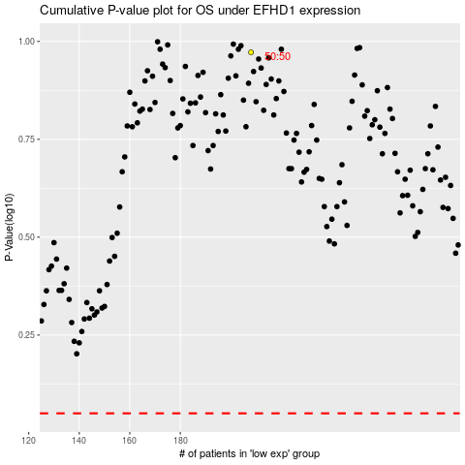

 |  |  |  |  |  | cases_OS | p_OS | rank | exp
 |  |  |  |  |  |  | cases_RFS | p_RFS | rank | exp

