EFNA5 _multivariate
Reported by Tex Li-Hsing Chi. tex@gate.sinica.edu.tw 2019-08-20

Table 2. The clinicopathological features of HNSCC cohort and EFNA5 expression. (Chi square test)
Cutoff at -0.227 (52.7%)
 |  | EFNA5 expression |  | EFNA5 expression |  | (Optimised)
 | Features | Low | (%) | High | (%) | Case no | P-value | Remark | Matthews
Gender | Female | 164 | 39.5 | 142 | 34.2 | 415 | 0.6517 | 0 | 0
2 | Male | 55 | 13.3 | 54 | 13
Age at diagnosis | <=65y | 134 | 32.3 | 140 | 33.7 | 415 | 0.0361 | 1 | 0
4 | >65y | 85 | 20.5 | 56 | 13.5
Clinical T Status | T1+T2 | 83 | 20 | 66 | 15.9 | 415 | 0.4275 | 0 | 0
6 | T3+T4 | 136 | 32.8 | 130 | 31.3
Clinical N Status | N0 | 101 | 24.3 | 115 | 27.7 | 415 | 0.014 | 1 | 0
8 | N1-3 | 118 | 28.4 | 81 | 19.5
Clinical M Status | M0 | 218 | 52.5 | 194 | 46.7 | 415 | 0.6044 | 0 | 0
10 | M1 | 1 | 0.2 | 2 | 0.5
Clinical Stage | Stage I+II | 56 | 13.5 | 46 | 11.1 | 415 | 0.7023 | 0 | 0
12 | Stage III+IV | 163 | 39.3 | 150 | 36.1
Surgical Margin status | Negative | 164 | 39.5 | 154 | 37.1 | 415 | 0.4167 | 0 | 0
14 | Positive | 55 | 13.3 | 42 | 10.1
Tobacco Exposure | Low | 82 | 19.8 | 79 | 19 | 415 | 0.614 | 0 | 0
16 | High | 137 | 33 | 117 | 28.2

Table 3. Univariate/Multivariate Cox's proportional hazards regression analyses on OS time of EFNA5 gene expression in HNSCC

 |  | Univariate |  |  |  | Multivariate
 | Features | HR | CI95%(L) | CI95%(H) | P-value | HR | CI95%(L) | CI95%(H) | P-value
1 | Female | 1 |  |  |  | 1
Gender | Male | 1.157 | 0.843 | 1.587 | 0.367 | 1.212 | 0.868 | 1.694 | 0.259
11 | <=65y | 1 |  |  |  | 1
Age at diagnosis | >65y | 1.329 | 0.99 | 1.784 | 0.058 | 1.352 | 0.992 | 1.843 | 0.056
12 | T1+T2 | 1 |  |  |  | 1
Clinical T Status | T3+T4 | 1.409 | 1.028 | 1.931 | 0.033 | 2.149 | 1.135 | 4.07 | 0.019
13 | N0 | 1 |  |  |  | 1
Clinical N Status | N1-3 | 1.185 | 0.89 | 1.577 | 0.246 | 1.169 | 0.814 | 1.679 | 0.397
14 | M0 | 1 |  |  |  | 1
Clinical M Status | M1 | 4.097 | 1.009 | 16.644 | 0.049 | 10.212 | 2.222 | 46.928 | 0.003
15 | Stage I+II | 1 |  |  |  | 1
Clinical Stage | Stage III+IV | 1.245 | 0.882 | 1.759 | 0.213 | 0.552 | 0.255 | 1.192 | 0.13
16 | Negative | 1 |  |  |  | 1
Surgical Margin status | Positive | 1.591 | 1.155 | 2.191 | 0.004 | 1.671 | 1.21 | 2.309 | 0.002
17 | Low | 1 |  |  |  | 1
Tobacco Exposure | High | 1.364 | 1.008 | 1.844 | 0.044 | 1.427 | 1.037 | 1.965 | 0.029
18 | Low | 1 |  |  |  | 1
RNAseq(z-score) | High | 0.741 | 0.555 | 0.989 | 0.042 | 0.757 | 0.563 | 1.017 | 0.065

Table 4. Univariate/Multivariate Cox's proportional hazards regression analyses on RFS time of EFNA5 gene expression in HNSCC

 |  | Univariate |  |  |  | Multivariate
 | Features | HR | CI95%(L) | CI95%(H) | P-value | HR | CI95%(L) | CI95%(H) | P-value
1 | Female | 1 |  |  |  | 1
Gender | Male | 1.157 | 0.843 | 1.587 | 0.367 | 1.212 | 0.868 | 1.694 | 0.259
11 | <=65y | 1 |  |  |  | 1
Age at diagnosis | >65y | 1.329 | 0.99 | 1.784 | 0.058 | 1.352 | 0.992 | 1.843 | 0.056
12 | T1+T2 | 1 |  |  |  | 1
Clinical T Status | T3+T4 | 1.409 | 1.028 | 1.931 | 0.033 | 2.149 | 1.135 | 4.07 | 0.019
13 | N0 | 1 |  |  |  | 1
Clinical N Status | N1-3 | 1.185 | 0.89 | 1.577 | 0.246 | 1.169 | 0.814 | 1.679 | 0.397
14 | M0 | 1 |  |  |  | 1
Clinical M Status | M1 | 4.097 | 1.009 | 16.644 | 0.049 | 10.212 | 2.222 | 46.928 | 0.003
15 | Stage I+II | 1 |  |  |  | 1
Clinical Stage | Stage III+IV | 1.245 | 0.882 | 1.759 | 0.213 | 0.552 | 0.255 | 1.192 | 0.13
16 | Negative | 1 |  |  |  | 1
Surgical Margin status | Positive | 1.591 | 1.155 | 2.191 | 0.004 | 1.671 | 1.21 | 2.309 | 0.002
17 | Low | 1 |  |  |  | 1
Tobacco Exposure | High | 1.364 | 1.008 | 1.844 | 0.044 | 1.427 | 1.037 | 1.965 | 0.029
18 | Low | 1 |  |  |  | 1
RNAseq(z-score) | High | 0.741 | 0.555 | 0.989 | 0.042 | 0.757 | 0.563 | 1.017 | 0.065

Kaplan-Meier survival estimate: Cutoff at -0.227 (52.7%)



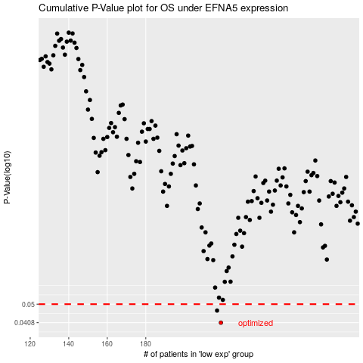

 |  |  |  |  |  | cases_OS | p_OS | rank | exp
 |  |  |  |  |  | 219 | 0.0408 | 41 | -0.2273092727
 |  |  |  |  |  | 217 | 0.0466 | 187 | -0.24889906659
 |  |  |  |  |  |  | cases_RFS | p_RFS | rank | exp
 |  |  |  |  |  |  | 218 | 0.0408 | 12 | -0.24586325691
 |  |  |  |  |  |  | 216 | 0.0466 | 137 | -0.25380155415

