EFNB3 _multivariate
Reported by Tex Li-Hsing Chi. tex@gate.sinica.edu.tw 2019-08-20

Table 2. The clinicopathological features of HNSCC cohort and EFNB3 expression. (Chi square test)
Cutoff at -0.291 (49.8%)
 |  | EFNB3 expression |  | EFNB3 expression |  | (Optimised)
 | Features | Low | (%) | High | (%) | Case no | P-value | Remark | Matthews
Gender | Female | 152 | 36.6 | 154 | 37.1 | 415 | 0.9766 | 0 | 0
2 | Male | 55 | 13.3 | 54 | 13
Age at diagnosis | <=65y | 141 | 34 | 133 | 32 | 415 | 0.4272 | 0 | 0
4 | >65y | 66 | 15.9 | 75 | 18.1
Clinical T Status | T1+T2 | 91 | 21.9 | 58 | 14 | 415 | 9e-04 | 1 | 0
6 | T3+T4 | 116 | 28 | 150 | 36.1
Clinical N Status | N0 | 100 | 24.1 | 116 | 28 | 415 | 0.1548 | 0 | 0
8 | N1-3 | 107 | 25.8 | 92 | 22.2
Clinical M Status | M0 | 204 | 49.2 | 208 | 50.1 | 415 | 0.1232 | 0 | 0
10 | M1 | 3 | 0.7 | 0 | 0
Clinical Stage | Stage I+II | 57 | 13.7 | 45 | 10.8 | 415 | 0.1998 | 0 | 0
12 | Stage III+IV | 150 | 36.1 | 163 | 39.3
Surgical Margin status | Negative | 158 | 38.1 | 160 | 38.6 | 415 | 0.9081 | 0 | 0
14 | Positive | 49 | 11.8 | 48 | 11.6
Tobacco Exposure | Low | 89 | 21.4 | 72 | 17.3 | 415 | 0.0872 | 0 | 0
16 | High | 118 | 28.4 | 136 | 32.8

Table 3. Univariate/Multivariate Cox's proportional hazards regression analyses on OS time of EFNB3 gene expression in HNSCC

 |  | Univariate |  |  |  | Multivariate
 | Features | HR | CI95%(L) | CI95%(H) | P-value | HR | CI95%(L) | CI95%(H) | P-value
1 | Female | 1 |  |  |  | 1
Gender | Male | 1.157 | 0.843 | 1.587 | 0.367 | 1.209 | 0.865 | 1.69 | 0.266
11 | <=65y | 1 |  |  |  | 1
Age at diagnosis | >65y | 1.329 | 0.99 | 1.784 | 0.058 | 1.384 | 1.017 | 1.882 | 0.038
12 | T1+T2 | 1 |  |  |  | 1
Clinical T Status | T3+T4 | 1.409 | 1.028 | 1.931 | 0.033 | 2.127 | 1.121 | 4.037 | 0.021
13 | N0 | 1 |  |  |  | 1
Clinical N Status | N1-3 | 1.185 | 0.89 | 1.577 | 0.246 | 1.271 | 0.889 | 1.819 | 0.189
14 | M0 | 1 |  |  |  | 1
Clinical M Status | M1 | 4.097 | 1.009 | 16.644 | 0.049 | 9.876 | 2.148 | 45.415 | 0.003
15 | Stage I+II | 1 |  |  |  | 1
Clinical Stage | Stage III+IV | 1.245 | 0.882 | 1.759 | 0.213 | 0.506 | 0.236 | 1.086 | 0.08
16 | Negative | 1 |  |  |  | 1
Surgical Margin status | Positive | 1.591 | 1.155 | 2.191 | 0.004 | 1.689 | 1.222 | 2.336 | 0.002
17 | Low | 1 |  |  |  | 1
Tobacco Exposure | High | 1.364 | 1.008 | 1.844 | 0.044 | 1.43 | 1.036 | 1.973 | 0.029
18 | Low | 1 |  |  |  | 1
RNAseq(z-score) | High | 1.2 | 0.898 | 1.604 | 0.218 | 1.172 | 0.867 | 1.585 | 0.302

Table 4. Univariate/Multivariate Cox's proportional hazards regression analyses on RFS time of EFNB3 gene expression in HNSCC

 |  | Univariate |  |  |  | Multivariate
 | Features | HR | CI95%(L) | CI95%(H) | P-value | HR | CI95%(L) | CI95%(H) | P-value
1 | Female | 1 |  |  |  | 1
Gender | Male | 1.157 | 0.843 | 1.587 | 0.367 | 1.209 | 0.865 | 1.69 | 0.266
11 | <=65y | 1 |  |  |  | 1
Age at diagnosis | >65y | 1.329 | 0.99 | 1.784 | 0.058 | 1.384 | 1.017 | 1.882 | 0.038
12 | T1+T2 | 1 |  |  |  | 1
Clinical T Status | T3+T4 | 1.409 | 1.028 | 1.931 | 0.033 | 2.127 | 1.121 | 4.037 | 0.021
13 | N0 | 1 |  |  |  | 1
Clinical N Status | N1-3 | 1.185 | 0.89 | 1.577 | 0.246 | 1.271 | 0.889 | 1.819 | 0.189
14 | M0 | 1 |  |  |  | 1
Clinical M Status | M1 | 4.097 | 1.009 | 16.644 | 0.049 | 9.876 | 2.148 | 45.415 | 0.003
15 | Stage I+II | 1 |  |  |  | 1
Clinical Stage | Stage III+IV | 1.245 | 0.882 | 1.759 | 0.213 | 0.506 | 0.236 | 1.086 | 0.08
16 | Negative | 1 |  |  |  | 1
Surgical Margin status | Positive | 1.591 | 1.155 | 2.191 | 0.004 | 1.689 | 1.222 | 2.336 | 0.002
17 | Low | 1 |  |  |  | 1
Tobacco Exposure | High | 1.364 | 1.008 | 1.844 | 0.044 | 1.43 | 1.036 | 1.973 | 0.029
18 | Low | 1 |  |  |  | 1
RNAseq(z-score) | High | 1.2 | 0.898 | 1.604 | 0.218 | 1.172 | 0.867 | 1.585 | 0.302

Kaplan-Meier survival estimate: Cutoff at -0.291 (49.8%)



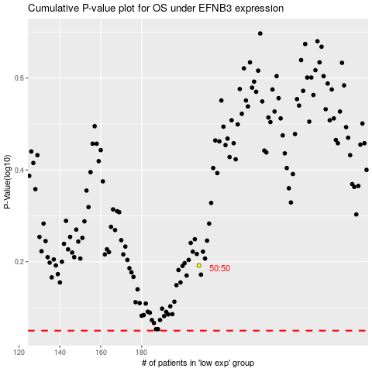

 |  |  |  |  |  | cases_OS | p_OS | rank | exp
 |  |  |  |  |  |  | cases_RFS | p_RFS | rank | exp

