EFR3A _multivariate
Reported by Tex Li-Hsing Chi. tex@gate.sinica.edu.tw 2019-08-20

Table 2. The clinicopathological features of HNSCC cohort and EFR3A expression. (Chi square test)
Cutoff at 0.001 (49.8%)
 |  | EFR3A expression |  | EFR3A expression |  | (Optimised)
 | Features | Low | (%) | High | (%) | Case no | P-value | Remark | Matthews
Gender | Female | 157 | 37.8 | 149 | 35.9 | 415 | 0.3881 | 0 | 0
2 | Male | 50 | 12 | 59 | 14.2
Age at diagnosis | <=65y | 140 | 33.7 | 134 | 32.3 | 415 | 0.5574 | 0 | 0
4 | >65y | 67 | 16.1 | 74 | 17.8
Clinical T Status | T1+T2 | 77 | 18.6 | 72 | 17.3 | 415 | 0.6556 | 0 | 0
6 | T3+T4 | 130 | 31.3 | 136 | 32.8
Clinical N Status | N0 | 111 | 26.7 | 105 | 25.3 | 415 | 0.5875 | 0 | 0
8 | N1-3 | 96 | 23.1 | 103 | 24.8
Clinical M Status | M0 | 204 | 49.2 | 208 | 50.1 | 415 | 0.1232 | 0 | 0
10 | M1 | 3 | 0.7 | 0 | 0
Clinical Stage | Stage I+II | 45 | 10.8 | 57 | 13.7 | 415 | 0.2202 | 0 | 0
12 | Stage III+IV | 162 | 39 | 151 | 36.4
Surgical Margin status | Negative | 154 | 37.1 | 164 | 39.5 | 415 | 0.2984 | 0 | 0
14 | Positive | 53 | 12.8 | 44 | 10.6
Tobacco Exposure | Low | 79 | 19 | 82 | 19.8 | 415 | 0.8405 | 0 | 0
16 | High | 128 | 30.8 | 126 | 30.4

Table 3. Univariate/Multivariate Cox's proportional hazards regression analyses on OS time of EFR3A gene expression in HNSCC

 |  | Univariate |  |  |  | Multivariate
 | Features | HR | CI95%(L) | CI95%(H) | P-value | HR | CI95%(L) | CI95%(H) | P-value
1 | Female | 1 |  |  |  | 1
Gender | Male | 1.157 | 0.843 | 1.587 | 0.367 | 1.208 | 0.864 | 1.687 | 0.269
11 | <=65y | 1 |  |  |  | 1
Age at diagnosis | >65y | 1.329 | 0.99 | 1.784 | 0.058 | 1.394 | 1.025 | 1.895 | 0.034
12 | T1+T2 | 1 |  |  |  | 1
Clinical T Status | T3+T4 | 1.409 | 1.028 | 1.931 | 0.033 | 2.136 | 1.123 | 4.064 | 0.021
13 | N0 | 1 |  |  |  | 1
Clinical N Status | N1-3 | 1.185 | 0.89 | 1.577 | 0.246 | 1.215 | 0.848 | 1.743 | 0.289
14 | M0 | 1 |  |  |  | 1
Clinical M Status | M1 | 4.097 | 1.009 | 16.644 | 0.049 | 9.727 | 2.115 | 44.731 | 0.003
15 | Stage I+II | 1 |  |  |  | 1
Clinical Stage | Stage III+IV | 1.245 | 0.882 | 1.759 | 0.213 | 0.531 | 0.244 | 1.157 | 0.111
16 | Negative | 1 |  |  |  | 1
Surgical Margin status | Positive | 1.591 | 1.155 | 2.191 | 0.004 | 1.691 | 1.222 | 2.341 | 0.002
17 | Low | 1 |  |  |  | 1
Tobacco Exposure | High | 1.364 | 1.008 | 1.844 | 0.044 | 1.459 | 1.059 | 2.01 | 0.021
18 | Low | 1 |  |  |  | 1
RNAseq(z-score) | High | 1.08 | 0.811 | 1.438 | 0.601 | 1.109 | 0.824 | 1.491 | 0.496

Table 4. Univariate/Multivariate Cox's proportional hazards regression analyses on RFS time of EFR3A gene expression in HNSCC

 |  | Univariate |  |  |  | Multivariate
 | Features | HR | CI95%(L) | CI95%(H) | P-value | HR | CI95%(L) | CI95%(H) | P-value
1 | Female | 1 |  |  |  | 1
Gender | Male | 1.157 | 0.843 | 1.587 | 0.367 | 1.208 | 0.864 | 1.687 | 0.269
11 | <=65y | 1 |  |  |  | 1
Age at diagnosis | >65y | 1.329 | 0.99 | 1.784 | 0.058 | 1.394 | 1.025 | 1.895 | 0.034
12 | T1+T2 | 1 |  |  |  | 1
Clinical T Status | T3+T4 | 1.409 | 1.028 | 1.931 | 0.033 | 2.136 | 1.123 | 4.064 | 0.021
13 | N0 | 1 |  |  |  | 1
Clinical N Status | N1-3 | 1.185 | 0.89 | 1.577 | 0.246 | 1.215 | 0.848 | 1.743 | 0.289
14 | M0 | 1 |  |  |  | 1
Clinical M Status | M1 | 4.097 | 1.009 | 16.644 | 0.049 | 9.727 | 2.115 | 44.731 | 0.003
15 | Stage I+II | 1 |  |  |  | 1
Clinical Stage | Stage III+IV | 1.245 | 0.882 | 1.759 | 0.213 | 0.531 | 0.244 | 1.157 | 0.111
16 | Negative | 1 |  |  |  | 1
Surgical Margin status | Positive | 1.591 | 1.155 | 2.191 | 0.004 | 1.691 | 1.222 | 2.341 | 0.002
17 | Low | 1 |  |  |  | 1
Tobacco Exposure | High | 1.364 | 1.008 | 1.844 | 0.044 | 1.459 | 1.059 | 2.01 | 0.021
18 | Low | 1 |  |  |  | 1
RNAseq(z-score) | High | 1.08 | 0.811 | 1.438 | 0.601 | 1.109 | 0.824 | 1.491 | 0.496

Kaplan-Meier survival estimate: Cutoff at 0.001 (49.8%)



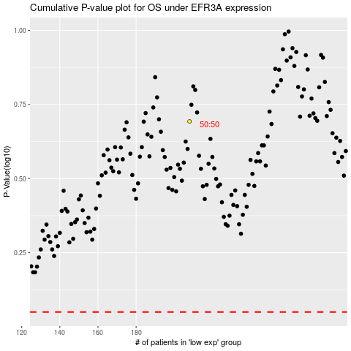

 |  |  |  |  |  | cases_OS | p_OS | rank | exp
 |  |  |  |  |  |  | cases_RFS | p_RFS | rank | exp

