EFTUD1 _multivariate
Reported by Tex Li-Hsing Chi. tex@gate.sinica.edu.tw 2019-08-20

Table 2. The clinicopathological features of HNSCC cohort and EFTUD1 expression. (Chi square test)
Cutoff at -0.104 (50.0%)
 |  | EFTUD1 expression |  | EFTUD1 expression |  | (Optimised)
 | Features | Low | (%) | High | (%) | Case no | P-value | Remark | Matthews
Gender | Female | 159 | 38.3 | 147 | 35.4 | 415 | 0.1905 | 0 | 0
2 | Male | 48 | 11.6 | 61 | 14.7
Age at diagnosis | <=65y | 129 | 31.1 | 145 | 34.9 | 415 | 0.1372 | 0 | 0
4 | >65y | 78 | 18.8 | 63 | 15.2
Clinical T Status | T1+T2 | 78 | 18.8 | 71 | 17.1 | 415 | 0.5152 | 0 | 0
6 | T3+T4 | 129 | 31.1 | 137 | 33
Clinical N Status | N0 | 112 | 27 | 104 | 25.1 | 415 | 0.4599 | 0 | 0
8 | N1-3 | 95 | 22.9 | 104 | 25.1
Clinical M Status | M0 | 206 | 49.6 | 206 | 49.6 | 415 | 1 | 0 | 0
10 | M1 | 1 | 0.2 | 2 | 0.5
Clinical Stage | Stage I+II | 56 | 13.5 | 46 | 11.1 | 415 | 0.2918 | 0 | 0
12 | Stage III+IV | 151 | 36.4 | 162 | 39
Surgical Margin status | Negative | 162 | 39 | 156 | 37.6 | 415 | 0.4867 | 0 | 0
14 | Positive | 45 | 10.8 | 52 | 12.5
Tobacco Exposure | Low | 71 | 17.1 | 90 | 21.7 | 415 | 0.0698 | 0 | 0
16 | High | 136 | 32.8 | 118 | 28.4

Table 3. Univariate/Multivariate Cox's proportional hazards regression analyses on OS time of EFTUD1 gene expression in HNSCC

 |  | Univariate |  |  |  | Multivariate
 | Features | HR | CI95%(L) | CI95%(H) | P-value | HR | CI95%(L) | CI95%(H) | P-value
1 | Female | 1 |  |  |  | 1
Gender | Male | 1.157 | 0.843 | 1.587 | 0.367 | 1.196 | 0.856 | 1.672 | 0.294
11 | <=65y | 1 |  |  |  | 1
Age at diagnosis | >65y | 1.329 | 0.99 | 1.784 | 0.058 | 1.406 | 1.031 | 1.919 | 0.031
12 | T1+T2 | 1 |  |  |  | 1
Clinical T Status | T3+T4 | 1.409 | 1.028 | 1.931 | 0.033 | 2.204 | 1.166 | 4.168 | 0.015
13 | N0 | 1 |  |  |  | 1
Clinical N Status | N1-3 | 1.185 | 0.89 | 1.577 | 0.246 | 1.25 | 0.875 | 1.787 | 0.22
14 | M0 | 1 |  |  |  | 1
Clinical M Status | M1 | 4.097 | 1.009 | 16.644 | 0.049 | 9.214 | 2.005 | 42.352 | 0.004
15 | Stage I+II | 1 |  |  |  | 1
Clinical Stage | Stage III+IV | 1.245 | 0.882 | 1.759 | 0.213 | 0.5 | 0.233 | 1.074 | 0.076
16 | Negative | 1 |  |  |  | 1
Surgical Margin status | Positive | 1.591 | 1.155 | 2.191 | 0.004 | 1.667 | 1.206 | 2.304 | 0.002
17 | Low | 1 |  |  |  | 1
Tobacco Exposure | High | 1.364 | 1.008 | 1.844 | 0.044 | 1.469 | 1.062 | 2.033 | 0.02
18 | Low | 1 |  |  |  | 1
RNAseq(z-score) | High | 1.036 | 0.776 | 1.383 | 0.809 | 1.07 | 0.795 | 1.44 | 0.654

Table 4. Univariate/Multivariate Cox's proportional hazards regression analyses on RFS time of EFTUD1 gene expression in HNSCC

 |  | Univariate |  |  |  | Multivariate
 | Features | HR | CI95%(L) | CI95%(H) | P-value | HR | CI95%(L) | CI95%(H) | P-value
1 | Female | 1 |  |  |  | 1
Gender | Male | 1.157 | 0.843 | 1.587 | 0.367 | 1.196 | 0.856 | 1.672 | 0.294
11 | <=65y | 1 |  |  |  | 1
Age at diagnosis | >65y | 1.329 | 0.99 | 1.784 | 0.058 | 1.406 | 1.031 | 1.919 | 0.031
12 | T1+T2 | 1 |  |  |  | 1
Clinical T Status | T3+T4 | 1.409 | 1.028 | 1.931 | 0.033 | 2.204 | 1.166 | 4.168 | 0.015
13 | N0 | 1 |  |  |  | 1
Clinical N Status | N1-3 | 1.185 | 0.89 | 1.577 | 0.246 | 1.25 | 0.875 | 1.787 | 0.22
14 | M0 | 1 |  |  |  | 1
Clinical M Status | M1 | 4.097 | 1.009 | 16.644 | 0.049 | 9.214 | 2.005 | 42.352 | 0.004
15 | Stage I+II | 1 |  |  |  | 1
Clinical Stage | Stage III+IV | 1.245 | 0.882 | 1.759 | 0.213 | 0.5 | 0.233 | 1.074 | 0.076
16 | Negative | 1 |  |  |  | 1
Surgical Margin status | Positive | 1.591 | 1.155 | 2.191 | 0.004 | 1.667 | 1.206 | 2.304 | 0.002
17 | Low | 1 |  |  |  | 1
Tobacco Exposure | High | 1.364 | 1.008 | 1.844 | 0.044 | 1.469 | 1.062 | 2.033 | 0.02
18 | Low | 1 |  |  |  | 1
RNAseq(z-score) | High | 1.036 | 0.776 | 1.383 | 0.809 | 1.07 | 0.795 | 1.44 | 0.654

Kaplan-Meier survival estimate: Cutoff at -0.104 (50.0%)



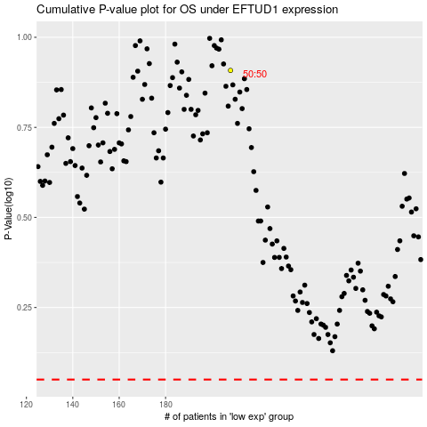

 |  |  |  |  |  | cases_OS | p_OS | rank | exp
 |  |  |  |  |  |  | cases_RFS | p_RFS | rank | exp

