EGF _multivariate
Reported by Tex Li-Hsing Chi. tex@gate.sinica.edu.tw 2019-08-20

Table 2. The clinicopathological features of HNSCC cohort and EGF expression. (Chi square test)
Cutoff at -0.377 (37.2%)
 |  | EGF expression |  | EGF expression |  | (Optimised)
 | Features | Low | (%) | High | (%) | Case no | P-value | Remark | Matthews
Gender | Female | 119 | 28.7 | 187 | 45.1 | 415 | 0.2532 | 0 | 0
2 | Male | 35 | 8.4 | 74 | 17.8
Age at diagnosis | <=65y | 88 | 21.2 | 186 | 44.8 | 415 | 0.0047 | 1 | 0
4 | >65y | 66 | 15.9 | 75 | 18.1
Clinical T Status | T1+T2 | 53 | 12.8 | 96 | 23.1 | 415 | 0.7043 | 0 | 0
6 | T3+T4 | 101 | 24.3 | 165 | 39.8
Clinical N Status | N0 | 77 | 18.6 | 139 | 33.5 | 415 | 0.5893 | 0 | 0
8 | N1-3 | 77 | 18.6 | 122 | 29.4
Clinical M Status | M0 | 152 | 36.6 | 260 | 62.7 | 415 | 0.5582 | 0 | 0
10 | M1 | 2 | 0.5 | 1 | 0.2
Clinical Stage | Stage I+II | 33 | 8 | 69 | 16.6 | 415 | 0.3045 | 0 | 0
12 | Stage III+IV | 121 | 29.2 | 192 | 46.3
Surgical Margin status | Negative | 120 | 28.9 | 198 | 47.7 | 415 | 0.7189 | 0 | 0
14 | Positive | 34 | 8.2 | 63 | 15.2
Tobacco Exposure | Low | 73 | 17.6 | 88 | 21.2 | 415 | 0.0067 | 1 | 0
16 | High | 81 | 19.5 | 173 | 41.7

Table 3. Univariate/Multivariate Cox's proportional hazards regression analyses on OS time of EGF gene expression in HNSCC

 |  | Univariate |  |  |  | Multivariate
 | Features | HR | CI95%(L) | CI95%(H) | P-value | HR | CI95%(L) | CI95%(H) | P-value
1 | Female | 1 |  |  |  | 1
Gender | Male | 1.157 | 0.843 | 1.587 | 0.367 | 1.156 | 0.826 | 1.618 | 0.397
11 | <=65y | 1 |  |  |  | 1
Age at diagnosis | >65y | 1.329 | 0.99 | 1.784 | 0.058 | 1.45 | 1.064 | 1.977 | 0.019
12 | T1+T2 | 1 |  |  |  | 1
Clinical T Status | T3+T4 | 1.409 | 1.028 | 1.931 | 0.033 | 2.174 | 1.15 | 4.109 | 0.017
13 | N0 | 1 |  |  |  | 1
Clinical N Status | N1-3 | 1.185 | 0.89 | 1.577 | 0.246 | 1.243 | 0.872 | 1.772 | 0.23
14 | M0 | 1 |  |  |  | 1
Clinical M Status | M1 | 4.097 | 1.009 | 16.644 | 0.049 | 9.704 | 2.115 | 44.527 | 0.003
15 | Stage I+II | 1 |  |  |  | 1
Clinical Stage | Stage III+IV | 1.245 | 0.882 | 1.759 | 0.213 | 0.518 | 0.241 | 1.111 | 0.091
16 | Negative | 1 |  |  |  | 1
Surgical Margin status | Positive | 1.591 | 1.155 | 2.191 | 0.004 | 1.641 | 1.187 | 2.27 | 0.003
17 | Low | 1 |  |  |  | 1
Tobacco Exposure | High | 1.364 | 1.008 | 1.844 | 0.044 | 1.377 | 0.996 | 1.904 | 0.053
18 | Low | 1 |  |  |  | 1
RNAseq(z-score) | High | 1.386 | 1.018 | 1.887 | 0.038 | 1.345 | 0.978 | 1.849 | 0.068

Table 4. Univariate/Multivariate Cox's proportional hazards regression analyses on RFS time of EGF gene expression in HNSCC

 |  | Univariate |  |  |  | Multivariate
 | Features | HR | CI95%(L) | CI95%(H) | P-value | HR | CI95%(L) | CI95%(H) | P-value
1 | Female | 1 |  |  |  | 1
Gender | Male | 1.157 | 0.843 | 1.587 | 0.367 | 1.156 | 0.826 | 1.618 | 0.397
11 | <=65y | 1 |  |  |  | 1
Age at diagnosis | >65y | 1.329 | 0.99 | 1.784 | 0.058 | 1.45 | 1.064 | 1.977 | 0.019
12 | T1+T2 | 1 |  |  |  | 1
Clinical T Status | T3+T4 | 1.409 | 1.028 | 1.931 | 0.033 | 2.174 | 1.15 | 4.109 | 0.017
13 | N0 | 1 |  |  |  | 1
Clinical N Status | N1-3 | 1.185 | 0.89 | 1.577 | 0.246 | 1.243 | 0.872 | 1.772 | 0.23
14 | M0 | 1 |  |  |  | 1
Clinical M Status | M1 | 4.097 | 1.009 | 16.644 | 0.049 | 9.704 | 2.115 | 44.527 | 0.003
15 | Stage I+II | 1 |  |  |  | 1
Clinical Stage | Stage III+IV | 1.245 | 0.882 | 1.759 | 0.213 | 0.518 | 0.241 | 1.111 | 0.091
16 | Negative | 1 |  |  |  | 1
Surgical Margin status | Positive | 1.591 | 1.155 | 2.191 | 0.004 | 1.641 | 1.187 | 2.27 | 0.003
17 | Low | 1 |  |  |  | 1
Tobacco Exposure | High | 1.364 | 1.008 | 1.844 | 0.044 | 1.377 | 0.996 | 1.904 | 0.053
18 | Low | 1 |  |  |  | 1
RNAseq(z-score) | High | 1.386 | 1.018 | 1.887 | 0.038 | 1.345 | 0.978 | 1.849 | 0.068

Kaplan-Meier survival estimate: Cutoff at -0.377 (37.2%)



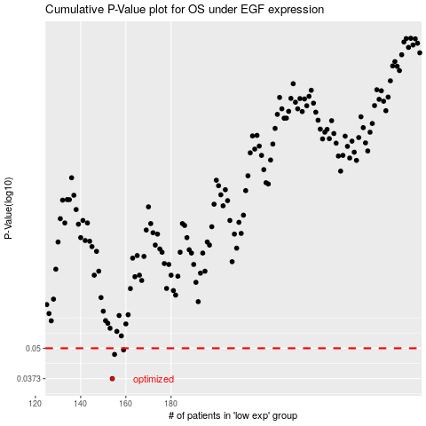

 |  |  |  |  |  | cases_OS | p_OS | rank | exp
 |  |  |  |  |  | 154 | 0.0373 | 260 | -0.37731733852
 |  |  |  |  |  | 155 | 0.0471 | 161 | -0.37642547129
 |  |  |  |  |  | 159 | 0.0492 | 117 | -0.37400790354
 |  |  |  |  |  |  | cases_RFS | p_RFS | rank | exp
 |  |  |  |  |  |  | 153 | 0.0373 | 177 | -0.37838547891
 |  |  |  |  |  |  | 154 | 0.0471 | 260 | -0.37731733852
 |  |  |  |  |  |  | 158 | 0.0492 | 330 | -0.37425318578

