EGFL7 _multivariate
Reported by Tex Li-Hsing Chi. tex@gate.sinica.edu.tw 2019-08-20

Table 2. The clinicopathological features of HNSCC cohort and EGFL7 expression. (Chi square test)
Cutoff at -0.238 (49.8%)
 |  | EGFL7 expression |  | EGFL7 expression |  | (Optimised)
 | Features | Low | (%) | High | (%) | Case no | P-value | Remark | Matthews
Gender | Female | 146 | 35.2 | 160 | 38.6 | 415 | 0.1714 | 0 | 0
2 | Male | 61 | 14.7 | 48 | 11.6
Age at diagnosis | <=65y | 139 | 33.5 | 135 | 32.5 | 415 | 0.7044 | 0 | 0
4 | >65y | 68 | 16.4 | 73 | 17.6
Clinical T Status | T1+T2 | 85 | 20.5 | 64 | 15.4 | 415 | 0.0372 | 1 | 0
6 | T3+T4 | 122 | 29.4 | 144 | 34.7
Clinical N Status | N0 | 110 | 26.5 | 106 | 25.5 | 415 | 0.7294 | 0 | 0
8 | N1-3 | 97 | 23.4 | 102 | 24.6
Clinical M Status | M0 | 207 | 49.9 | 205 | 49.4 | 415 | 0.2482 | 0 | 0
10 | M1 | 0 | 0 | 3 | 0.7
Clinical Stage | Stage I+II | 57 | 13.7 | 45 | 10.8 | 415 | 0.1998 | 0 | 0
12 | Stage III+IV | 150 | 36.1 | 163 | 39.3
Surgical Margin status | Negative | 161 | 38.8 | 157 | 37.8 | 415 | 0.6429 | 0 | 0
14 | Positive | 46 | 11.1 | 51 | 12.3
Tobacco Exposure | Low | 96 | 23.1 | 65 | 15.7 | 415 | 0.0018 | 1 | 0
16 | High | 111 | 26.7 | 143 | 34.5

Table 3. Univariate/Multivariate Cox's proportional hazards regression analyses on OS time of EGFL7 gene expression in HNSCC

 |  | Univariate |  |  |  | Multivariate
 | Features | HR | CI95%(L) | CI95%(H) | P-value | HR | CI95%(L) | CI95%(H) | P-value
1 | Female | 1 |  |  |  | 1
Gender | Male | 1.157 | 0.843 | 1.587 | 0.367 | 1.204 | 0.862 | 1.682 | 0.275
11 | <=65y | 1 |  |  |  | 1
Age at diagnosis | >65y | 1.329 | 0.99 | 1.784 | 0.058 | 1.397 | 1.027 | 1.899 | 0.033
12 | T1+T2 | 1 |  |  |  | 1
Clinical T Status | T3+T4 | 1.409 | 1.028 | 1.931 | 0.033 | 2.249 | 1.182 | 4.281 | 0.014
13 | N0 | 1 |  |  |  | 1
Clinical N Status | N1-3 | 1.185 | 0.89 | 1.577 | 0.246 | 1.242 | 0.871 | 1.772 | 0.231
14 | M0 | 1 |  |  |  | 1
Clinical M Status | M1 | 4.097 | 1.009 | 16.644 | 0.049 | 9.941 | 2.128 | 46.432 | 0.003
15 | Stage I+II | 1 |  |  |  | 1
Clinical Stage | Stage III+IV | 1.245 | 0.882 | 1.759 | 0.213 | 0.495 | 0.23 | 1.067 | 0.073
16 | Negative | 1 |  |  |  | 1
Surgical Margin status | Positive | 1.591 | 1.155 | 2.191 | 0.004 | 1.686 | 1.217 | 2.336 | 0.002
17 | Low | 1 |  |  |  | 1
Tobacco Exposure | High | 1.364 | 1.008 | 1.844 | 0.044 | 1.464 | 1.061 | 2.02 | 0.02
18 | Low | 1 |  |  |  | 1
RNAseq(z-score) | High | 1.099 | 0.824 | 1.466 | 0.522 | 0.933 | 0.694 | 1.255 | 0.646

Table 4. Univariate/Multivariate Cox's proportional hazards regression analyses on RFS time of EGFL7 gene expression in HNSCC

 |  | Univariate |  |  |  | Multivariate
 | Features | HR | CI95%(L) | CI95%(H) | P-value | HR | CI95%(L) | CI95%(H) | P-value
1 | Female | 1 |  |  |  | 1
Gender | Male | 1.157 | 0.843 | 1.587 | 0.367 | 1.204 | 0.862 | 1.682 | 0.275
11 | <=65y | 1 |  |  |  | 1
Age at diagnosis | >65y | 1.329 | 0.99 | 1.784 | 0.058 | 1.397 | 1.027 | 1.899 | 0.033
12 | T1+T2 | 1 |  |  |  | 1
Clinical T Status | T3+T4 | 1.409 | 1.028 | 1.931 | 0.033 | 2.249 | 1.182 | 4.281 | 0.014
13 | N0 | 1 |  |  |  | 1
Clinical N Status | N1-3 | 1.185 | 0.89 | 1.577 | 0.246 | 1.242 | 0.871 | 1.772 | 0.231
14 | M0 | 1 |  |  |  | 1
Clinical M Status | M1 | 4.097 | 1.009 | 16.644 | 0.049 | 9.941 | 2.128 | 46.432 | 0.003
15 | Stage I+II | 1 |  |  |  | 1
Clinical Stage | Stage III+IV | 1.245 | 0.882 | 1.759 | 0.213 | 0.495 | 0.23 | 1.067 | 0.073
16 | Negative | 1 |  |  |  | 1
Surgical Margin status | Positive | 1.591 | 1.155 | 2.191 | 0.004 | 1.686 | 1.217 | 2.336 | 0.002
17 | Low | 1 |  |  |  | 1
Tobacco Exposure | High | 1.364 | 1.008 | 1.844 | 0.044 | 1.464 | 1.061 | 2.02 | 0.02
18 | Low | 1 |  |  |  | 1
RNAseq(z-score) | High | 1.099 | 0.824 | 1.466 | 0.522 | 0.933 | 0.694 | 1.255 | 0.646

Kaplan-Meier survival estimate: Cutoff at -0.238 (49.8%)



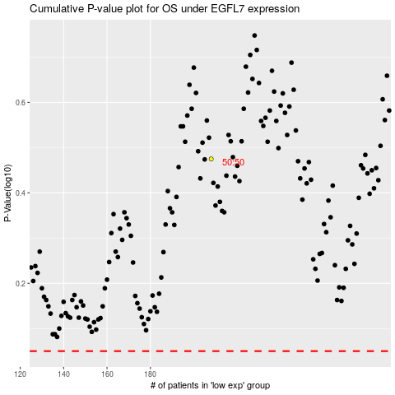

 |  |  |  |  |  | cases_OS | p_OS | rank | exp
 |  |  |  |  |  |  | cases_RFS | p_RFS | rank | exp

