EGFR _multivariate
Reported by Tex Li-Hsing Chi. tex@gate.sinica.edu.tw 2019-08-20

Table 2. The clinicopathological features of HNSCC cohort and EGFR expression. (Chi square test)
Cutoff at -0.253 (40.8%)
 |  | EGFR expression |  | EGFR expression |  | (Optimised)
 | Features | Low | (%) | High | (%) | Case no | P-value | Remark | Matthews
Gender | Female | 124 | 29.9 | 182 | 43.9 | 415 | 0.9797 | 0 | 0
2 | Male | 45 | 10.8 | 64 | 15.4
Age at diagnosis | <=65y | 112 | 27 | 162 | 39 | 415 | 1 | 0 | 0
4 | >65y | 57 | 13.7 | 84 | 20.2
Clinical T Status | T1+T2 | 71 | 17.1 | 78 | 18.8 | 415 | 0.0408 | 1 | 0
6 | T3+T4 | 98 | 23.6 | 168 | 40.5
Clinical N Status | N0 | 89 | 21.4 | 127 | 30.6 | 415 | 0.9142 | 0 | 0
8 | N1-3 | 80 | 19.3 | 119 | 28.7
Clinical M Status | M0 | 168 | 40.5 | 244 | 58.8 | 415 | 1 | 0 | 0
10 | M1 | 1 | 0.2 | 2 | 0.5
Clinical Stage | Stage I+II | 48 | 11.6 | 54 | 13 | 415 | 0.1665 | 0 | 0
12 | Stage III+IV | 121 | 29.2 | 192 | 46.3
Surgical Margin status | Negative | 122 | 29.4 | 196 | 47.2 | 415 | 0.0981 | 0 | 0
14 | Positive | 47 | 11.3 | 50 | 12
Tobacco Exposure | Low | 66 | 15.9 | 95 | 22.9 | 415 | 1 | 0 | 0
16 | High | 103 | 24.8 | 151 | 36.4

Table 3. Univariate/Multivariate Cox's proportional hazards regression analyses on OS time of EGFR gene expression in HNSCC

 |  | Univariate |  |  |  | Multivariate
 | Features | HR | CI95%(L) | CI95%(H) | P-value | HR | CI95%(L) | CI95%(H) | P-value
1 | Female | 1 |  |  |  | 1
Gender | Male | 1.157 | 0.843 | 1.587 | 0.367 | 1.202 | 0.861 | 1.677 | 0.28
11 | <=65y | 1 |  |  |  | 1
Age at diagnosis | >65y | 1.329 | 0.99 | 1.784 | 0.058 | 1.406 | 1.034 | 1.911 | 0.03
12 | T1+T2 | 1 |  |  |  | 1
Clinical T Status | T3+T4 | 1.409 | 1.028 | 1.931 | 0.033 | 2.214 | 1.171 | 4.187 | 0.014
13 | N0 | 1 |  |  |  | 1
Clinical N Status | N1-3 | 1.185 | 0.89 | 1.577 | 0.246 | 1.284 | 0.899 | 1.834 | 0.169
14 | M0 | 1 |  |  |  | 1
Clinical M Status | M1 | 4.097 | 1.009 | 16.644 | 0.049 | 9.41 | 2.052 | 43.157 | 0.004
15 | Stage I+II | 1 |  |  |  | 1
Clinical Stage | Stage III+IV | 1.245 | 0.882 | 1.759 | 0.213 | 0.482 | 0.224 | 1.036 | 0.062
16 | Negative | 1 |  |  |  | 1
Surgical Margin status | Positive | 1.591 | 1.155 | 2.191 | 0.004 | 1.776 | 1.281 | 2.463 | 0.001
17 | Low | 1 |  |  |  | 1
Tobacco Exposure | High | 1.364 | 1.008 | 1.844 | 0.044 | 1.458 | 1.059 | 2.008 | 0.021
18 | Low | 1 |  |  |  | 1
RNAseq(z-score) | High | 1.368 | 1.015 | 1.844 | 0.04 | 1.487 | 1.097 | 2.015 | 0.011

Table 4. Univariate/Multivariate Cox's proportional hazards regression analyses on RFS time of EGFR gene expression in HNSCC

 |  | Univariate |  |  |  | Multivariate
 | Features | HR | CI95%(L) | CI95%(H) | P-value | HR | CI95%(L) | CI95%(H) | P-value
1 | Female | 1 |  |  |  | 1
Gender | Male | 1.157 | 0.843 | 1.587 | 0.367 | 1.202 | 0.861 | 1.677 | 0.28
11 | <=65y | 1 |  |  |  | 1
Age at diagnosis | >65y | 1.329 | 0.99 | 1.784 | 0.058 | 1.406 | 1.034 | 1.911 | 0.03
12 | T1+T2 | 1 |  |  |  | 1
Clinical T Status | T3+T4 | 1.409 | 1.028 | 1.931 | 0.033 | 2.214 | 1.171 | 4.187 | 0.014
13 | N0 | 1 |  |  |  | 1
Clinical N Status | N1-3 | 1.185 | 0.89 | 1.577 | 0.246 | 1.284 | 0.899 | 1.834 | 0.169
14 | M0 | 1 |  |  |  | 1
Clinical M Status | M1 | 4.097 | 1.009 | 16.644 | 0.049 | 9.41 | 2.052 | 43.157 | 0.004
15 | Stage I+II | 1 |  |  |  | 1
Clinical Stage | Stage III+IV | 1.245 | 0.882 | 1.759 | 0.213 | 0.482 | 0.224 | 1.036 | 0.062
16 | Negative | 1 |  |  |  | 1
Surgical Margin status | Positive | 1.591 | 1.155 | 2.191 | 0.004 | 1.776 | 1.281 | 2.463 | 0.001
17 | Low | 1 |  |  |  | 1
Tobacco Exposure | High | 1.364 | 1.008 | 1.844 | 0.044 | 1.458 | 1.059 | 2.008 | 0.021
18 | Low | 1 |  |  |  | 1
RNAseq(z-score) | High | 1.368 | 1.015 | 1.844 | 0.04 | 1.487 | 1.097 | 2.015 | 0.011

Kaplan-Meier survival estimate: Cutoff at -0.253 (40.8%)



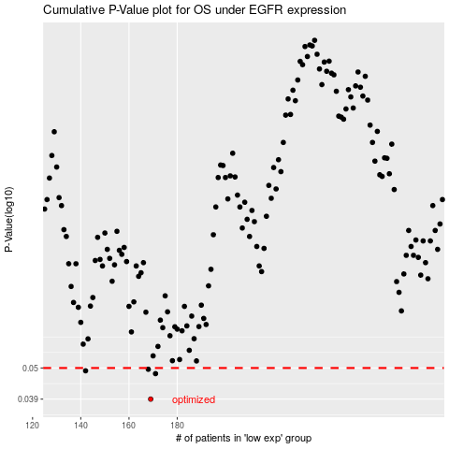

 |  |  |  |  |  | cases_OS | p_OS | rank | exp
 |  |  |  |  |  | 169 | 0.039 | 247 | -0.25321051896
 |  |  |  |  |  | 171 | 0.0478 | 206 | -0.25217266461
 |  |  |  |  |  | 142 | 0.0489 | 117 | -0.29936118769
 |  |  |  |  |  | 168 | 0.0495 | 106 | -0.25460711687
 |  |  |  |  |  |  | cases_RFS | p_RFS | rank | exp
 |  |  |  |  |  |  | 168 | 0.039 | 106 | -0.25460711687
 |  |  |  |  |  |  | 170 | 0.0478 | 317 | -0.25298009545
 |  |  |  |  |  |  | 141 | 0.0489 | 75 | -0.30077780139
 |  |  |  |  |  |  | 167 | 0.0495 | 177 | -0.25505506566

