EGLN2 _multivariate
Reported by Tex Li-Hsing Chi. tex@gate.sinica.edu.tw 2019-08-20

Table 2. The clinicopathological features of HNSCC cohort and EGLN2 expression. (Chi square test)
Cutoff at -0.184 (50.0%)
 |  | EGLN2 expression |  | EGLN2 expression |  | (Optimised)
 | Features | Low | (%) | High | (%) | Case no | P-value | Remark | Matthews
Gender | Female | 149 | 35.9 | 157 | 37.8 | 415 | 0.4848 | 0 | 0
2 | Male | 58 | 14 | 51 | 12.3
Age at diagnosis | <=65y | 143 | 34.5 | 131 | 31.6 | 415 | 0.2269 | 0 | 0
4 | >65y | 64 | 15.4 | 77 | 18.6
Clinical T Status | T1+T2 | 73 | 17.6 | 76 | 18.3 | 415 | 0.8666 | 0 | 0
6 | T3+T4 | 134 | 32.3 | 132 | 31.8
Clinical N Status | N0 | 112 | 27 | 104 | 25.1 | 415 | 0.4599 | 0 | 0
8 | N1-3 | 95 | 22.9 | 104 | 25.1
Clinical M Status | M0 | 205 | 49.4 | 207 | 49.9 | 415 | 0.6232 | 0 | 0
10 | M1 | 2 | 0.5 | 1 | 0.2
Clinical Stage | Stage I+II | 53 | 12.8 | 49 | 11.8 | 415 | 0.7113 | 0 | 0
12 | Stage III+IV | 154 | 37.1 | 159 | 38.3
Surgical Margin status | Negative | 157 | 37.8 | 161 | 38.8 | 415 | 0.729 | 0 | 0
14 | Positive | 50 | 12 | 47 | 11.3
Tobacco Exposure | Low | 76 | 18.3 | 85 | 20.5 | 415 | 0.4207 | 0 | 0
16 | High | 131 | 31.6 | 123 | 29.6

Table 3. Univariate/Multivariate Cox's proportional hazards regression analyses on OS time of EGLN2 gene expression in HNSCC

 |  | Univariate |  |  |  | Multivariate
 | Features | HR | CI95%(L) | CI95%(H) | P-value | HR | CI95%(L) | CI95%(H) | P-value
1 | Female | 1 |  |  |  | 1
Gender | Male | 1.157 | 0.843 | 1.587 | 0.367 | 1.187 | 0.849 | 1.657 | 0.316
11 | <=65y | 1 |  |  |  | 1
Age at diagnosis | >65y | 1.329 | 0.99 | 1.784 | 0.058 | 1.397 | 1.028 | 1.899 | 0.033
12 | T1+T2 | 1 |  |  |  | 1
Clinical T Status | T3+T4 | 1.409 | 1.028 | 1.931 | 0.033 | 2.163 | 1.144 | 4.093 | 0.018
13 | N0 | 1 |  |  |  | 1
Clinical N Status | N1-3 | 1.185 | 0.89 | 1.577 | 0.246 | 1.258 | 0.881 | 1.795 | 0.206
14 | M0 | 1 |  |  |  | 1
Clinical M Status | M1 | 4.097 | 1.009 | 16.644 | 0.049 | 8.945 | 1.948 | 41.068 | 0.005
15 | Stage I+II | 1 |  |  |  | 1
Clinical Stage | Stage III+IV | 1.245 | 0.882 | 1.759 | 0.213 | 0.513 | 0.239 | 1.101 | 0.087
16 | Negative | 1 |  |  |  | 1
Surgical Margin status | Positive | 1.591 | 1.155 | 2.191 | 0.004 | 1.66 | 1.201 | 2.295 | 0.002
17 | Low | 1 |  |  |  | 1
Tobacco Exposure | High | 1.364 | 1.008 | 1.844 | 0.044 | 1.454 | 1.055 | 2.003 | 0.022
18 | Low | 1 |  |  |  | 1
RNAseq(z-score) | High | 0.796 | 0.597 | 1.062 | 0.12 | 0.815 | 0.61 | 1.089 | 0.166

Table 4. Univariate/Multivariate Cox's proportional hazards regression analyses on RFS time of EGLN2 gene expression in HNSCC

 |  | Univariate |  |  |  | Multivariate
 | Features | HR | CI95%(L) | CI95%(H) | P-value | HR | CI95%(L) | CI95%(H) | P-value
1 | Female | 1 |  |  |  | 1
Gender | Male | 1.157 | 0.843 | 1.587 | 0.367 | 1.187 | 0.849 | 1.657 | 0.316
11 | <=65y | 1 |  |  |  | 1
Age at diagnosis | >65y | 1.329 | 0.99 | 1.784 | 0.058 | 1.397 | 1.028 | 1.899 | 0.033
12 | T1+T2 | 1 |  |  |  | 1
Clinical T Status | T3+T4 | 1.409 | 1.028 | 1.931 | 0.033 | 2.163 | 1.144 | 4.093 | 0.018
13 | N0 | 1 |  |  |  | 1
Clinical N Status | N1-3 | 1.185 | 0.89 | 1.577 | 0.246 | 1.258 | 0.881 | 1.795 | 0.206
14 | M0 | 1 |  |  |  | 1
Clinical M Status | M1 | 4.097 | 1.009 | 16.644 | 0.049 | 8.945 | 1.948 | 41.068 | 0.005
15 | Stage I+II | 1 |  |  |  | 1
Clinical Stage | Stage III+IV | 1.245 | 0.882 | 1.759 | 0.213 | 0.513 | 0.239 | 1.101 | 0.087
16 | Negative | 1 |  |  |  | 1
Surgical Margin status | Positive | 1.591 | 1.155 | 2.191 | 0.004 | 1.66 | 1.201 | 2.295 | 0.002
17 | Low | 1 |  |  |  | 1
Tobacco Exposure | High | 1.364 | 1.008 | 1.844 | 0.044 | 1.454 | 1.055 | 2.003 | 0.022
18 | Low | 1 |  |  |  | 1
RNAseq(z-score) | High | 0.796 | 0.597 | 1.062 | 0.12 | 0.815 | 0.61 | 1.089 | 0.166

Kaplan-Meier survival estimate: Cutoff at -0.184 (50.0%)



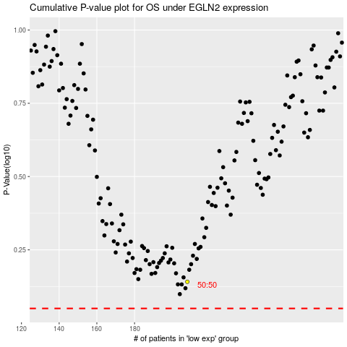

 |  |  |  |  |  | cases_OS | p_OS | rank | exp
 |  |  |  |  |  |  | cases_RFS | p_RFS | rank | exp

