EGR3 _multivariate
Reported by Tex Li-Hsing Chi. tex@gate.sinica.edu.tw 2019-08-20

Table 2. The clinicopathological features of HNSCC cohort and EGR3 expression. (Chi square test)
Cutoff at -0.253 (50.0%)
 |  | EGR3 expression |  | EGR3 expression |  | (Optimised)
 | Features | Low | (%) | High | (%) | Case no | P-value | Remark | Matthews
Gender | Female | 152 | 36.6 | 154 | 37.1 | 415 | 0.9766 | 0 | 0
2 | Male | 55 | 13.3 | 54 | 13
Age at diagnosis | <=65y | 133 | 32 | 141 | 34 | 415 | 0.5111 | 0 | 0
4 | >65y | 74 | 17.8 | 67 | 16.1
Clinical T Status | T1+T2 | 66 | 15.9 | 83 | 20 | 415 | 0.1095 | 0 | 0
6 | T3+T4 | 141 | 34 | 125 | 30.1
Clinical N Status | N0 | 102 | 24.6 | 114 | 27.5 | 415 | 0.3031 | 0 | 0
8 | N1-3 | 105 | 25.3 | 94 | 22.7
Clinical M Status | M0 | 204 | 49.2 | 208 | 50.1 | 415 | 0.1232 | 0 | 0
10 | M1 | 3 | 0.7 | 0 | 0
Clinical Stage | Stage I+II | 43 | 10.4 | 59 | 14.2 | 415 | 0.0925 | 0 | 0
12 | Stage III+IV | 164 | 39.5 | 149 | 35.9
Surgical Margin status | Negative | 157 | 37.8 | 161 | 38.8 | 415 | 0.729 | 0 | 0
14 | Positive | 50 | 12 | 47 | 11.3
Tobacco Exposure | Low | 87 | 21 | 74 | 17.8 | 415 | 0.1911 | 0 | 0
16 | High | 120 | 28.9 | 134 | 32.3

Table 3. Univariate/Multivariate Cox's proportional hazards regression analyses on OS time of EGR3 gene expression in HNSCC

 |  | Univariate |  |  |  | Multivariate
 | Features | HR | CI95%(L) | CI95%(H) | P-value | HR | CI95%(L) | CI95%(H) | P-value
1 | Female | 1 |  |  |  | 1
Gender | Male | 1.157 | 0.843 | 1.587 | 0.367 | 1.198 | 0.858 | 1.675 | 0.289
11 | <=65y | 1 |  |  |  | 1
Age at diagnosis | >65y | 1.329 | 0.99 | 1.784 | 0.058 | 1.398 | 1.028 | 1.901 | 0.033
12 | T1+T2 | 1 |  |  |  | 1
Clinical T Status | T3+T4 | 1.409 | 1.028 | 1.931 | 0.033 | 2.232 | 1.179 | 4.224 | 0.014
13 | N0 | 1 |  |  |  | 1
Clinical N Status | N1-3 | 1.185 | 0.89 | 1.577 | 0.246 | 1.254 | 0.878 | 1.791 | 0.213
14 | M0 | 1 |  |  |  | 1
Clinical M Status | M1 | 4.097 | 1.009 | 16.644 | 0.049 | 10.1 | 2.186 | 46.66 | 0.003
15 | Stage I+II | 1 |  |  |  | 1
Clinical Stage | Stage III+IV | 1.245 | 0.882 | 1.759 | 0.213 | 0.506 | 0.236 | 1.088 | 0.081
16 | Negative | 1 |  |  |  | 1
Surgical Margin status | Positive | 1.591 | 1.155 | 2.191 | 0.004 | 1.657 | 1.199 | 2.29 | 0.002
17 | Low | 1 |  |  |  | 1
Tobacco Exposure | High | 1.364 | 1.008 | 1.844 | 0.044 | 1.423 | 1.03 | 1.965 | 0.033
18 | Low | 1 |  |  |  | 1
RNAseq(z-score) | High | 1.122 | 0.842 | 1.496 | 0.432 | 1.148 | 0.854 | 1.542 | 0.361

Table 4. Univariate/Multivariate Cox's proportional hazards regression analyses on RFS time of EGR3 gene expression in HNSCC

 |  | Univariate |  |  |  | Multivariate
 | Features | HR | CI95%(L) | CI95%(H) | P-value | HR | CI95%(L) | CI95%(H) | P-value
1 | Female | 1 |  |  |  | 1
Gender | Male | 1.157 | 0.843 | 1.587 | 0.367 | 1.198 | 0.858 | 1.675 | 0.289
11 | <=65y | 1 |  |  |  | 1
Age at diagnosis | >65y | 1.329 | 0.99 | 1.784 | 0.058 | 1.398 | 1.028 | 1.901 | 0.033
12 | T1+T2 | 1 |  |  |  | 1
Clinical T Status | T3+T4 | 1.409 | 1.028 | 1.931 | 0.033 | 2.232 | 1.179 | 4.224 | 0.014
13 | N0 | 1 |  |  |  | 1
Clinical N Status | N1-3 | 1.185 | 0.89 | 1.577 | 0.246 | 1.254 | 0.878 | 1.791 | 0.213
14 | M0 | 1 |  |  |  | 1
Clinical M Status | M1 | 4.097 | 1.009 | 16.644 | 0.049 | 10.1 | 2.186 | 46.66 | 0.003
15 | Stage I+II | 1 |  |  |  | 1
Clinical Stage | Stage III+IV | 1.245 | 0.882 | 1.759 | 0.213 | 0.506 | 0.236 | 1.088 | 0.081
16 | Negative | 1 |  |  |  | 1
Surgical Margin status | Positive | 1.591 | 1.155 | 2.191 | 0.004 | 1.657 | 1.199 | 2.29 | 0.002
17 | Low | 1 |  |  |  | 1
Tobacco Exposure | High | 1.364 | 1.008 | 1.844 | 0.044 | 1.423 | 1.03 | 1.965 | 0.033
18 | Low | 1 |  |  |  | 1
RNAseq(z-score) | High | 1.122 | 0.842 | 1.496 | 0.432 | 1.148 | 0.854 | 1.542 | 0.361

Kaplan-Meier survival estimate: Cutoff at -0.253 (50.0%)



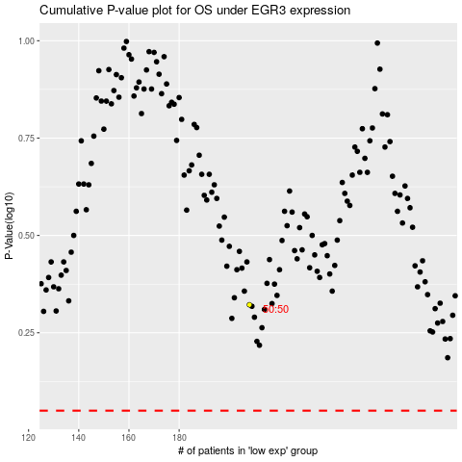

 |  |  |  |  |  | cases_OS | p_OS | rank | exp
 |  |  |  |  |  |  | cases_RFS | p_RFS | rank | exp

