EGR4 _multivariate
Reported by Tex Li-Hsing Chi. tex@gate.sinica.edu.tw 2019-08-20

Table 2. The clinicopathological features of HNSCC cohort and EGR4 expression. (Chi square test)
Cutoff at -0.298 (50.0%)
 |  | EGR4 expression |  | EGR4 expression |  | (Optimised)
 | Features | Low | (%) | High | (%) | Case no | P-value | Remark | Matthews
Gender | Female | 144 | 34.7 | 162 | 39 | 415 | 0.0697 | 0 | 0
2 | Male | 63 | 15.2 | 46 | 11.1
Age at diagnosis | <=65y | 136 | 32.8 | 138 | 33.3 | 415 | 0.9719 | 0 | 0
4 | >65y | 71 | 17.1 | 70 | 16.9
Clinical T Status | T1+T2 | 80 | 19.3 | 69 | 16.6 | 415 | 0.2891 | 0 | 0
6 | T3+T4 | 127 | 30.6 | 139 | 33.5
Clinical N Status | N0 | 102 | 24.6 | 114 | 27.5 | 415 | 0.3031 | 0 | 0
8 | N1-3 | 105 | 25.3 | 94 | 22.7
Clinical M Status | M0 | 204 | 49.2 | 208 | 50.1 | 415 | 0.1232 | 0 | 0
10 | M1 | 3 | 0.7 | 0 | 0
Clinical Stage | Stage I+II | 51 | 12.3 | 51 | 12.3 | 415 | 1 | 0 | 0
12 | Stage III+IV | 156 | 37.6 | 157 | 37.8
Surgical Margin status | Negative | 155 | 37.3 | 163 | 39.3 | 415 | 0.4187 | 0 | 0
14 | Positive | 52 | 12.5 | 45 | 10.8
Tobacco Exposure | Low | 84 | 20.2 | 77 | 18.6 | 415 | 0.4816 | 0 | 0
16 | High | 123 | 29.6 | 131 | 31.6

Table 3. Univariate/Multivariate Cox's proportional hazards regression analyses on OS time of EGR4 gene expression in HNSCC

 |  | Univariate |  |  |  | Multivariate
 | Features | HR | CI95%(L) | CI95%(H) | P-value | HR | CI95%(L) | CI95%(H) | P-value
1 | Female | 1 |  |  |  | 1
Gender | Male | 1.157 | 0.843 | 1.587 | 0.367 | 1.205 | 0.862 | 1.684 | 0.276
11 | <=65y | 1 |  |  |  | 1
Age at diagnosis | >65y | 1.329 | 0.99 | 1.784 | 0.058 | 1.398 | 1.028 | 1.901 | 0.033
12 | T1+T2 | 1 |  |  |  | 1
Clinical T Status | T3+T4 | 1.409 | 1.028 | 1.931 | 0.033 | 2.175 | 1.149 | 4.117 | 0.017
13 | N0 | 1 |  |  |  | 1
Clinical N Status | N1-3 | 1.185 | 0.89 | 1.577 | 0.246 | 1.246 | 0.873 | 1.779 | 0.225
14 | M0 | 1 |  |  |  | 1
Clinical M Status | M1 | 4.097 | 1.009 | 16.644 | 0.049 | 9.8 | 2.129 | 45.102 | 0.003
15 | Stage I+II | 1 |  |  |  | 1
Clinical Stage | Stage III+IV | 1.245 | 0.882 | 1.759 | 0.213 | 0.513 | 0.239 | 1.104 | 0.088
16 | Negative | 1 |  |  |  | 1
Surgical Margin status | Positive | 1.591 | 1.155 | 2.191 | 0.004 | 1.673 | 1.211 | 2.311 | 0.002
17 | Low | 1 |  |  |  | 1
Tobacco Exposure | High | 1.364 | 1.008 | 1.844 | 0.044 | 1.435 | 1.04 | 1.98 | 0.028
18 | Low | 1 |  |  |  | 1
RNAseq(z-score) | High | 1.115 | 0.836 | 1.487 | 0.459 | 1.116 | 0.833 | 1.495 | 0.462

Table 4. Univariate/Multivariate Cox's proportional hazards regression analyses on RFS time of EGR4 gene expression in HNSCC

 |  | Univariate |  |  |  | Multivariate
 | Features | HR | CI95%(L) | CI95%(H) | P-value | HR | CI95%(L) | CI95%(H) | P-value
1 | Female | 1 |  |  |  | 1
Gender | Male | 1.157 | 0.843 | 1.587 | 0.367 | 1.205 | 0.862 | 1.684 | 0.276
11 | <=65y | 1 |  |  |  | 1
Age at diagnosis | >65y | 1.329 | 0.99 | 1.784 | 0.058 | 1.398 | 1.028 | 1.901 | 0.033
12 | T1+T2 | 1 |  |  |  | 1
Clinical T Status | T3+T4 | 1.409 | 1.028 | 1.931 | 0.033 | 2.175 | 1.149 | 4.117 | 0.017
13 | N0 | 1 |  |  |  | 1
Clinical N Status | N1-3 | 1.185 | 0.89 | 1.577 | 0.246 | 1.246 | 0.873 | 1.779 | 0.225
14 | M0 | 1 |  |  |  | 1
Clinical M Status | M1 | 4.097 | 1.009 | 16.644 | 0.049 | 9.8 | 2.129 | 45.102 | 0.003
15 | Stage I+II | 1 |  |  |  | 1
Clinical Stage | Stage III+IV | 1.245 | 0.882 | 1.759 | 0.213 | 0.513 | 0.239 | 1.104 | 0.088
16 | Negative | 1 |  |  |  | 1
Surgical Margin status | Positive | 1.591 | 1.155 | 2.191 | 0.004 | 1.673 | 1.211 | 2.311 | 0.002
17 | Low | 1 |  |  |  | 1
Tobacco Exposure | High | 1.364 | 1.008 | 1.844 | 0.044 | 1.435 | 1.04 | 1.98 | 0.028
18 | Low | 1 |  |  |  | 1
RNAseq(z-score) | High | 1.115 | 0.836 | 1.487 | 0.459 | 1.116 | 0.833 | 1.495 | 0.462

Kaplan-Meier survival estimate: Cutoff at -0.298 (50.0%)



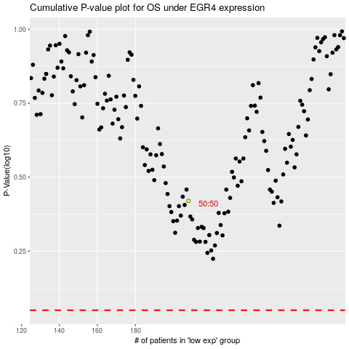

 |  |  |  |  |  | cases_OS | p_OS | rank | exp
 |  |  |  |  |  |  | cases_RFS | p_RFS | rank | exp

