EHBP1L1 _multivariate
Reported by Tex Li-Hsing Chi. tex@gate.sinica.edu.tw 2019-08-20

Table 2. The clinicopathological features of HNSCC cohort and EHBP1L1 expression. (Chi square test)
Cutoff at -0.079 (50.0%)
 |  | EHBP1L1 expression |  | EHBP1L1 expression |  | (Optimised)
 | Features | Low | (%) | High | (%) | Case no | P-value | Remark | Matthews
Gender | Female | 164 | 39.5 | 142 | 34.2 | 415 | 0.0153 | 1 | 0
2 | Male | 43 | 10.4 | 66 | 15.9
Age at diagnosis | <=65y | 141 | 34 | 133 | 32 | 415 | 0.4272 | 0 | 0
4 | >65y | 66 | 15.9 | 75 | 18.1
Clinical T Status | T1+T2 | 73 | 17.6 | 76 | 18.3 | 415 | 0.8666 | 0 | 0
6 | T3+T4 | 134 | 32.3 | 132 | 31.8
Clinical N Status | N0 | 105 | 25.3 | 111 | 26.7 | 415 | 0.6598 | 0 | 0
8 | N1-3 | 102 | 24.6 | 97 | 23.4
Clinical M Status | M0 | 206 | 49.6 | 206 | 49.6 | 415 | 1 | 0 | 0
10 | M1 | 1 | 0.2 | 2 | 0.5
Clinical Stage | Stage I+II | 47 | 11.3 | 55 | 13.3 | 415 | 0.4413 | 0 | 0
12 | Stage III+IV | 160 | 38.6 | 153 | 36.9
Surgical Margin status | Negative | 156 | 37.6 | 162 | 39 | 415 | 0.5636 | 0 | 0
14 | Positive | 51 | 12.3 | 46 | 11.1
Tobacco Exposure | Low | 75 | 18.1 | 86 | 20.7 | 415 | 0.3141 | 0 | 0
16 | High | 132 | 31.8 | 122 | 29.4

Table 3. Univariate/Multivariate Cox's proportional hazards regression analyses on OS time of EHBP1L1 gene expression in HNSCC

 |  | Univariate |  |  |  | Multivariate
 | Features | HR | CI95%(L) | CI95%(H) | P-value | HR | CI95%(L) | CI95%(H) | P-value
1 | Female | 1 |  |  |  | 1
Gender | Male | 1.157 | 0.843 | 1.587 | 0.367 | 1.197 | 0.856 | 1.674 | 0.292
11 | <=65y | 1 |  |  |  | 1
Age at diagnosis | >65y | 1.329 | 0.99 | 1.784 | 0.058 | 1.384 | 1.015 | 1.885 | 0.04
12 | T1+T2 | 1 |  |  |  | 1
Clinical T Status | T3+T4 | 1.409 | 1.028 | 1.931 | 0.033 | 2.189 | 1.156 | 4.144 | 0.016
13 | N0 | 1 |  |  |  | 1
Clinical N Status | N1-3 | 1.185 | 0.89 | 1.577 | 0.246 | 1.238 | 0.867 | 1.766 | 0.24
14 | M0 | 1 |  |  |  | 1
Clinical M Status | M1 | 4.097 | 1.009 | 16.644 | 0.049 | 9.223 | 2.002 | 42.483 | 0.004
15 | Stage I+II | 1 |  |  |  | 1
Clinical Stage | Stage III+IV | 1.245 | 0.882 | 1.759 | 0.213 | 0.507 | 0.236 | 1.09 | 0.082
16 | Negative | 1 |  |  |  | 1
Surgical Margin status | Positive | 1.591 | 1.155 | 2.191 | 0.004 | 1.677 | 1.213 | 2.319 | 0.002
17 | Low | 1 |  |  |  | 1
Tobacco Exposure | High | 1.364 | 1.008 | 1.844 | 0.044 | 1.45 | 1.052 | 1.999 | 0.023
18 | Low | 1 |  |  |  | 1
RNAseq(z-score) | High | 1.113 | 0.835 | 1.484 | 0.466 | 1.048 | 0.783 | 1.404 | 0.753

Table 4. Univariate/Multivariate Cox's proportional hazards regression analyses on RFS time of EHBP1L1 gene expression in HNSCC

 |  | Univariate |  |  |  | Multivariate
 | Features | HR | CI95%(L) | CI95%(H) | P-value | HR | CI95%(L) | CI95%(H) | P-value
1 | Female | 1 |  |  |  | 1
Gender | Male | 1.157 | 0.843 | 1.587 | 0.367 | 1.197 | 0.856 | 1.674 | 0.292
11 | <=65y | 1 |  |  |  | 1
Age at diagnosis | >65y | 1.329 | 0.99 | 1.784 | 0.058 | 1.384 | 1.015 | 1.885 | 0.04
12 | T1+T2 | 1 |  |  |  | 1
Clinical T Status | T3+T4 | 1.409 | 1.028 | 1.931 | 0.033 | 2.189 | 1.156 | 4.144 | 0.016
13 | N0 | 1 |  |  |  | 1
Clinical N Status | N1-3 | 1.185 | 0.89 | 1.577 | 0.246 | 1.238 | 0.867 | 1.766 | 0.24
14 | M0 | 1 |  |  |  | 1
Clinical M Status | M1 | 4.097 | 1.009 | 16.644 | 0.049 | 9.223 | 2.002 | 42.483 | 0.004
15 | Stage I+II | 1 |  |  |  | 1
Clinical Stage | Stage III+IV | 1.245 | 0.882 | 1.759 | 0.213 | 0.507 | 0.236 | 1.09 | 0.082
16 | Negative | 1 |  |  |  | 1
Surgical Margin status | Positive | 1.591 | 1.155 | 2.191 | 0.004 | 1.677 | 1.213 | 2.319 | 0.002
17 | Low | 1 |  |  |  | 1
Tobacco Exposure | High | 1.364 | 1.008 | 1.844 | 0.044 | 1.45 | 1.052 | 1.999 | 0.023
18 | Low | 1 |  |  |  | 1
RNAseq(z-score) | High | 1.113 | 0.835 | 1.484 | 0.466 | 1.048 | 0.783 | 1.404 | 0.753

Kaplan-Meier survival estimate: Cutoff at -0.079 (50.0%)



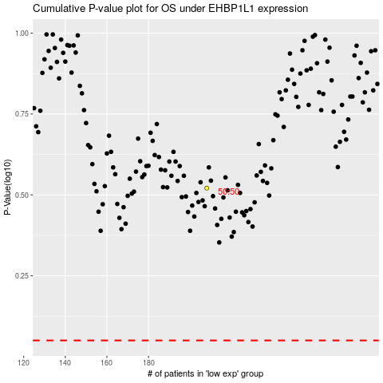

 |  |  |  |  |  | cases_OS | p_OS | rank | exp
 |  |  |  |  |  |  | cases_RFS | p_RFS | rank | exp

