EHD1 _multivariate
Reported by Tex Li-Hsing Chi. tex@gate.sinica.edu.tw 2019-08-20

Table 2. The clinicopathological features of HNSCC cohort and EHD1 expression. (Chi square test)
Cutoff at -0.086 (49.8%)
 |  | EHD1 expression |  | EHD1 expression |  | (Optimised)
 | Features | Low | (%) | High | (%) | Case no | P-value | Remark | Matthews
Gender | Female | 161 | 38.8 | 145 | 34.9 | 415 | 0.0792 | 0 | 0
2 | Male | 46 | 11.1 | 63 | 15.2
Age at diagnosis | <=65y | 136 | 32.8 | 138 | 33.3 | 415 | 0.9719 | 0 | 0
4 | >65y | 71 | 17.1 | 70 | 16.9
Clinical T Status | T1+T2 | 73 | 17.6 | 76 | 18.3 | 415 | 0.8666 | 0 | 0
6 | T3+T4 | 134 | 32.3 | 132 | 31.8
Clinical N Status | N0 | 114 | 27.5 | 102 | 24.6 | 415 | 0.2576 | 1 | 0
8 | N1-3 | 93 | 22.4 | 106 | 25.5
Clinical M Status | M0 | 206 | 49.6 | 206 | 49.6 | 415 | 1 | 0 | 0
10 | M1 | 1 | 0.2 | 2 | 0.5
Clinical Stage | Stage I+II | 46 | 11.1 | 56 | 13.5 | 415 | 0.3182 | 0 | 0
12 | Stage III+IV | 161 | 38.8 | 152 | 36.6
Surgical Margin status | Negative | 148 | 35.7 | 170 | 41 | 415 | 0.015 | 1 | 0
14 | Positive | 59 | 14.2 | 38 | 9.2
Tobacco Exposure | Low | 71 | 17.1 | 90 | 21.7 | 415 | 0.0698 | 0 | 0
16 | High | 136 | 32.8 | 118 | 28.4

Table 3. Univariate/Multivariate Cox's proportional hazards regression analyses on OS time of EHD1 gene expression in HNSCC

 |  | Univariate |  |  |  | Multivariate
 | Features | HR | CI95%(L) | CI95%(H) | P-value | HR | CI95%(L) | CI95%(H) | P-value
1 | Female | 1 |  |  |  | 1
Gender | Male | 1.157 | 0.843 | 1.587 | 0.367 | 1.187 | 0.848 | 1.66 | 0.318
11 | <=65y | 1 |  |  |  | 1
Age at diagnosis | >65y | 1.329 | 0.99 | 1.784 | 0.058 | 1.404 | 1.032 | 1.91 | 0.031
12 | T1+T2 | 1 |  |  |  | 1
Clinical T Status | T3+T4 | 1.409 | 1.028 | 1.931 | 0.033 | 2.167 | 1.145 | 4.103 | 0.018
13 | N0 | 1 |  |  |  | 1
Clinical N Status | N1-3 | 1.185 | 0.89 | 1.577 | 0.246 | 1.217 | 0.85 | 1.743 | 0.282
14 | M0 | 1 |  |  |  | 1
Clinical M Status | M1 | 4.097 | 1.009 | 16.644 | 0.049 | 9.008 | 1.958 | 41.453 | 0.005
15 | Stage I+II | 1 |  |  |  | 1
Clinical Stage | Stage III+IV | 1.245 | 0.882 | 1.759 | 0.213 | 0.525 | 0.243 | 1.136 | 0.102
16 | Negative | 1 |  |  |  | 1
Surgical Margin status | Positive | 1.591 | 1.155 | 2.191 | 0.004 | 1.701 | 1.228 | 2.358 | 0.001
17 | Low | 1 |  |  |  | 1
Tobacco Exposure | High | 1.364 | 1.008 | 1.844 | 0.044 | 1.46 | 1.059 | 2.011 | 0.021
18 | Low | 1 |  |  |  | 1
RNAseq(z-score) | High | 1.063 | 0.796 | 1.418 | 0.68 | 1.123 | 0.831 | 1.517 | 0.45

Table 4. Univariate/Multivariate Cox's proportional hazards regression analyses on RFS time of EHD1 gene expression in HNSCC

 |  | Univariate |  |  |  | Multivariate
 | Features | HR | CI95%(L) | CI95%(H) | P-value | HR | CI95%(L) | CI95%(H) | P-value
1 | Female | 1 |  |  |  | 1
Gender | Male | 1.157 | 0.843 | 1.587 | 0.367 | 1.187 | 0.848 | 1.66 | 0.318
11 | <=65y | 1 |  |  |  | 1
Age at diagnosis | >65y | 1.329 | 0.99 | 1.784 | 0.058 | 1.404 | 1.032 | 1.91 | 0.031
12 | T1+T2 | 1 |  |  |  | 1
Clinical T Status | T3+T4 | 1.409 | 1.028 | 1.931 | 0.033 | 2.167 | 1.145 | 4.103 | 0.018
13 | N0 | 1 |  |  |  | 1
Clinical N Status | N1-3 | 1.185 | 0.89 | 1.577 | 0.246 | 1.217 | 0.85 | 1.743 | 0.282
14 | M0 | 1 |  |  |  | 1
Clinical M Status | M1 | 4.097 | 1.009 | 16.644 | 0.049 | 9.008 | 1.958 | 41.453 | 0.005
15 | Stage I+II | 1 |  |  |  | 1
Clinical Stage | Stage III+IV | 1.245 | 0.882 | 1.759 | 0.213 | 0.525 | 0.243 | 1.136 | 0.102
16 | Negative | 1 |  |  |  | 1
Surgical Margin status | Positive | 1.591 | 1.155 | 2.191 | 0.004 | 1.701 | 1.228 | 2.358 | 0.001
17 | Low | 1 |  |  |  | 1
Tobacco Exposure | High | 1.364 | 1.008 | 1.844 | 0.044 | 1.46 | 1.059 | 2.011 | 0.021
18 | Low | 1 |  |  |  | 1
RNAseq(z-score) | High | 1.063 | 0.796 | 1.418 | 0.68 | 1.123 | 0.831 | 1.517 | 0.45

Kaplan-Meier survival estimate: Cutoff at -0.086 (49.8%)



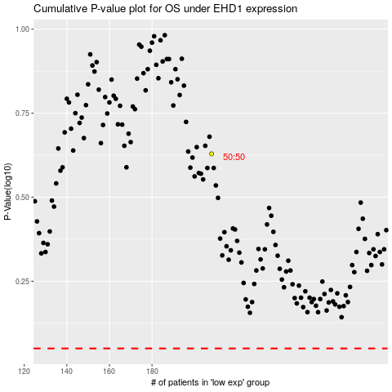

 |  |  |  |  |  | cases_OS | p_OS | rank | exp
 |  |  |  |  |  |  | cases_RFS | p_RFS | rank | exp

