EHD3 _multivariate
Reported by Tex Li-Hsing Chi. tex@gate.sinica.edu.tw 2019-08-20

Table 2. The clinicopathological features of HNSCC cohort and EHD3 expression. (Chi square test)
Cutoff at -0.26 (49.8%)
 |  | EHD3 expression |  | EHD3 expression |  | (Optimised)
 | Features | Low | (%) | High | (%) | Case no | P-value | Remark | Matthews
Gender | Female | 149 | 35.9 | 157 | 37.8 | 415 | 0.4848 | 0 | 0
2 | Male | 58 | 14 | 51 | 12.3
Age at diagnosis | <=65y | 137 | 33 | 137 | 33 | 415 | 1 | 0 | 0
4 | >65y | 70 | 16.9 | 71 | 17.1
Clinical T Status | T1+T2 | 72 | 17.3 | 77 | 18.6 | 415 | 0.7095 | 0 | 0
6 | T3+T4 | 135 | 32.5 | 131 | 31.6
Clinical N Status | N0 | 96 | 23.1 | 120 | 28.9 | 415 | 0.0272 | 1 | 0
8 | N1-3 | 111 | 26.7 | 88 | 21.2
Clinical M Status | M0 | 205 | 49.4 | 207 | 49.9 | 415 | 0.6232 | 0 | 0
10 | M1 | 2 | 0.5 | 1 | 0.2
Clinical Stage | Stage I+II | 46 | 11.1 | 56 | 13.5 | 415 | 0.3182 | 0 | 0
12 | Stage III+IV | 161 | 38.8 | 152 | 36.6
Surgical Margin status | Negative | 154 | 37.1 | 164 | 39.5 | 415 | 0.2984 | 0 | 0
14 | Positive | 53 | 12.8 | 44 | 10.6
Tobacco Exposure | Low | 92 | 22.2 | 69 | 16.6 | 415 | 0.0206 | 1 | 0
16 | High | 115 | 27.7 | 139 | 33.5

Table 3. Univariate/Multivariate Cox's proportional hazards regression analyses on OS time of EHD3 gene expression in HNSCC

 |  | Univariate |  |  |  | Multivariate
 | Features | HR | CI95%(L) | CI95%(H) | P-value | HR | CI95%(L) | CI95%(H) | P-value
1 | Female | 1 |  |  |  | 1
Gender | Male | 1.157 | 0.843 | 1.587 | 0.367 | 1.207 | 0.864 | 1.685 | 0.269
11 | <=65y | 1 |  |  |  | 1
Age at diagnosis | >65y | 1.329 | 0.99 | 1.784 | 0.058 | 1.394 | 1.026 | 1.895 | 0.034
12 | T1+T2 | 1 |  |  |  | 1
Clinical T Status | T3+T4 | 1.409 | 1.028 | 1.931 | 0.033 | 2.206 | 1.167 | 4.17 | 0.015
13 | N0 | 1 |  |  |  | 1
Clinical N Status | N1-3 | 1.185 | 0.89 | 1.577 | 0.246 | 1.277 | 0.892 | 1.83 | 0.182
14 | M0 | 1 |  |  |  | 1
Clinical M Status | M1 | 4.097 | 1.009 | 16.644 | 0.049 | 9.741 | 2.122 | 44.718 | 0.003
15 | Stage I+II | 1 |  |  |  | 1
Clinical Stage | Stage III+IV | 1.245 | 0.882 | 1.759 | 0.213 | 0.503 | 0.234 | 1.08 | 0.078
16 | Negative | 1 |  |  |  | 1
Surgical Margin status | Positive | 1.591 | 1.155 | 2.191 | 0.004 | 1.7 | 1.228 | 2.353 | 0.001
17 | Low | 1 |  |  |  | 1
Tobacco Exposure | High | 1.364 | 1.008 | 1.844 | 0.044 | 1.422 | 1.03 | 1.964 | 0.033
18 | Low | 1 |  |  |  | 1
RNAseq(z-score) | High | 1.074 | 0.806 | 1.432 | 0.626 | 1.161 | 0.861 | 1.566 | 0.327

Table 4. Univariate/Multivariate Cox's proportional hazards regression analyses on RFS time of EHD3 gene expression in HNSCC

 |  | Univariate |  |  |  | Multivariate
 | Features | HR | CI95%(L) | CI95%(H) | P-value | HR | CI95%(L) | CI95%(H) | P-value
1 | Female | 1 |  |  |  | 1
Gender | Male | 1.157 | 0.843 | 1.587 | 0.367 | 1.207 | 0.864 | 1.685 | 0.269
11 | <=65y | 1 |  |  |  | 1
Age at diagnosis | >65y | 1.329 | 0.99 | 1.784 | 0.058 | 1.394 | 1.026 | 1.895 | 0.034
12 | T1+T2 | 1 |  |  |  | 1
Clinical T Status | T3+T4 | 1.409 | 1.028 | 1.931 | 0.033 | 2.206 | 1.167 | 4.17 | 0.015
13 | N0 | 1 |  |  |  | 1
Clinical N Status | N1-3 | 1.185 | 0.89 | 1.577 | 0.246 | 1.277 | 0.892 | 1.83 | 0.182
14 | M0 | 1 |  |  |  | 1
Clinical M Status | M1 | 4.097 | 1.009 | 16.644 | 0.049 | 9.741 | 2.122 | 44.718 | 0.003
15 | Stage I+II | 1 |  |  |  | 1
Clinical Stage | Stage III+IV | 1.245 | 0.882 | 1.759 | 0.213 | 0.503 | 0.234 | 1.08 | 0.078
16 | Negative | 1 |  |  |  | 1
Surgical Margin status | Positive | 1.591 | 1.155 | 2.191 | 0.004 | 1.7 | 1.228 | 2.353 | 0.001
17 | Low | 1 |  |  |  | 1
Tobacco Exposure | High | 1.364 | 1.008 | 1.844 | 0.044 | 1.422 | 1.03 | 1.964 | 0.033
18 | Low | 1 |  |  |  | 1
RNAseq(z-score) | High | 1.074 | 0.806 | 1.432 | 0.626 | 1.161 | 0.861 | 1.566 | 0.327

Kaplan-Meier survival estimate: Cutoff at -0.26 (49.8%)



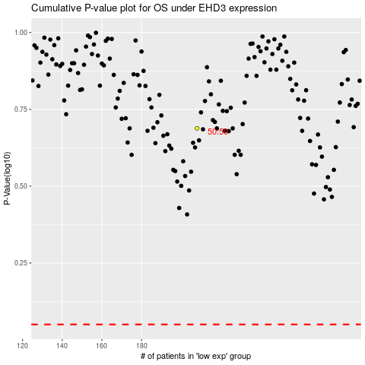

 |  |  |  |  |  | cases_OS | p_OS | rank | exp
 |  |  |  |  |  |  | cases_RFS | p_RFS | rank | exp

