EHF _multivariate
Reported by Tex Li-Hsing Chi. tex@gate.sinica.edu.tw 2019-08-20

Table 2. The clinicopathological features of HNSCC cohort and EHF expression. (Chi square test)
Cutoff at -0.016 (69.8%)
 |  | EHF expression |  | EHF expression |  | (Optimised)
 | Features | Low | (%) | High | (%) | Case no | P-value | Remark | Matthews
Gender | Female | 212 | 51.1 | 94 | 22.7 | 415 | 0.7462 | 0 | 0
2 | Male | 78 | 18.8 | 31 | 7.5
Age at diagnosis | <=65y | 191 | 46 | 83 | 20 | 415 | 1 | 0 | 0
4 | >65y | 99 | 23.9 | 42 | 10.1
Clinical T Status | T1+T2 | 101 | 24.3 | 48 | 11.6 | 415 | 0.5589 | 0 | 0
6 | T3+T4 | 189 | 45.5 | 77 | 18.6
Clinical N Status | N0 | 151 | 36.4 | 65 | 15.7 | 415 | 1 | 0 | 0
8 | N1-3 | 139 | 33.5 | 60 | 14.5
Clinical M Status | M0 | 287 | 69.2 | 125 | 30.1 | 415 | 0.5571 | 0 | 0
10 | M1 | 3 | 0.7 | 0 | 0
Clinical Stage | Stage I+II | 72 | 17.3 | 30 | 7.2 | 415 | 0.9558 | 0 | 0
12 | Stage III+IV | 218 | 52.5 | 95 | 22.9
Surgical Margin status | Negative | 223 | 53.7 | 95 | 22.9 | 415 | 0.8995 | 0 | 0
14 | Positive | 67 | 16.1 | 30 | 7.2
Tobacco Exposure | Low | 109 | 26.3 | 52 | 12.5 | 415 | 0.4445 | 0 | 0
16 | High | 181 | 43.6 | 73 | 17.6

Table 3. Univariate/Multivariate Cox's proportional hazards regression analyses on OS time of EHF gene expression in HNSCC

 |  | Univariate |  |  |  | Multivariate
 | Features | HR | CI95%(L) | CI95%(H) | P-value | HR | CI95%(L) | CI95%(H) | P-value
1 | Female | 1 |  |  |  | 1
Gender | Male | 1.157 | 0.843 | 1.587 | 0.367 | 1.155 | 0.824 | 1.619 | 0.403
11 | <=65y | 1 |  |  |  | 1
Age at diagnosis | >65y | 1.329 | 0.99 | 1.784 | 0.058 | 1.392 | 1.024 | 1.892 | 0.035
12 | T1+T2 | 1 |  |  |  | 1
Clinical T Status | T3+T4 | 1.409 | 1.028 | 1.931 | 0.033 | 2.062 | 1.089 | 3.904 | 0.026
13 | N0 | 1 |  |  |  | 1
Clinical N Status | N1-3 | 1.185 | 0.89 | 1.577 | 0.246 | 1.22 | 0.855 | 1.741 | 0.273
14 | M0 | 1 |  |  |  | 1
Clinical M Status | M1 | 4.097 | 1.009 | 16.644 | 0.049 | 7.876 | 1.71 | 36.28 | 0.008
15 | Stage I+II | 1 |  |  |  | 1
Clinical Stage | Stage III+IV | 1.245 | 0.882 | 1.759 | 0.213 | 0.533 | 0.248 | 1.145 | 0.107
16 | Negative | 1 |  |  |  | 1
Surgical Margin status | Positive | 1.591 | 1.155 | 2.191 | 0.004 | 1.645 | 1.191 | 2.272 | 0.003
17 | Low | 1 |  |  |  | 1
Tobacco Exposure | High | 1.364 | 1.008 | 1.844 | 0.044 | 1.41 | 1.022 | 1.945 | 0.036
18 | Low | 1 |  |  |  | 1
RNAseq(z-score) | High | 0.59 | 0.419 | 0.829 | 0.002 | 0.651 | 0.461 | 0.918 | 0.015

Table 4. Univariate/Multivariate Cox's proportional hazards regression analyses on RFS time of EHF gene expression in HNSCC

 |  | Univariate |  |  |  | Multivariate
 | Features | HR | CI95%(L) | CI95%(H) | P-value | HR | CI95%(L) | CI95%(H) | P-value
1 | Female | 1 |  |  |  | 1
Gender | Male | 1.157 | 0.843 | 1.587 | 0.367 | 1.155 | 0.824 | 1.619 | 0.403
11 | <=65y | 1 |  |  |  | 1
Age at diagnosis | >65y | 1.329 | 0.99 | 1.784 | 0.058 | 1.392 | 1.024 | 1.892 | 0.035
12 | T1+T2 | 1 |  |  |  | 1
Clinical T Status | T3+T4 | 1.409 | 1.028 | 1.931 | 0.033 | 2.062 | 1.089 | 3.904 | 0.026
13 | N0 | 1 |  |  |  | 1
Clinical N Status | N1-3 | 1.185 | 0.89 | 1.577 | 0.246 | 1.22 | 0.855 | 1.741 | 0.273
14 | M0 | 1 |  |  |  | 1
Clinical M Status | M1 | 4.097 | 1.009 | 16.644 | 0.049 | 7.876 | 1.71 | 36.28 | 0.008
15 | Stage I+II | 1 |  |  |  | 1
Clinical Stage | Stage III+IV | 1.245 | 0.882 | 1.759 | 0.213 | 0.533 | 0.248 | 1.145 | 0.107
16 | Negative | 1 |  |  |  | 1
Surgical Margin status | Positive | 1.591 | 1.155 | 2.191 | 0.004 | 1.645 | 1.191 | 2.272 | 0.003
17 | Low | 1 |  |  |  | 1
Tobacco Exposure | High | 1.364 | 1.008 | 1.844 | 0.044 | 1.41 | 1.022 | 1.945 | 0.036
18 | Low | 1 |  |  |  | 1
RNAseq(z-score) | High | 0.59 | 0.419 | 0.829 | 0.002 | 0.651 | 0.461 | 0.918 | 0.015

Kaplan-Meier survival estimate: Cutoff at -0.016 (69.8%)

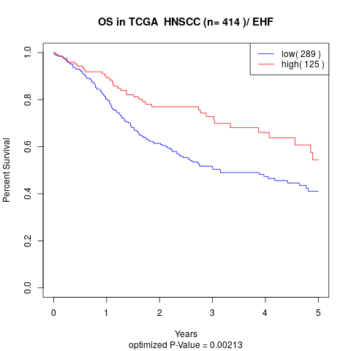

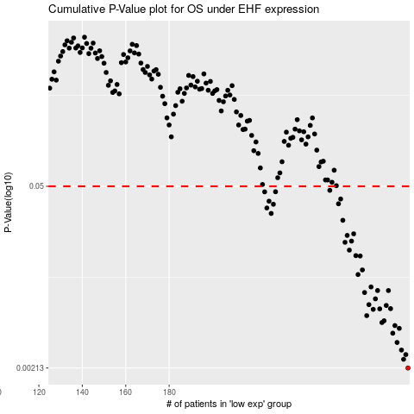

 |  |  |  |  |  | cases_OS | p_OS | rank | exp
 |  |  |  |  |  | 290 | 0.00213 | 414 | -0.015953330198
 |  |  |  |  |  | 288 | 0.00248 | 19 | -0.02891391189
 |  |  |  |  |  | 289 | 0.00269 | 3 | -0.017222380049
 |  |  |  |  |  | 287 | 0.00291 | 254 | -0.038035002266
 |  |  |  |  |  | 285 | 0.00332 | 324 | -0.060696779514
 |  |  |  |  |  | 283 | 0.0039 | 346 | -0.06355476189
 |  |  |  |  |  | 286 | 0.00424 | 339 | -0.04833943527
 |  |  |  |  |  | 284 | 0.00445 | 90 | -0.06257632278
 |  |  |  |  |  | 278 | 0.00469 | 173 | -0.094903635923
 |  |  |  |  |  | 279 | 0.00484 | 116 | -0.090894156547
 |  |  |  |  |  | 271 | 0.00529 | 303 | -0.12996747153
 |  |  |  |  |  | 274 | 0.0059 | 102 | -0.10661473406
 |  |  |  |  |  | 277 | 0.00595 | 87 | -0.096032341748
 |  |  |  |  |  | 282 | 0.00597 | 61 | -0.071944581126
 |  |  |  |  |  | 280 | 0.00631 | 6 | -0.087275786143
 |  |  |  |  |  | 272 | 0.0064 | 50 | -0.12719780108
 |  |  |  |  |  | 275 | 0.00708 | 408 | -0.099978067849
 |  |  |  |  |  | 270 | 0.0079 | 148 | -0.13115831819
 |  |  |  |  |  | 276 | 0.00818 | 86 | -0.098462098094
 |  |  |  |  |  | 281 | 0.00818 | 181 | -0.086177654603
 |  |  |  |  |  | 273 | 0.00871 | 296 | -0.11898336537
 |  |  |  |  |  | 267 | 0.0108 | 321 | -0.18259440389
 |  |  |  |  |  | 269 | 0.0117 | 214 | -0.14925761223
 |  |  |  |  |  | 268 | 0.0149 | 203 | -0.17619005262
 |  |  |  |  |  | 266 | 0.015 | 123 | -0.18577955591
 |  |  |  |  |  | 263 | 0.0165 | 320 | -0.20358665778
 |  |  |  |  |  | 261 | 0.0189 | 8 | -0.20883408558
 |  |  |  |  |  | 264 | 0.0193 | 386 | -0.19132054025
 |  |  |  |  |  | 262 | 0.0213 | 161 | -0.20359059585
 |  |  |  |  |  | 265 | 0.0219 | 21 | -0.18883937198
 |  |  |  |  |  | 260 | 0.0277 | 216 | -0.20950315387
 |  |  |  |  |  | 227 | 0.0312 | 235 | -0.3244266786
 |  |  |  |  |  | 225 | 0.0343 | 360 | -0.32495124773
 |  |  |  |  |  | 228 | 0.0366 | 112 | -0.32154565698
 |  |  |  |  |  | 258 | 0.0369 | 343 | -0.21774146605
 |  |  |  |  |  | 226 | 0.0386 | 74 | -0.32481729143
 |  |  |  |  |  | 259 | 0.0401 | 297 | -0.21497681896
 |  |  |  |  |  | 224 | 0.0454 | 221 | -0.32682356604
 |  |  |  |  |  | 229 | 0.0455 | 41 | -0.3184747089
 |  |  |  |  |  | 254 | 0.0466 | 91 | -0.22039916516
 |  |  |  |  |  |  | cases_RFS | p_RFS | rank | exp
 |  |  |  |  |  |  | 289 | 0.00213 | 3 | -0.017222380049
 |  |  |  |  |  |  | 287 | 0.00248 | 254 | -0.038035002266
 |  |  |  |  |  |  | 288 | 0.00269 | 19 | -0.02891391189
 |  |  |  |  |  |  | 286 | 0.00291 | 339 | -0.04833943527
 |  |  |  |  |  |  | 284 | 0.00332 | 90 | -0.06257632278
 |  |  |  |  |  |  | 282 | 0.0039 | 61 | -0.071944581126
 |  |  |  |  |  |  | 285 | 0.00424 | 324 | -0.060696779514
 |  |  |  |  |  |  | 283 | 0.00445 | 346 | -0.06355476189
 |  |  |  |  |  |  | 277 | 0.00469 | 87 | -0.096032341748
 |  |  |  |  |  |  | 278 | 0.00484 | 173 | -0.094903635923
 |  |  |  |  |  |  | 270 | 0.00529 | 148 | -0.13115831819
 |  |  |  |  |  |  | 273 | 0.0059 | 296 | -0.11898336537
 |  |  |  |  |  |  | 276 | 0.00595 | 86 | -0.098462098094
 |  |  |  |  |  |  | 281 | 0.00597 | 181 | -0.086177654603
 |  |  |  |  |  |  | 279 | 0.00631 | 116 | -0.090894156547
 |  |  |  |  |  |  | 271 | 0.0064 | 303 | -0.12996747153
 |  |  |  |  |  |  | 274 | 0.00708 | 102 | -0.10661473406
 |  |  |  |  |  |  | 269 | 0.0079 | 214 | -0.14925761223
 |  |  |  |  |  |  | 280 | 0.00818 | 6 | -0.087275786143
 |  |  |  |  |  |  | 275 | 0.00818 | 408 | -0.099978067849
 |  |  |  |  |  |  | 272 | 0.00871 | 50 | -0.12719780108
 |  |  |  |  |  |  | 266 | 0.0108 | 123 | -0.18577955591
 |  |  |  |  |  |  | 268 | 0.0117 | 203 | -0.17619005262
 |  |  |  |  |  |  | 267 | 0.0149 | 321 | -0.18259440389
 |  |  |  |  |  |  | 265 | 0.015 | 21 | -0.18883937198
 |  |  |  |  |  |  | 262 | 0.0165 | 161 | -0.20359059585
 |  |  |  |  |  |  | 260 | 0.0189 | 216 | -0.20950315387
 |  |  |  |  |  |  | 263 | 0.0193 | 320 | -0.20358665778
 |  |  |  |  |  |  | 261 | 0.0213 | 8 | -0.20883408558
 |  |  |  |  |  |  | 264 | 0.0219 | 386 | -0.19132054025
 |  |  |  |  |  |  | 259 | 0.0277 | 297 | -0.21497681896
 |  |  |  |  |  |  | 226 | 0.0312 | 74 | -0.32481729143
 |  |  |  |  |  |  | 224 | 0.0343 | 221 | -0.32682356604
 |  |  |  |  |  |  | 227 | 0.0366 | 235 | -0.3244266786
 |  |  |  |  |  |  | 257 | 0.0369 | 159 | -0.21779266092
 |  |  |  |  |  |  | 225 | 0.0386 | 360 | -0.32495124773
 |  |  |  |  |  |  | 258 | 0.0401 | 343 | -0.21774146605
 |  |  |  |  |  |  | 223 | 0.0454 | 366 | -0.32756200012
 |  |  |  |  |  |  | 228 | 0.0455 | 112 | -0.32154565698
 |  |  |  |  |  |  | 253 | 0.0466 | 267 | -0.2249846566

